ST6GALNAC2 _multivariate
Reported by Tex Li-Hsing Chi. tex@gate.sinica.edu.tw 2019-08-15

Table 2. The clinicopathological features of HNSCC cohort and ST6GALNAC2 expression. (Chi square test)
Cutoff at -0.487 (36.7%)
 |  | ST6GALNAC2 expression |  | ST6GALNAC2 expression |  | (Optimised)
 | Features | Low | (%) | High | (%) | Case no | P-value | Remark | Matthews
Gender | Female | 112 | 27 | 194 | 46.7 | 415 | 0.942 | 0 | 0
2 | Male | 41 | 9.9 | 68 | 16.4
Age at diagnosis | <=65y | 103 | 24.8 | 171 | 41.2 | 415 | 0.75 | 0 | 0
4 | >65y | 50 | 12 | 91 | 21.9
Clinical T Status | T1+T2 | 53 | 12.8 | 96 | 23.1 | 415 | 0.7612 | 0 | 0
6 | T3+T4 | 100 | 24.1 | 166 | 40
Clinical N Status | N0 | 77 | 18.6 | 139 | 33.5 | 415 | 0.6639 | 0 | 0
8 | N1-3 | 76 | 18.3 | 123 | 29.6
Clinical M Status | M0 | 153 | 36.9 | 259 | 62.4 | 415 | 0.3001 | 0 | 0
10 | M1 | 0 | 0 | 3 | 0.7
Clinical Stage | Stage I+II | 38 | 9.2 | 64 | 15.4 | 415 | 1 | 0 | 0
12 | Stage III+IV | 115 | 27.7 | 198 | 47.7
Surgical Margin status | Negative | 118 | 28.4 | 200 | 48.2 | 415 | 0.9046 | 0 | 0
14 | Positive | 35 | 8.4 | 62 | 14.9
Tobacco Exposure | Low | 55 | 13.3 | 106 | 25.5 | 415 | 0.4039 | 0 | 0
16 | High | 98 | 23.6 | 156 | 37.6

Table 3. Univariate/Multivariate Cox's proportional hazards regression analyses on OS time of ST6GALNAC2 gene expression in HNSCC

 |  | Univariate |  |  |  | Multivariate
 | Features | HR | CI95%(L) | CI95%(H) | P-value | HR | CI95%(L) | CI95%(H) | P-value
1 | Female | 1 |  |  |  | 1
Gender | Male | 1.157 | 0.843 | 1.587 | 0.367 | 1.217 | 0.872 | 1.699 | 0.249
11 | <=65y | 1 |  |  |  | 1
Age at diagnosis | >65y | 1.329 | 0.99 | 1.784 | 0.058 | 1.386 | 1.02 | 1.883 | 0.037
12 | T1+T2 | 1 |  |  |  | 1
Clinical T Status | T3+T4 | 1.409 | 1.028 | 1.931 | 0.033 | 2.262 | 1.194 | 4.283 | 0.012
13 | N0 | 1 |  |  |  | 1
Clinical N Status | N1-3 | 1.185 | 0.89 | 1.577 | 0.246 | 1.239 | 0.869 | 1.767 | 0.236
14 | M0 | 1 |  |  |  | 1
Clinical M Status | M1 | 4.097 | 1.009 | 16.644 | 0.049 | 8.665 | 1.885 | 39.82 | 0.006
15 | Stage I+II | 1 |  |  |  | 1
Clinical Stage | Stage III+IV | 1.245 | 0.882 | 1.759 | 0.213 | 0.496 | 0.231 | 1.065 | 0.072
16 | Negative | 1 |  |  |  | 1
Surgical Margin status | Positive | 1.591 | 1.155 | 2.191 | 0.004 | 1.66 | 1.201 | 2.295 | 0.002
17 | Low | 1 |  |  |  | 1
Tobacco Exposure | High | 1.364 | 1.008 | 1.844 | 0.044 | 1.454 | 1.056 | 2.001 | 0.022
18 | Low | 1 |  |  |  | 1
RNAseq(z-score) | High | 1.375 | 1.01 | 1.872 | 0.043 | 1.362 | 0.998 | 1.857 | 0.051

Table 4. Univariate/Multivariate Cox's proportional hazards regression analyses on RFS time of ST6GALNAC2 gene expression in HNSCC

 |  | Univariate |  |  |  | Multivariate
 | Features | HR | CI95%(L) | CI95%(H) | P-value | HR | CI95%(L) | CI95%(H) | P-value
1 | Female | 1 |  |  |  | 1
Gender | Male | 1.157 | 0.843 | 1.587 | 0.367 | 1.217 | 0.872 | 1.699 | 0.249
11 | <=65y | 1 |  |  |  | 1
Age at diagnosis | >65y | 1.329 | 0.99 | 1.784 | 0.058 | 1.386 | 1.02 | 1.883 | 0.037
12 | T1+T2 | 1 |  |  |  | 1
Clinical T Status | T3+T4 | 1.409 | 1.028 | 1.931 | 0.033 | 2.262 | 1.194 | 4.283 | 0.012
13 | N0 | 1 |  |  |  | 1
Clinical N Status | N1-3 | 1.185 | 0.89 | 1.577 | 0.246 | 1.239 | 0.869 | 1.767 | 0.236
14 | M0 | 1 |  |  |  | 1
Clinical M Status | M1 | 4.097 | 1.009 | 16.644 | 0.049 | 8.665 | 1.885 | 39.82 | 0.006
15 | Stage I+II | 1 |  |  |  | 1
Clinical Stage | Stage III+IV | 1.245 | 0.882 | 1.759 | 0.213 | 0.496 | 0.231 | 1.065 | 0.072
16 | Negative | 1 |  |  |  | 1
Surgical Margin status | Positive | 1.591 | 1.155 | 2.191 | 0.004 | 1.66 | 1.201 | 2.295 | 0.002
17 | Low | 1 |  |  |  | 1
Tobacco Exposure | High | 1.364 | 1.008 | 1.844 | 0.044 | 1.454 | 1.056 | 2.001 | 0.022
18 | Low | 1 |  |  |  | 1
RNAseq(z-score) | High | 1.375 | 1.01 | 1.872 | 0.043 | 1.362 | 0.998 | 1.857 | 0.051

Kaplan-Meier survival estimate: Cutoff at -0.487 (36.7%)

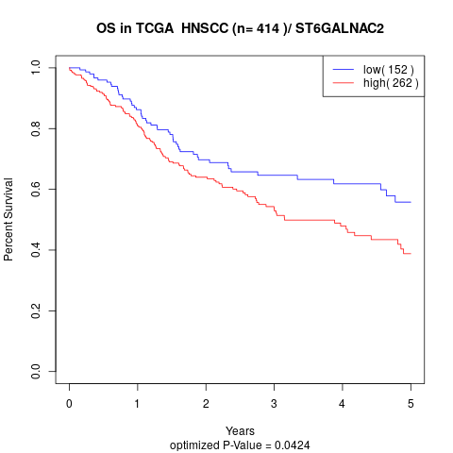

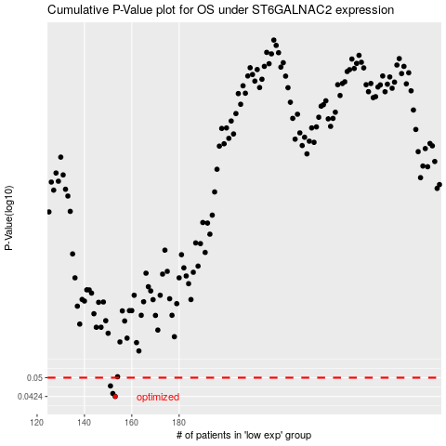

 |  |  |  |  |  | cases_OS | p_OS | rank | exp
 |  |  |  |  |  | 153 | 0.0424 | 48 | -0.48742375354
 |  |  |  |  |  | 152 | 0.0435 | 25 | -0.50919742006
 |  |  |  |  |  | 151 | 0.0465 | 98 | -0.51259652665
 |  |  |  |  |  |  | cases_RFS | p_RFS | rank | exp
 |  |  |  |  |  |  | 152 | 0.0424 | 25 | -0.50919742006
 |  |  |  |  |  |  | 151 | 0.0435 | 98 | -0.51259652665
 |  |  |  |  |  |  | 150 | 0.0465 | 205 | -0.51509262122

