ST6GALNAC3 _multivariate
Reported by Tex Li-Hsing Chi. tex@gate.sinica.edu.tw 2019-08-15

Table 2. The clinicopathological features of HNSCC cohort and ST6GALNAC3 expression. (Chi square test)
Cutoff at -0.345 (47.1%)
 |  | ST6GALNAC3 expression |  | ST6GALNAC3 expression |  | (Optimised)
 | Features | Low | (%) | High | (%) | Case no | P-value | Remark | Matthews
Gender | Female | 143 | 34.5 | 163 | 39.3 | 415 | 0.9495 | 0 | 0
2 | Male | 52 | 12.5 | 57 | 13.7
Age at diagnosis | <=65y | 124 | 29.9 | 150 | 36.1 | 415 | 0.3778 | 0 | 0
4 | >65y | 71 | 17.1 | 70 | 16.9
Clinical T Status | T1+T2 | 66 | 15.9 | 83 | 20 | 415 | 0.4715 | 0 | 0
6 | T3+T4 | 129 | 31.1 | 137 | 33
Clinical N Status | N0 | 105 | 25.3 | 111 | 26.7 | 415 | 0.554 | 0 | 0
8 | N1-3 | 90 | 21.7 | 109 | 26.3
Clinical M Status | M0 | 192 | 46.3 | 220 | 53 | 415 | 0.1029 | 0 | 0
10 | M1 | 3 | 0.7 | 0 | 0
Clinical Stage | Stage I+II | 44 | 10.6 | 58 | 14 | 415 | 0.4336 | 0 | 0
12 | Stage III+IV | 151 | 36.4 | 162 | 39
Surgical Margin status | Negative | 148 | 35.7 | 170 | 41 | 415 | 0.8163 | 0 | 0
14 | Positive | 47 | 11.3 | 50 | 12
Tobacco Exposure | Low | 78 | 18.8 | 83 | 20 | 415 | 0.6866 | 0 | 0
16 | High | 117 | 28.2 | 137 | 33

Table 3. Univariate/Multivariate Cox's proportional hazards regression analyses on OS time of ST6GALNAC3 gene expression in HNSCC

 |  | Univariate |  |  |  | Multivariate
 | Features | HR | CI95%(L) | CI95%(H) | P-value | HR | CI95%(L) | CI95%(H) | P-value
1 | Female | 1 |  |  |  | 1
Gender | Male | 1.157 | 0.843 | 1.587 | 0.367 | 1.218 | 0.87 | 1.704 | 0.251
11 | <=65y | 1 |  |  |  | 1
Age at diagnosis | >65y | 1.329 | 0.99 | 1.784 | 0.058 | 1.374 | 1.011 | 1.868 | 0.042
12 | T1+T2 | 1 |  |  |  | 1
Clinical T Status | T3+T4 | 1.409 | 1.028 | 1.931 | 0.033 | 2.183 | 1.154 | 4.127 | 0.016
13 | N0 | 1 |  |  |  | 1
Clinical N Status | N1-3 | 1.185 | 0.89 | 1.577 | 0.246 | 1.241 | 0.87 | 1.771 | 0.233
14 | M0 | 1 |  |  |  | 1
Clinical M Status | M1 | 4.097 | 1.009 | 16.644 | 0.049 | 8.187 | 1.775 | 37.77 | 0.007
15 | Stage I+II | 1 |  |  |  | 1
Clinical Stage | Stage III+IV | 1.245 | 0.882 | 1.759 | 0.213 | 0.496 | 0.231 | 1.062 | 0.071
16 | Negative | 1 |  |  |  | 1
Surgical Margin status | Positive | 1.591 | 1.155 | 2.191 | 0.004 | 1.691 | 1.223 | 2.338 | 0.001
17 | Low | 1 |  |  |  | 1
Tobacco Exposure | High | 1.364 | 1.008 | 1.844 | 0.044 | 1.449 | 1.049 | 2 | 0.024
18 | Low | 1 |  |  |  | 1
RNAseq(z-score) | High | 0.725 | 0.543 | 0.966 | 0.028 | 0.754 | 0.564 | 1.008 | 0.057

Table 4. Univariate/Multivariate Cox's proportional hazards regression analyses on RFS time of ST6GALNAC3 gene expression in HNSCC

 |  | Univariate |  |  |  | Multivariate
 | Features | HR | CI95%(L) | CI95%(H) | P-value | HR | CI95%(L) | CI95%(H) | P-value
1 | Female | 1 |  |  |  | 1
Gender | Male | 1.157 | 0.843 | 1.587 | 0.367 | 1.218 | 0.87 | 1.704 | 0.251
11 | <=65y | 1 |  |  |  | 1
Age at diagnosis | >65y | 1.329 | 0.99 | 1.784 | 0.058 | 1.374 | 1.011 | 1.868 | 0.042
12 | T1+T2 | 1 |  |  |  | 1
Clinical T Status | T3+T4 | 1.409 | 1.028 | 1.931 | 0.033 | 2.183 | 1.154 | 4.127 | 0.016
13 | N0 | 1 |  |  |  | 1
Clinical N Status | N1-3 | 1.185 | 0.89 | 1.577 | 0.246 | 1.241 | 0.87 | 1.771 | 0.233
14 | M0 | 1 |  |  |  | 1
Clinical M Status | M1 | 4.097 | 1.009 | 16.644 | 0.049 | 8.187 | 1.775 | 37.77 | 0.007
15 | Stage I+II | 1 |  |  |  | 1
Clinical Stage | Stage III+IV | 1.245 | 0.882 | 1.759 | 0.213 | 0.496 | 0.231 | 1.062 | 0.071
16 | Negative | 1 |  |  |  | 1
Surgical Margin status | Positive | 1.591 | 1.155 | 2.191 | 0.004 | 1.691 | 1.223 | 2.338 | 0.001
17 | Low | 1 |  |  |  | 1
Tobacco Exposure | High | 1.364 | 1.008 | 1.844 | 0.044 | 1.449 | 1.049 | 2 | 0.024
18 | Low | 1 |  |  |  | 1
RNAseq(z-score) | High | 0.725 | 0.543 | 0.966 | 0.028 | 0.754 | 0.564 | 1.008 | 0.057

Kaplan-Meier survival estimate: Cutoff at -0.345 (47.1%)

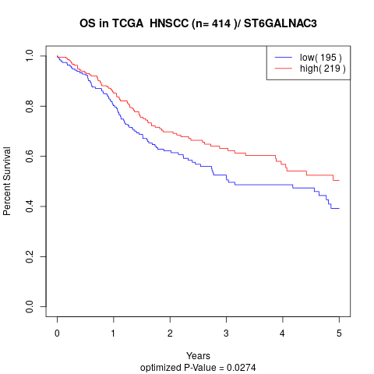

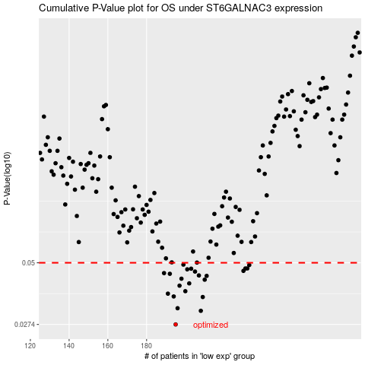

 |  |  |  |  |  | cases_OS | p_OS | rank | exp
 |  |  |  |  |  | 195 | 0.0274 | 311 | -0.34519793897
 |  |  |  |  |  | 208 | 0.0313 | 101 | -0.28018912114
 |  |  |  |  |  | 196 | 0.0321 | 14 | -0.34167557812
 |  |  |  |  |  | 209 | 0.0358 | 314 | -0.27665101203
 |  |  |  |  |  | 194 | 0.036 | 54 | -0.34537116983
 |  |  |  |  |  | 191 | 0.037 | 31 | -0.3578017965
 |  |  |  |  |  | 200 | 0.0379 | 116 | -0.32389054301
 |  |  |  |  |  | 197 | 0.04 | 313 | -0.33202714408
 |  |  |  |  |  | 202 | 0.0409 | 100 | -0.32008471348
 |  |  |  |  |  | 210 | 0.0424 | 94 | -0.27655127305
 |  |  |  |  |  | 198 | 0.0428 | 376 | -0.32760188298
 |  |  |  |  |  | 211 | 0.044 | 392 | -0.2678949794
 |  |  |  |  |  | 207 | 0.0442 | 398 | -0.28226264206
 |  |  |  |  |  | 192 | 0.0449 | 386 | -0.35000640773
 |  |  |  |  |  | 189 | 0.0452 | 91 | -0.37110382689
 |  |  |  |  |  | 205 | 0.0459 | 348 | -0.2964675727
 |  |  |  |  |  | 230 | 0.0462 | 173 | -0.19773123108
 |  |  |  |  |  | 201 | 0.0469 | 142 | -0.32220547918
 |  |  |  |  |  | 203 | 0.0472 | 17 | -0.30534434199
 |  |  |  |  |  | 232 | 0.0473 | 20 | -0.19295425884
 |  |  |  |  |  | 231 | 0.0473 | 333 | -0.1948545489
 |  |  |  |  |  | 233 | 0.0489 | 242 | -0.18904344091
 |  |  |  |  |  | 199 | 0.0491 | 339 | -0.32625278203
 |  |  |  |  |  |  | cases_RFS | p_RFS | rank | exp
 |  |  |  |  |  |  | 194 | 0.0274 | 54 | -0.34537116983
 |  |  |  |  |  |  | 207 | 0.0313 | 398 | -0.28226264206
 |  |  |  |  |  |  | 195 | 0.0321 | 311 | -0.34519793897
 |  |  |  |  |  |  | 208 | 0.0358 | 101 | -0.28018912114
 |  |  |  |  |  |  | 193 | 0.036 | 217 | -0.34674651789
 |  |  |  |  |  |  | 190 | 0.037 | 370 | -0.36048425014
 |  |  |  |  |  |  | 199 | 0.0379 | 339 | -0.32625278203
 |  |  |  |  |  |  | 196 | 0.04 | 14 | -0.34167557812
 |  |  |  |  |  |  | 201 | 0.0409 | 142 | -0.32220547918
 |  |  |  |  |  |  | 209 | 0.0424 | 314 | -0.27665101203
 |  |  |  |  |  |  | 197 | 0.0428 | 313 | -0.33202714408
 |  |  |  |  |  |  | 210 | 0.044 | 94 | -0.27655127305
 |  |  |  |  |  |  | 206 | 0.0442 | 366 | -0.28512357598
 |  |  |  |  |  |  | 191 | 0.0449 | 31 | -0.3578017965
 |  |  |  |  |  |  | 188 | 0.0452 | 208 | -0.37314060187
 |  |  |  |  |  |  | 204 | 0.0459 | 248 | -0.30092957974
 |  |  |  |  |  |  | 229 | 0.0462 | 114 | -0.20260269288
 |  |  |  |  |  |  | 200 | 0.0469 | 116 | -0.32389054301
 |  |  |  |  |  |  | 202 | 0.0472 | 100 | -0.32008471348
 |  |  |  |  |  |  | 230 | 0.0473 | 173 | -0.19773123108
 |  |  |  |  |  |  | 231 | 0.0473 | 333 | -0.1948545489
 |  |  |  |  |  |  | 232 | 0.0489 | 20 | -0.19295425884
 |  |  |  |  |  |  | 198 | 0.0491 | 376 | -0.32760188298

