ST6GALNAC4 _multivariate
Reported by Tex Li-Hsing Chi. tex@gate.sinica.edu.tw 2019-08-15

Table 2. The clinicopathological features of HNSCC cohort and ST6GALNAC4 expression. (Chi square test)
Cutoff at -0.177 (49.8%)
 |  | ST6GALNAC4 expression |  | ST6GALNAC4 expression |  | (Optimised)
 | Features | Low | (%) | High | (%) | Case no | P-value | Remark | Matthews
Gender | Female | 141 | 34 | 165 | 39.8 | 415 | 0.013 | 1 | 0
2 | Male | 66 | 15.9 | 43 | 10.4
Age at diagnosis | <=65y | 134 | 32.3 | 140 | 33.7 | 415 | 0.6529 | 0 | 0
4 | >65y | 73 | 17.6 | 68 | 16.4
Clinical T Status | T1+T2 | 75 | 18.1 | 74 | 17.8 | 415 | 0.9707 | 0 | 0
6 | T3+T4 | 132 | 31.8 | 134 | 32.3
Clinical N Status | N0 | 112 | 27 | 104 | 25.1 | 415 | 0.4599 | 0 | 0
8 | N1-3 | 95 | 22.9 | 104 | 25.1
Clinical M Status | M0 | 205 | 49.4 | 207 | 49.9 | 415 | 0.6232 | 0 | 0
10 | M1 | 2 | 0.5 | 1 | 0.2
Clinical Stage | Stage I+II | 52 | 12.5 | 50 | 12 | 415 | 0.8871 | 0 | 0
12 | Stage III+IV | 155 | 37.3 | 158 | 38.1
Surgical Margin status | Negative | 161 | 38.8 | 157 | 37.8 | 415 | 0.6429 | 0 | 0
14 | Positive | 46 | 11.1 | 51 | 12.3
Tobacco Exposure | Low | 94 | 22.7 | 67 | 16.1 | 415 | 0.0065 | 1 | 0
16 | High | 113 | 27.2 | 141 | 34

Table 3. Univariate/Multivariate Cox's proportional hazards regression analyses on OS time of ST6GALNAC4 gene expression in HNSCC

 |  | Univariate |  |  |  | Multivariate
 | Features | HR | CI95%(L) | CI95%(H) | P-value | HR | CI95%(L) | CI95%(H) | P-value
1 | Female | 1 |  |  |  | 1
Gender | Male | 1.157 | 0.843 | 1.587 | 0.367 | 1.221 | 0.872 | 1.711 | 0.245
11 | <=65y | 1 |  |  |  | 1
Age at diagnosis | >65y | 1.329 | 0.99 | 1.784 | 0.058 | 1.386 | 1.019 | 1.885 | 0.038
12 | T1+T2 | 1 |  |  |  | 1
Clinical T Status | T3+T4 | 1.409 | 1.028 | 1.931 | 0.033 | 2.202 | 1.165 | 4.162 | 0.015
13 | N0 | 1 |  |  |  | 1
Clinical N Status | N1-3 | 1.185 | 0.89 | 1.577 | 0.246 | 1.234 | 0.864 | 1.762 | 0.247
14 | M0 | 1 |  |  |  | 1
Clinical M Status | M1 | 4.097 | 1.009 | 16.644 | 0.049 | 9.531 | 2.078 | 43.711 | 0.004
15 | Stage I+II | 1 |  |  |  | 1
Clinical Stage | Stage III+IV | 1.245 | 0.882 | 1.759 | 0.213 | 0.506 | 0.236 | 1.086 | 0.08
16 | Negative | 1 |  |  |  | 1
Surgical Margin status | Positive | 1.591 | 1.155 | 2.191 | 0.004 | 1.661 | 1.201 | 2.296 | 0.002
17 | Low | 1 |  |  |  | 1
Tobacco Exposure | High | 1.364 | 1.008 | 1.844 | 0.044 | 1.436 | 1.041 | 1.982 | 0.028
18 | Low | 1 |  |  |  | 1
RNAseq(z-score) | High | 1.143 | 0.858 | 1.523 | 0.362 | 1.114 | 0.83 | 1.495 | 0.471

Table 4. Univariate/Multivariate Cox's proportional hazards regression analyses on RFS time of ST6GALNAC4 gene expression in HNSCC

 |  | Univariate |  |  |  | Multivariate
 | Features | HR | CI95%(L) | CI95%(H) | P-value | HR | CI95%(L) | CI95%(H) | P-value
1 | Female | 1 |  |  |  | 1
Gender | Male | 1.157 | 0.843 | 1.587 | 0.367 | 1.221 | 0.872 | 1.711 | 0.245
11 | <=65y | 1 |  |  |  | 1
Age at diagnosis | >65y | 1.329 | 0.99 | 1.784 | 0.058 | 1.386 | 1.019 | 1.885 | 0.038
12 | T1+T2 | 1 |  |  |  | 1
Clinical T Status | T3+T4 | 1.409 | 1.028 | 1.931 | 0.033 | 2.202 | 1.165 | 4.162 | 0.015
13 | N0 | 1 |  |  |  | 1
Clinical N Status | N1-3 | 1.185 | 0.89 | 1.577 | 0.246 | 1.234 | 0.864 | 1.762 | 0.247
14 | M0 | 1 |  |  |  | 1
Clinical M Status | M1 | 4.097 | 1.009 | 16.644 | 0.049 | 9.531 | 2.078 | 43.711 | 0.004
15 | Stage I+II | 1 |  |  |  | 1
Clinical Stage | Stage III+IV | 1.245 | 0.882 | 1.759 | 0.213 | 0.506 | 0.236 | 1.086 | 0.08
16 | Negative | 1 |  |  |  | 1
Surgical Margin status | Positive | 1.591 | 1.155 | 2.191 | 0.004 | 1.661 | 1.201 | 2.296 | 0.002
17 | Low | 1 |  |  |  | 1
Tobacco Exposure | High | 1.364 | 1.008 | 1.844 | 0.044 | 1.436 | 1.041 | 1.982 | 0.028
18 | Low | 1 |  |  |  | 1
RNAseq(z-score) | High | 1.143 | 0.858 | 1.523 | 0.362 | 1.114 | 0.83 | 1.495 | 0.471

Kaplan-Meier survival estimate: Cutoff at -0.177 (49.8%)

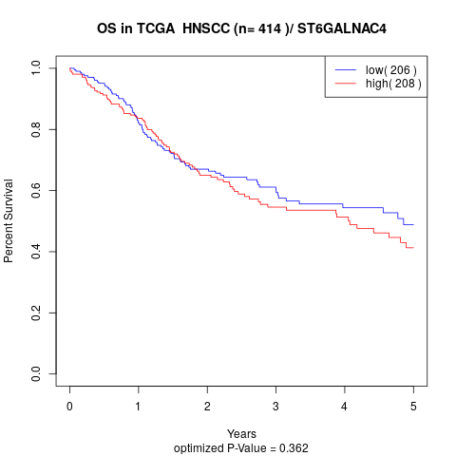

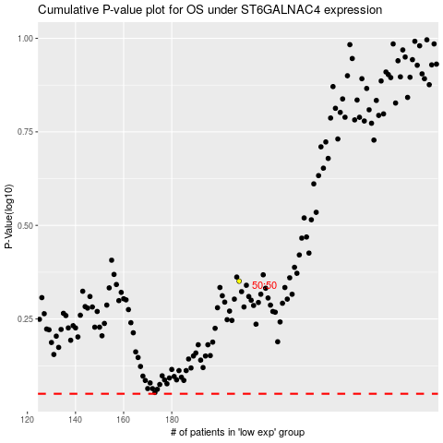

 |  |  |  |  |  | cases_OS | p_OS | rank | exp
 |  |  |  |  |  |  | cases_RFS | p_RFS | rank | exp

