ST6GALNAC5 _multivariate
Reported by Tex Li-Hsing Chi. tex@gate.sinica.edu.tw 2019-08-15

Table 2. The clinicopathological features of HNSCC cohort and ST6GALNAC5 expression. (Chi square test)
Cutoff at -0.294 (49.8%)
 |  | ST6GALNAC5 expression |  | ST6GALNAC5 expression |  | (Optimised)
 | Features | Low | (%) | High | (%) | Case no | P-value | Remark | Matthews
Gender | Female | 151 | 36.4 | 155 | 37.3 | 415 | 0.8007 | 0 | 0
2 | Male | 56 | 13.5 | 53 | 12.8
Age at diagnosis | <=65y | 134 | 32.3 | 140 | 33.7 | 415 | 0.6529 | 0 | 0
4 | >65y | 73 | 17.6 | 68 | 16.4
Clinical T Status | T1+T2 | 78 | 18.8 | 71 | 17.1 | 415 | 0.5152 | 0 | 0
6 | T3+T4 | 129 | 31.1 | 137 | 33
Clinical N Status | N0 | 113 | 27.2 | 103 | 24.8 | 415 | 0.3495 | 1 | 0
8 | N1-3 | 94 | 22.7 | 105 | 25.3
Clinical M Status | M0 | 206 | 49.6 | 206 | 49.6 | 415 | 1 | 0 | 0
10 | M1 | 1 | 0.2 | 2 | 0.5
Clinical Stage | Stage I+II | 56 | 13.5 | 46 | 11.1 | 415 | 0.2918 | 0 | 0
12 | Stage III+IV | 151 | 36.4 | 162 | 39
Surgical Margin status | Negative | 148 | 35.7 | 170 | 41 | 415 | 0.015 | 1 | 0
14 | Positive | 59 | 14.2 | 38 | 9.2
Tobacco Exposure | Low | 94 | 22.7 | 67 | 16.1 | 415 | 0.0065 | 1 | 0
16 | High | 113 | 27.2 | 141 | 34

Table 3. Univariate/Multivariate Cox's proportional hazards regression analyses on OS time of ST6GALNAC5 gene expression in HNSCC

 |  | Univariate |  |  |  | Multivariate
 | Features | HR | CI95%(L) | CI95%(H) | P-value | HR | CI95%(L) | CI95%(H) | P-value
1 | Female | 1 |  |  |  | 1
Gender | Male | 1.157 | 0.843 | 1.587 | 0.367 | 1.213 | 0.867 | 1.697 | 0.261
11 | <=65y | 1 |  |  |  | 1
Age at diagnosis | >65y | 1.329 | 0.99 | 1.784 | 0.058 | 1.386 | 1.019 | 1.885 | 0.038
12 | T1+T2 | 1 |  |  |  | 1
Clinical T Status | T3+T4 | 1.409 | 1.028 | 1.931 | 0.033 | 2.204 | 1.165 | 4.169 | 0.015
13 | N0 | 1 |  |  |  | 1
Clinical N Status | N1-3 | 1.185 | 0.89 | 1.577 | 0.246 | 1.246 | 0.873 | 1.779 | 0.225
14 | M0 | 1 |  |  |  | 1
Clinical M Status | M1 | 4.097 | 1.009 | 16.644 | 0.049 | 9.725 | 2.116 | 44.699 | 0.003
15 | Stage I+II | 1 |  |  |  | 1
Clinical Stage | Stage III+IV | 1.245 | 0.882 | 1.759 | 0.213 | 0.503 | 0.234 | 1.079 | 0.078
16 | Negative | 1 |  |  |  | 1
Surgical Margin status | Positive | 1.591 | 1.155 | 2.191 | 0.004 | 1.649 | 1.191 | 2.283 | 0.003
17 | Low | 1 |  |  |  | 1
Tobacco Exposure | High | 1.364 | 1.008 | 1.844 | 0.044 | 1.467 | 1.063 | 2.024 | 0.02
18 | Low | 1 |  |  |  | 1
RNAseq(z-score) | High | 0.895 | 0.671 | 1.194 | 0.45 | 0.895 | 0.668 | 1.198 | 0.456

Table 4. Univariate/Multivariate Cox's proportional hazards regression analyses on RFS time of ST6GALNAC5 gene expression in HNSCC

 |  | Univariate |  |  |  | Multivariate
 | Features | HR | CI95%(L) | CI95%(H) | P-value | HR | CI95%(L) | CI95%(H) | P-value
1 | Female | 1 |  |  |  | 1
Gender | Male | 1.157 | 0.843 | 1.587 | 0.367 | 1.213 | 0.867 | 1.697 | 0.261
11 | <=65y | 1 |  |  |  | 1
Age at diagnosis | >65y | 1.329 | 0.99 | 1.784 | 0.058 | 1.386 | 1.019 | 1.885 | 0.038
12 | T1+T2 | 1 |  |  |  | 1
Clinical T Status | T3+T4 | 1.409 | 1.028 | 1.931 | 0.033 | 2.204 | 1.165 | 4.169 | 0.015
13 | N0 | 1 |  |  |  | 1
Clinical N Status | N1-3 | 1.185 | 0.89 | 1.577 | 0.246 | 1.246 | 0.873 | 1.779 | 0.225
14 | M0 | 1 |  |  |  | 1
Clinical M Status | M1 | 4.097 | 1.009 | 16.644 | 0.049 | 9.725 | 2.116 | 44.699 | 0.003
15 | Stage I+II | 1 |  |  |  | 1
Clinical Stage | Stage III+IV | 1.245 | 0.882 | 1.759 | 0.213 | 0.503 | 0.234 | 1.079 | 0.078
16 | Negative | 1 |  |  |  | 1
Surgical Margin status | Positive | 1.591 | 1.155 | 2.191 | 0.004 | 1.649 | 1.191 | 2.283 | 0.003
17 | Low | 1 |  |  |  | 1
Tobacco Exposure | High | 1.364 | 1.008 | 1.844 | 0.044 | 1.467 | 1.063 | 2.024 | 0.02
18 | Low | 1 |  |  |  | 1
RNAseq(z-score) | High | 0.895 | 0.671 | 1.194 | 0.45 | 0.895 | 0.668 | 1.198 | 0.456

Kaplan-Meier survival estimate: Cutoff at -0.294 (49.8%)

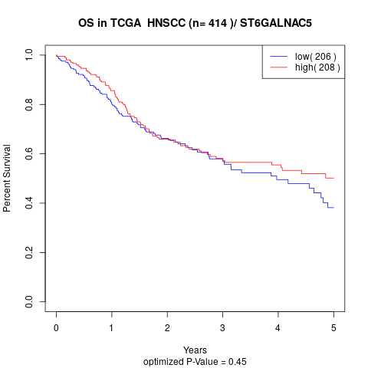

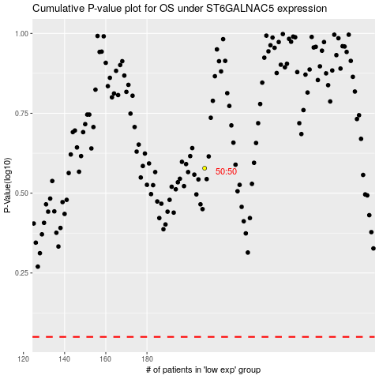

 |  |  |  |  |  | cases_OS | p_OS | rank | exp
 |  |  |  |  |  |  | cases_RFS | p_RFS | rank | exp

