ST7L _multivariate
Reported by Tex Li-Hsing Chi. tex@gate.sinica.edu.tw 2019-08-15

Table 2. The clinicopathological features of HNSCC cohort and ST7L expression. (Chi square test)
Cutoff at -0.236 (50.0%)
 |  | ST7L expression |  | ST7L expression |  | (Optimised)
 | Features | Low | (%) | High | (%) | Case no | P-value | Remark | Matthews
Gender | Female | 146 | 35.2 | 160 | 38.6 | 415 | 0.1714 | 0 | 0
2 | Male | 61 | 14.7 | 48 | 11.6
Age at diagnosis | <=65y | 133 | 32 | 141 | 34 | 415 | 0.5111 | 0 | 0
4 | >65y | 74 | 17.8 | 67 | 16.1
Clinical T Status | T1+T2 | 74 | 17.8 | 75 | 18.1 | 415 | 1 | 0 | 0
6 | T3+T4 | 133 | 32 | 133 | 32
Clinical N Status | N0 | 106 | 25.5 | 110 | 26.5 | 415 | 0.8075 | 0 | 0
8 | N1-3 | 101 | 24.3 | 98 | 23.6
Clinical M Status | M0 | 204 | 49.2 | 208 | 50.1 | 415 | 0.1232 | 0 | 0
10 | M1 | 3 | 0.7 | 0 | 0
Clinical Stage | Stage I+II | 52 | 12.5 | 50 | 12 | 415 | 0.8871 | 0 | 0
12 | Stage III+IV | 155 | 37.3 | 158 | 38.1
Surgical Margin status | Negative | 164 | 39.5 | 154 | 37.1 | 415 | 0.2462 | 0 | 0
14 | Positive | 43 | 10.4 | 54 | 13
Tobacco Exposure | Low | 93 | 22.4 | 68 | 16.4 | 415 | 0.0118 | 1 | 0
16 | High | 114 | 27.5 | 140 | 33.7

Table 3. Univariate/Multivariate Cox's proportional hazards regression analyses on OS time of ST7L gene expression in HNSCC

 |  | Univariate |  |  |  | Multivariate
 | Features | HR | CI95%(L) | CI95%(H) | P-value | HR | CI95%(L) | CI95%(H) | P-value
1 | Female | 1 |  |  |  | 1
Gender | Male | 1.157 | 0.843 | 1.587 | 0.367 | 1.188 | 0.848 | 1.663 | 0.316
11 | <=65y | 1 |  |  |  | 1
Age at diagnosis | >65y | 1.329 | 0.99 | 1.784 | 0.058 | 1.391 | 1.023 | 1.891 | 0.035
12 | T1+T2 | 1 |  |  |  | 1
Clinical T Status | T3+T4 | 1.409 | 1.028 | 1.931 | 0.033 | 2.183 | 1.154 | 4.13 | 0.016
13 | N0 | 1 |  |  |  | 1
Clinical N Status | N1-3 | 1.185 | 0.89 | 1.577 | 0.246 | 1.229 | 0.86 | 1.755 | 0.257
14 | M0 | 1 |  |  |  | 1
Clinical M Status | M1 | 4.097 | 1.009 | 16.644 | 0.049 | 8.856 | 1.914 | 40.974 | 0.005
15 | Stage I+II | 1 |  |  |  | 1
Clinical Stage | Stage III+IV | 1.245 | 0.882 | 1.759 | 0.213 | 0.516 | 0.24 | 1.111 | 0.091
16 | Negative | 1 |  |  |  | 1
Surgical Margin status | Positive | 1.591 | 1.155 | 2.191 | 0.004 | 1.683 | 1.217 | 2.326 | 0.002
17 | Low | 1 |  |  |  | 1
Tobacco Exposure | High | 1.364 | 1.008 | 1.844 | 0.044 | 1.478 | 1.068 | 2.045 | 0.018
18 | Low | 1 |  |  |  | 1
RNAseq(z-score) | High | 0.916 | 0.687 | 1.222 | 0.552 | 0.901 | 0.668 | 1.215 | 0.494

Table 4. Univariate/Multivariate Cox's proportional hazards regression analyses on RFS time of ST7L gene expression in HNSCC

 |  | Univariate |  |  |  | Multivariate
 | Features | HR | CI95%(L) | CI95%(H) | P-value | HR | CI95%(L) | CI95%(H) | P-value
1 | Female | 1 |  |  |  | 1
Gender | Male | 1.157 | 0.843 | 1.587 | 0.367 | 1.188 | 0.848 | 1.663 | 0.316
11 | <=65y | 1 |  |  |  | 1
Age at diagnosis | >65y | 1.329 | 0.99 | 1.784 | 0.058 | 1.391 | 1.023 | 1.891 | 0.035
12 | T1+T2 | 1 |  |  |  | 1
Clinical T Status | T3+T4 | 1.409 | 1.028 | 1.931 | 0.033 | 2.183 | 1.154 | 4.13 | 0.016
13 | N0 | 1 |  |  |  | 1
Clinical N Status | N1-3 | 1.185 | 0.89 | 1.577 | 0.246 | 1.229 | 0.86 | 1.755 | 0.257
14 | M0 | 1 |  |  |  | 1
Clinical M Status | M1 | 4.097 | 1.009 | 16.644 | 0.049 | 8.856 | 1.914 | 40.974 | 0.005
15 | Stage I+II | 1 |  |  |  | 1
Clinical Stage | Stage III+IV | 1.245 | 0.882 | 1.759 | 0.213 | 0.516 | 0.24 | 1.111 | 0.091
16 | Negative | 1 |  |  |  | 1
Surgical Margin status | Positive | 1.591 | 1.155 | 2.191 | 0.004 | 1.683 | 1.217 | 2.326 | 0.002
17 | Low | 1 |  |  |  | 1
Tobacco Exposure | High | 1.364 | 1.008 | 1.844 | 0.044 | 1.478 | 1.068 | 2.045 | 0.018
18 | Low | 1 |  |  |  | 1
RNAseq(z-score) | High | 0.916 | 0.687 | 1.222 | 0.552 | 0.901 | 0.668 | 1.215 | 0.494

Kaplan-Meier survival estimate: Cutoff at -0.236 (50.0%)



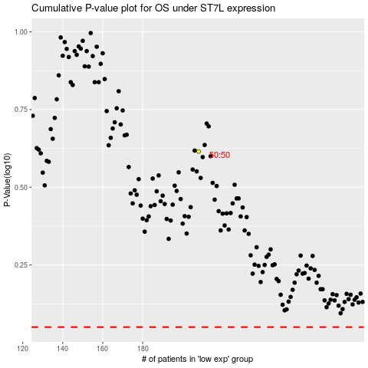

 |  |  |  |  |  | cases_OS | p_OS | rank | exp
 |  |  |  |  |  |  | cases_RFS | p_RFS | rank | exp

