ST7OT1 _multivariate
Reported by Tex Li-Hsing Chi. tex@gate.sinica.edu.tw 2019-08-15

Table 2. The clinicopathological features of HNSCC cohort and ST7OT1 expression. (Chi square test)
Cutoff at -0.223 (50.0%)
 |  | ST7OT1 expression |  | ST7OT1 expression |  | (Optimised)
 | Features | Low | (%) | High | (%) | Case no | P-value | Remark | Matthews
Gender | Female | 161 | 38.8 | 145 | 34.9 | 415 | 0.0792 | 0 | 0
2 | Male | 46 | 11.1 | 63 | 15.2
Age at diagnosis | <=65y | 143 | 34.5 | 131 | 31.6 | 415 | 0.2269 | 0 | 0
4 | >65y | 64 | 15.4 | 77 | 18.6
Clinical T Status | T1+T2 | 84 | 20.2 | 65 | 15.7 | 415 | 0.0603 | 0 | 0
6 | T3+T4 | 123 | 29.6 | 143 | 34.5
Clinical N Status | N0 | 101 | 24.3 | 115 | 27.7 | 415 | 0.2201 | 0 | 0
8 | N1-3 | 106 | 25.5 | 93 | 22.4
Clinical M Status | M0 | 205 | 49.4 | 207 | 49.9 | 415 | 0.6232 | 0 | 0
10 | M1 | 2 | 0.5 | 1 | 0.2
Clinical Stage | Stage I+II | 57 | 13.7 | 45 | 10.8 | 415 | 0.1998 | 0 | 0
12 | Stage III+IV | 150 | 36.1 | 163 | 39.3
Surgical Margin status | Negative | 164 | 39.5 | 154 | 37.1 | 415 | 0.2462 | 0 | 0
14 | Positive | 43 | 10.4 | 54 | 13
Tobacco Exposure | Low | 83 | 20 | 78 | 18.8 | 415 | 0.6152 | 0 | 0
16 | High | 124 | 29.9 | 130 | 31.3

Table 3. Univariate/Multivariate Cox's proportional hazards regression analyses on OS time of ST7OT1 gene expression in HNSCC

 |  | Univariate |  |  |  | Multivariate
 | Features | HR | CI95%(L) | CI95%(H) | P-value | HR | CI95%(L) | CI95%(H) | P-value
1 | Female | 1 |  |  |  | 1
Gender | Male | 1.157 | 0.843 | 1.587 | 0.367 | 1.265 | 0.903 | 1.772 | 0.172
11 | <=65y | 1 |  |  |  | 1
Age at diagnosis | >65y | 1.329 | 0.99 | 1.784 | 0.058 | 1.444 | 1.061 | 1.967 | 0.02
12 | T1+T2 | 1 |  |  |  | 1
Clinical T Status | T3+T4 | 1.409 | 1.028 | 1.931 | 0.033 | 2.306 | 1.218 | 4.365 | 0.01
13 | N0 | 1 |  |  |  | 1
Clinical N Status | N1-3 | 1.185 | 0.89 | 1.577 | 0.246 | 1.227 | 0.861 | 1.748 | 0.258
14 | M0 | 1 |  |  |  | 1
Clinical M Status | M1 | 4.097 | 1.009 | 16.644 | 0.049 | 9.217 | 2.009 | 42.276 | 0.004
15 | Stage I+II | 1 |  |  |  | 1
Clinical Stage | Stage III+IV | 1.245 | 0.882 | 1.759 | 0.213 | 0.497 | 0.232 | 1.066 | 0.072
16 | Negative | 1 |  |  |  | 1
Surgical Margin status | Positive | 1.591 | 1.155 | 2.191 | 0.004 | 1.734 | 1.252 | 2.401 | 0.001
17 | Low | 1 |  |  |  | 1
Tobacco Exposure | High | 1.364 | 1.008 | 1.844 | 0.044 | 1.487 | 1.077 | 2.052 | 0.016
18 | Low | 1 |  |  |  | 1
RNAseq(z-score) | High | 0.865 | 0.649 | 1.154 | 0.325 | 0.739 | 0.548 | 0.996 | 0.047

Table 4. Univariate/Multivariate Cox's proportional hazards regression analyses on RFS time of ST7OT1 gene expression in HNSCC

 |  | Univariate |  |  |  | Multivariate
 | Features | HR | CI95%(L) | CI95%(H) | P-value | HR | CI95%(L) | CI95%(H) | P-value
1 | Female | 1 |  |  |  | 1
Gender | Male | 1.157 | 0.843 | 1.587 | 0.367 | 1.265 | 0.903 | 1.772 | 0.172
11 | <=65y | 1 |  |  |  | 1
Age at diagnosis | >65y | 1.329 | 0.99 | 1.784 | 0.058 | 1.444 | 1.061 | 1.967 | 0.02
12 | T1+T2 | 1 |  |  |  | 1
Clinical T Status | T3+T4 | 1.409 | 1.028 | 1.931 | 0.033 | 2.306 | 1.218 | 4.365 | 0.01
13 | N0 | 1 |  |  |  | 1
Clinical N Status | N1-3 | 1.185 | 0.89 | 1.577 | 0.246 | 1.227 | 0.861 | 1.748 | 0.258
14 | M0 | 1 |  |  |  | 1
Clinical M Status | M1 | 4.097 | 1.009 | 16.644 | 0.049 | 9.217 | 2.009 | 42.276 | 0.004
15 | Stage I+II | 1 |  |  |  | 1
Clinical Stage | Stage III+IV | 1.245 | 0.882 | 1.759 | 0.213 | 0.497 | 0.232 | 1.066 | 0.072
16 | Negative | 1 |  |  |  | 1
Surgical Margin status | Positive | 1.591 | 1.155 | 2.191 | 0.004 | 1.734 | 1.252 | 2.401 | 0.001
17 | Low | 1 |  |  |  | 1
Tobacco Exposure | High | 1.364 | 1.008 | 1.844 | 0.044 | 1.487 | 1.077 | 2.052 | 0.016
18 | Low | 1 |  |  |  | 1
RNAseq(z-score) | High | 0.865 | 0.649 | 1.154 | 0.325 | 0.739 | 0.548 | 0.996 | 0.047

Kaplan-Meier survival estimate: Cutoff at -0.223 (50.0%)



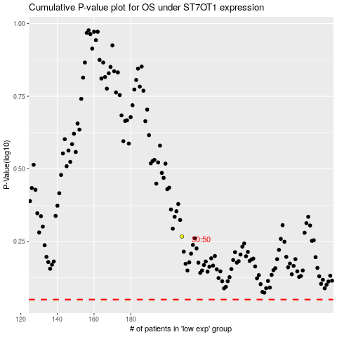

 |  |  |  |  |  | cases_OS | p_OS | rank | exp
 |  |  |  |  |  |  | cases_RFS | p_RFS | rank | exp

