ST8SIA5 _multivariate
Reported by Tex Li-Hsing Chi. tex@gate.sinica.edu.tw 2019-08-15

Table 2. The clinicopathological features of HNSCC cohort and ST8SIA5 expression. (Chi square test)
Cutoff at -0.32 (50.0%)
 |  | ST8SIA5 expression |  | ST8SIA5 expression |  | (Optimised)
 | Features | Low | (%) | High | (%) | Case no | P-value | Remark | Matthews
Gender | Female | 153 | 36.9 | 153 | 36.9 | 415 | 1 | 0 | 0
2 | Male | 54 | 13 | 55 | 13.3
Age at diagnosis | <=65y | 130 | 31.3 | 144 | 34.7 | 415 | 0.2009 | 0 | 0
4 | >65y | 77 | 18.6 | 64 | 15.4
Clinical T Status | T1+T2 | 72 | 17.3 | 77 | 18.6 | 415 | 0.7095 | 0 | 0
6 | T3+T4 | 135 | 32.5 | 131 | 31.6
Clinical N Status | N0 | 108 | 26 | 108 | 26 | 415 | 1 | 0 | 0
8 | N1-3 | 99 | 23.9 | 100 | 24.1
Clinical M Status | M0 | 204 | 49.2 | 208 | 50.1 | 415 | 0.1232 | 0 | 0
10 | M1 | 3 | 0.7 | 0 | 0
Clinical Stage | Stage I+II | 50 | 12 | 52 | 12.5 | 415 | 0.9315 | 0 | 0
12 | Stage III+IV | 157 | 37.8 | 156 | 37.6
Surgical Margin status | Negative | 155 | 37.3 | 163 | 39.3 | 415 | 0.4187 | 0 | 0
14 | Positive | 52 | 12.5 | 45 | 10.8
Tobacco Exposure | Low | 82 | 19.8 | 79 | 19 | 415 | 0.763 | 0 | 0
16 | High | 125 | 30.1 | 129 | 31.1

Table 3. Univariate/Multivariate Cox's proportional hazards regression analyses on OS time of ST8SIA5 gene expression in HNSCC

 |  | Univariate |  |  |  | Multivariate
 | Features | HR | CI95%(L) | CI95%(H) | P-value | HR | CI95%(L) | CI95%(H) | P-value
1 | Female | 1 |  |  |  | 1
Gender | Male | 1.157 | 0.843 | 1.587 | 0.367 | 1.186 | 0.848 | 1.658 | 0.319
11 | <=65y | 1 |  |  |  | 1
Age at diagnosis | >65y | 1.329 | 0.99 | 1.784 | 0.058 | 1.399 | 1.029 | 1.904 | 0.032
12 | T1+T2 | 1 |  |  |  | 1
Clinical T Status | T3+T4 | 1.409 | 1.028 | 1.931 | 0.033 | 2.212 | 1.17 | 4.185 | 0.015
13 | N0 | 1 |  |  |  | 1
Clinical N Status | N1-3 | 1.185 | 0.89 | 1.577 | 0.246 | 1.259 | 0.881 | 1.798 | 0.206
14 | M0 | 1 |  |  |  | 1
Clinical M Status | M1 | 4.097 | 1.009 | 16.644 | 0.049 | 10.128 | 2.194 | 46.75 | 0.003
15 | Stage I+II | 1 |  |  |  | 1
Clinical Stage | Stage III+IV | 1.245 | 0.882 | 1.759 | 0.213 | 0.496 | 0.231 | 1.066 | 0.072
16 | Negative | 1 |  |  |  | 1
Surgical Margin status | Positive | 1.591 | 1.155 | 2.191 | 0.004 | 1.667 | 1.206 | 2.303 | 0.002
17 | Low | 1 |  |  |  | 1
Tobacco Exposure | High | 1.364 | 1.008 | 1.844 | 0.044 | 1.439 | 1.045 | 1.983 | 0.026
18 | Low | 1 |  |  |  | 1
RNAseq(z-score) | High | 1.168 | 0.877 | 1.557 | 0.288 | 1.165 | 0.871 | 1.56 | 0.303

Table 4. Univariate/Multivariate Cox's proportional hazards regression analyses on RFS time of ST8SIA5 gene expression in HNSCC

 |  | Univariate |  |  |  | Multivariate
 | Features | HR | CI95%(L) | CI95%(H) | P-value | HR | CI95%(L) | CI95%(H) | P-value
1 | Female | 1 |  |  |  | 1
Gender | Male | 1.157 | 0.843 | 1.587 | 0.367 | 1.186 | 0.848 | 1.658 | 0.319
11 | <=65y | 1 |  |  |  | 1
Age at diagnosis | >65y | 1.329 | 0.99 | 1.784 | 0.058 | 1.399 | 1.029 | 1.904 | 0.032
12 | T1+T2 | 1 |  |  |  | 1
Clinical T Status | T3+T4 | 1.409 | 1.028 | 1.931 | 0.033 | 2.212 | 1.17 | 4.185 | 0.015
13 | N0 | 1 |  |  |  | 1
Clinical N Status | N1-3 | 1.185 | 0.89 | 1.577 | 0.246 | 1.259 | 0.881 | 1.798 | 0.206
14 | M0 | 1 |  |  |  | 1
Clinical M Status | M1 | 4.097 | 1.009 | 16.644 | 0.049 | 10.128 | 2.194 | 46.75 | 0.003
15 | Stage I+II | 1 |  |  |  | 1
Clinical Stage | Stage III+IV | 1.245 | 0.882 | 1.759 | 0.213 | 0.496 | 0.231 | 1.066 | 0.072
16 | Negative | 1 |  |  |  | 1
Surgical Margin status | Positive | 1.591 | 1.155 | 2.191 | 0.004 | 1.667 | 1.206 | 2.303 | 0.002
17 | Low | 1 |  |  |  | 1
Tobacco Exposure | High | 1.364 | 1.008 | 1.844 | 0.044 | 1.439 | 1.045 | 1.983 | 0.026
18 | Low | 1 |  |  |  | 1
RNAseq(z-score) | High | 1.168 | 0.877 | 1.557 | 0.288 | 1.165 | 0.871 | 1.56 | 0.303

Kaplan-Meier survival estimate: Cutoff at -0.32 (50.0%)



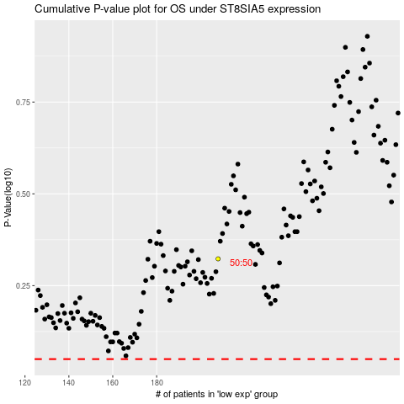

 |  |  |  |  |  | cases_OS | p_OS | rank | exp
 |  |  |  |  |  |  | cases_RFS | p_RFS | rank | exp

