ST8SIA6 _multivariate
Reported by Tex Li-Hsing Chi. tex@gate.sinica.edu.tw 2019-08-15

Table 2. The clinicopathological features of HNSCC cohort and ST8SIA6 expression. (Chi square test)
Cutoff at -0.371 (50.0%)
 |  | ST8SIA6 expression |  | ST8SIA6 expression |  | (Optimised)
 | Features | Low | (%) | High | (%) | Case no | P-value | Remark | Matthews
Gender | Female | 161 | 38.8 | 145 | 34.9 | 415 | 0.0792 | 0 | 0
2 | Male | 46 | 11.1 | 63 | 15.2
Age at diagnosis | <=65y | 141 | 34 | 133 | 32 | 415 | 0.4272 | 0 | 0
4 | >65y | 66 | 15.9 | 75 | 18.1
Clinical T Status | T1+T2 | 67 | 16.1 | 82 | 19.8 | 415 | 0.1628 | 0 | 0
6 | T3+T4 | 140 | 33.7 | 126 | 30.4
Clinical N Status | N0 | 98 | 23.6 | 118 | 28.4 | 415 | 0.0694 | 0 | 0
8 | N1-3 | 109 | 26.3 | 90 | 21.7
Clinical M Status | M0 | 204 | 49.2 | 208 | 50.1 | 415 | 0.1232 | 0 | 0
10 | M1 | 3 | 0.7 | 0 | 0
Clinical Stage | Stage I+II | 45 | 10.8 | 57 | 13.7 | 415 | 0.2202 | 0 | 0
12 | Stage III+IV | 162 | 39 | 151 | 36.4
Surgical Margin status | Negative | 156 | 37.6 | 162 | 39 | 415 | 0.5636 | 0 | 0
14 | Positive | 51 | 12.3 | 46 | 11.1
Tobacco Exposure | Low | 84 | 20.2 | 77 | 18.6 | 415 | 0.4816 | 0 | 0
16 | High | 123 | 29.6 | 131 | 31.6

Table 3. Univariate/Multivariate Cox's proportional hazards regression analyses on OS time of ST8SIA6 gene expression in HNSCC

 |  | Univariate |  |  |  | Multivariate
 | Features | HR | CI95%(L) | CI95%(H) | P-value | HR | CI95%(L) | CI95%(H) | P-value
1 | Female | 1 |  |  |  | 1
Gender | Male | 1.157 | 0.843 | 1.587 | 0.367 | 1.199 | 0.858 | 1.675 | 0.288
11 | <=65y | 1 |  |  |  | 1
Age at diagnosis | >65y | 1.329 | 0.99 | 1.784 | 0.058 | 1.386 | 1.019 | 1.887 | 0.038
12 | T1+T2 | 1 |  |  |  | 1
Clinical T Status | T3+T4 | 1.409 | 1.028 | 1.931 | 0.033 | 2.226 | 1.172 | 4.228 | 0.015
13 | N0 | 1 |  |  |  | 1
Clinical N Status | N1-3 | 1.185 | 0.89 | 1.577 | 0.246 | 1.251 | 0.873 | 1.793 | 0.223
14 | M0 | 1 |  |  |  | 1
Clinical M Status | M1 | 4.097 | 1.009 | 16.644 | 0.049 | 9.658 | 2.082 | 44.8 | 0.004
15 | Stage I+II | 1 |  |  |  | 1
Clinical Stage | Stage III+IV | 1.245 | 0.882 | 1.759 | 0.213 | 0.498 | 0.23 | 1.075 | 0.076
16 | Negative | 1 |  |  |  | 1
Surgical Margin status | Positive | 1.591 | 1.155 | 2.191 | 0.004 | 1.677 | 1.213 | 2.32 | 0.002
17 | Low | 1 |  |  |  | 1
Tobacco Exposure | High | 1.364 | 1.008 | 1.844 | 0.044 | 1.451 | 1.053 | 2 | 0.023
18 | Low | 1 |  |  |  | 1
RNAseq(z-score) | High | 0.979 | 0.735 | 1.304 | 0.883 | 1.043 | 0.775 | 1.403 | 0.783

Table 4. Univariate/Multivariate Cox's proportional hazards regression analyses on RFS time of ST8SIA6 gene expression in HNSCC

 |  | Univariate |  |  |  | Multivariate
 | Features | HR | CI95%(L) | CI95%(H) | P-value | HR | CI95%(L) | CI95%(H) | P-value
1 | Female | 1 |  |  |  | 1
Gender | Male | 1.157 | 0.843 | 1.587 | 0.367 | 1.199 | 0.858 | 1.675 | 0.288
11 | <=65y | 1 |  |  |  | 1
Age at diagnosis | >65y | 1.329 | 0.99 | 1.784 | 0.058 | 1.386 | 1.019 | 1.887 | 0.038
12 | T1+T2 | 1 |  |  |  | 1
Clinical T Status | T3+T4 | 1.409 | 1.028 | 1.931 | 0.033 | 2.226 | 1.172 | 4.228 | 0.015
13 | N0 | 1 |  |  |  | 1
Clinical N Status | N1-3 | 1.185 | 0.89 | 1.577 | 0.246 | 1.251 | 0.873 | 1.793 | 0.223
14 | M0 | 1 |  |  |  | 1
Clinical M Status | M1 | 4.097 | 1.009 | 16.644 | 0.049 | 9.658 | 2.082 | 44.8 | 0.004
15 | Stage I+II | 1 |  |  |  | 1
Clinical Stage | Stage III+IV | 1.245 | 0.882 | 1.759 | 0.213 | 0.498 | 0.23 | 1.075 | 0.076
16 | Negative | 1 |  |  |  | 1
Surgical Margin status | Positive | 1.591 | 1.155 | 2.191 | 0.004 | 1.677 | 1.213 | 2.32 | 0.002
17 | Low | 1 |  |  |  | 1
Tobacco Exposure | High | 1.364 | 1.008 | 1.844 | 0.044 | 1.451 | 1.053 | 2 | 0.023
18 | Low | 1 |  |  |  | 1
RNAseq(z-score) | High | 0.979 | 0.735 | 1.304 | 0.883 | 1.043 | 0.775 | 1.403 | 0.783

Kaplan-Meier survival estimate: Cutoff at -0.371 (50.0%)



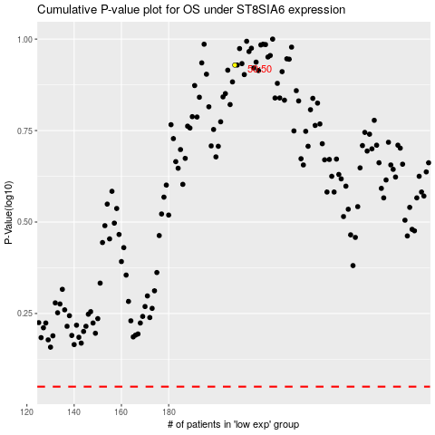

 |  |  |  |  |  | cases_OS | p_OS | rank | exp
 |  |  |  |  |  |  | cases_RFS | p_RFS | rank | exp

