STAB1 _multivariate
Reported by Tex Li-Hsing Chi. tex@gate.sinica.edu.tw 2019-08-15

Table 2. The clinicopathological features of HNSCC cohort and STAB1 expression. (Chi square test)
Cutoff at -0.428 (36.7%)
 |  | STAB1 expression |  | STAB1 expression |  | (Optimised)
 | Features | Low | (%) | High | (%) | Case no | P-value | Remark | Matthews
Gender | Female | 116 | 28 | 190 | 45.8 | 415 | 0.5347 | 0 | 0
2 | Male | 37 | 8.9 | 72 | 17.3
Age at diagnosis | <=65y | 102 | 24.6 | 172 | 41.4 | 415 | 0.9173 | 0 | 0
4 | >65y | 51 | 12.3 | 90 | 21.7
Clinical T Status | T1+T2 | 49 | 11.8 | 100 | 24.1 | 415 | 0.2492 | 0 | 0
6 | T3+T4 | 104 | 25.1 | 162 | 39
Clinical N Status | N0 | 81 | 19.5 | 135 | 32.5 | 415 | 0.86 | 0 | 0
8 | N1-3 | 72 | 17.3 | 127 | 30.6
Clinical M Status | M0 | 153 | 36.9 | 259 | 62.4 | 415 | 0.3001 | 0 | 0
10 | M1 | 0 | 0 | 3 | 0.7
Clinical Stage | Stage I+II | 36 | 8.7 | 66 | 15.9 | 415 | 0.794 | 0 | 0
12 | Stage III+IV | 117 | 28.2 | 196 | 47.2
Surgical Margin status | Negative | 116 | 28 | 202 | 48.7 | 415 | 0.8103 | 0 | 0
14 | Positive | 37 | 8.9 | 60 | 14.5
Tobacco Exposure | Low | 53 | 12.8 | 108 | 26 | 415 | 0.2104 | 0 | 0
16 | High | 100 | 24.1 | 154 | 37.1

Table 3. Univariate/Multivariate Cox's proportional hazards regression analyses on OS time of STAB1 gene expression in HNSCC

 |  | Univariate |  |  |  | Multivariate
 | Features | HR | CI95%(L) | CI95%(H) | P-value | HR | CI95%(L) | CI95%(H) | P-value
1 | Female | 1 |  |  |  | 1
Gender | Male | 1.157 | 0.843 | 1.587 | 0.367 | 1.19 | 0.852 | 1.66 | 0.307
11 | <=65y | 1 |  |  |  | 1
Age at diagnosis | >65y | 1.329 | 0.99 | 1.784 | 0.058 | 1.386 | 1.021 | 1.882 | 0.036
12 | T1+T2 | 1 |  |  |  | 1
Clinical T Status | T3+T4 | 1.409 | 1.028 | 1.931 | 0.033 | 2.171 | 1.148 | 4.106 | 0.017
13 | N0 | 1 |  |  |  | 1
Clinical N Status | N1-3 | 1.185 | 0.89 | 1.577 | 0.246 | 1.249 | 0.876 | 1.782 | 0.219
14 | M0 | 1 |  |  |  | 1
Clinical M Status | M1 | 4.097 | 1.009 | 16.644 | 0.049 | 10.428 | 2.265 | 48.002 | 0.003
15 | Stage I+II | 1 |  |  |  | 1
Clinical Stage | Stage III+IV | 1.245 | 0.882 | 1.759 | 0.213 | 0.504 | 0.235 | 1.082 | 0.079
16 | Negative | 1 |  |  |  | 1
Surgical Margin status | Positive | 1.591 | 1.155 | 2.191 | 0.004 | 1.688 | 1.221 | 2.334 | 0.002
17 | Low | 1 |  |  |  | 1
Tobacco Exposure | High | 1.364 | 1.008 | 1.844 | 0.044 | 1.425 | 1.034 | 1.963 | 0.03
18 | Low | 1 |  |  |  | 1
RNAseq(z-score) | High | 0.748 | 0.56 | 0.999 | 0.049 | 0.748 | 0.559 | 1.001 | 0.051

Table 4. Univariate/Multivariate Cox's proportional hazards regression analyses on RFS time of STAB1 gene expression in HNSCC

 |  | Univariate |  |  |  | Multivariate
 | Features | HR | CI95%(L) | CI95%(H) | P-value | HR | CI95%(L) | CI95%(H) | P-value
1 | Female | 1 |  |  |  | 1
Gender | Male | 1.157 | 0.843 | 1.587 | 0.367 | 1.19 | 0.852 | 1.66 | 0.307
11 | <=65y | 1 |  |  |  | 1
Age at diagnosis | >65y | 1.329 | 0.99 | 1.784 | 0.058 | 1.386 | 1.021 | 1.882 | 0.036
12 | T1+T2 | 1 |  |  |  | 1
Clinical T Status | T3+T4 | 1.409 | 1.028 | 1.931 | 0.033 | 2.171 | 1.148 | 4.106 | 0.017
13 | N0 | 1 |  |  |  | 1
Clinical N Status | N1-3 | 1.185 | 0.89 | 1.577 | 0.246 | 1.249 | 0.876 | 1.782 | 0.219
14 | M0 | 1 |  |  |  | 1
Clinical M Status | M1 | 4.097 | 1.009 | 16.644 | 0.049 | 10.428 | 2.265 | 48.002 | 0.003
15 | Stage I+II | 1 |  |  |  | 1
Clinical Stage | Stage III+IV | 1.245 | 0.882 | 1.759 | 0.213 | 0.504 | 0.235 | 1.082 | 0.079
16 | Negative | 1 |  |  |  | 1
Surgical Margin status | Positive | 1.591 | 1.155 | 2.191 | 0.004 | 1.688 | 1.221 | 2.334 | 0.002
17 | Low | 1 |  |  |  | 1
Tobacco Exposure | High | 1.364 | 1.008 | 1.844 | 0.044 | 1.425 | 1.034 | 1.963 | 0.03
18 | Low | 1 |  |  |  | 1
RNAseq(z-score) | High | 0.748 | 0.56 | 0.999 | 0.049 | 0.748 | 0.559 | 1.001 | 0.051

Kaplan-Meier survival estimate: Cutoff at -0.428 (36.7%)



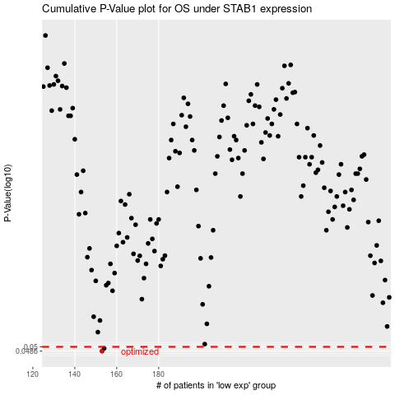

 |  |  |  |  |  | cases_OS | p_OS | rank | exp
 |  |  |  |  |  | 153 | 0.0486 | 13 | -0.42846169256
 |  |  |  |  |  | 154 | 0.0495 | 183 | -0.42419896998
 |  |  |  |  |  |  | cases_RFS | p_RFS | rank | exp
 |  |  |  |  |  |  | 152 | 0.0486 | 265 | -0.43139605686
 |  |  |  |  |  |  | 153 | 0.0495 | 13 | -0.42846169256

