STAB2 _multivariate
Reported by Tex Li-Hsing Chi. tex@gate.sinica.edu.tw 2019-08-15

Table 2. The clinicopathological features of HNSCC cohort and STAB2 expression. (Chi square test)
Cutoff at -0.305 (50.0%)
 |  | STAB2 expression |  | STAB2 expression |  | (Optimised)
 | Features | Low | (%) | High | (%) | Case no | P-value | Remark | Matthews
Gender | Female | 152 | 36.6 | 154 | 37.1 | 415 | 0.9766 | 0 | 0
2 | Male | 55 | 13.3 | 54 | 13
Age at diagnosis | <=65y | 130 | 31.3 | 144 | 34.7 | 415 | 0.2009 | 0 | 0
4 | >65y | 77 | 18.6 | 64 | 15.4
Clinical T Status | T1+T2 | 68 | 16.4 | 81 | 19.5 | 415 | 0.2336 | 0 | 0
6 | T3+T4 | 139 | 33.5 | 127 | 30.6
Clinical N Status | N0 | 98 | 23.6 | 118 | 28.4 | 415 | 0.0694 | 0 | 0
8 | N1-3 | 109 | 26.3 | 90 | 21.7
Clinical M Status | M0 | 204 | 49.2 | 208 | 50.1 | 415 | 0.1232 | 0 | 0
10 | M1 | 3 | 0.7 | 0 | 0
Clinical Stage | Stage I+II | 47 | 11.3 | 55 | 13.3 | 415 | 0.4413 | 0 | 0
12 | Stage III+IV | 160 | 38.6 | 153 | 36.9
Surgical Margin status | Negative | 157 | 37.8 | 161 | 38.8 | 415 | 0.729 | 0 | 0
14 | Positive | 50 | 12 | 47 | 11.3
Tobacco Exposure | Low | 87 | 21 | 74 | 17.8 | 415 | 0.1911 | 0 | 0
16 | High | 120 | 28.9 | 134 | 32.3

Table 3. Univariate/Multivariate Cox's proportional hazards regression analyses on OS time of STAB2 gene expression in HNSCC

 |  | Univariate |  |  |  | Multivariate
 | Features | HR | CI95%(L) | CI95%(H) | P-value | HR | CI95%(L) | CI95%(H) | P-value
1 | Female | 1 |  |  |  | 1
Gender | Male | 1.157 | 0.843 | 1.587 | 0.367 | 1.2 | 0.858 | 1.677 | 0.286
11 | <=65y | 1 |  |  |  | 1
Age at diagnosis | >65y | 1.329 | 0.99 | 1.784 | 0.058 | 1.367 | 1.004 | 1.863 | 0.047
12 | T1+T2 | 1 |  |  |  | 1
Clinical T Status | T3+T4 | 1.409 | 1.028 | 1.931 | 0.033 | 2.184 | 1.154 | 4.132 | 0.016
13 | N0 | 1 |  |  |  | 1
Clinical N Status | N1-3 | 1.185 | 0.89 | 1.577 | 0.246 | 1.222 | 0.855 | 1.747 | 0.27
14 | M0 | 1 |  |  |  | 1
Clinical M Status | M1 | 4.097 | 1.009 | 16.644 | 0.049 | 8.8 | 1.907 | 40.615 | 0.005
15 | Stage I+II | 1 |  |  |  | 1
Clinical Stage | Stage III+IV | 1.245 | 0.882 | 1.759 | 0.213 | 0.51 | 0.237 | 1.095 | 0.084
16 | Negative | 1 |  |  |  | 1
Surgical Margin status | Positive | 1.591 | 1.155 | 2.191 | 0.004 | 1.685 | 1.218 | 2.329 | 0.002
17 | Low | 1 |  |  |  | 1
Tobacco Exposure | High | 1.364 | 1.008 | 1.844 | 0.044 | 1.466 | 1.063 | 2.022 | 0.02
18 | Low | 1 |  |  |  | 1
RNAseq(z-score) | High | 0.841 | 0.631 | 1.12 | 0.235 | 0.875 | 0.653 | 1.173 | 0.373

Table 4. Univariate/Multivariate Cox's proportional hazards regression analyses on RFS time of STAB2 gene expression in HNSCC

 |  | Univariate |  |  |  | Multivariate
 | Features | HR | CI95%(L) | CI95%(H) | P-value | HR | CI95%(L) | CI95%(H) | P-value
1 | Female | 1 |  |  |  | 1
Gender | Male | 1.157 | 0.843 | 1.587 | 0.367 | 1.2 | 0.858 | 1.677 | 0.286
11 | <=65y | 1 |  |  |  | 1
Age at diagnosis | >65y | 1.329 | 0.99 | 1.784 | 0.058 | 1.367 | 1.004 | 1.863 | 0.047
12 | T1+T2 | 1 |  |  |  | 1
Clinical T Status | T3+T4 | 1.409 | 1.028 | 1.931 | 0.033 | 2.184 | 1.154 | 4.132 | 0.016
13 | N0 | 1 |  |  |  | 1
Clinical N Status | N1-3 | 1.185 | 0.89 | 1.577 | 0.246 | 1.222 | 0.855 | 1.747 | 0.27
14 | M0 | 1 |  |  |  | 1
Clinical M Status | M1 | 4.097 | 1.009 | 16.644 | 0.049 | 8.8 | 1.907 | 40.615 | 0.005
15 | Stage I+II | 1 |  |  |  | 1
Clinical Stage | Stage III+IV | 1.245 | 0.882 | 1.759 | 0.213 | 0.51 | 0.237 | 1.095 | 0.084
16 | Negative | 1 |  |  |  | 1
Surgical Margin status | Positive | 1.591 | 1.155 | 2.191 | 0.004 | 1.685 | 1.218 | 2.329 | 0.002
17 | Low | 1 |  |  |  | 1
Tobacco Exposure | High | 1.364 | 1.008 | 1.844 | 0.044 | 1.466 | 1.063 | 2.022 | 0.02
18 | Low | 1 |  |  |  | 1
RNAseq(z-score) | High | 0.841 | 0.631 | 1.12 | 0.235 | 0.875 | 0.653 | 1.173 | 0.373

Kaplan-Meier survival estimate: Cutoff at -0.305 (50.0%)



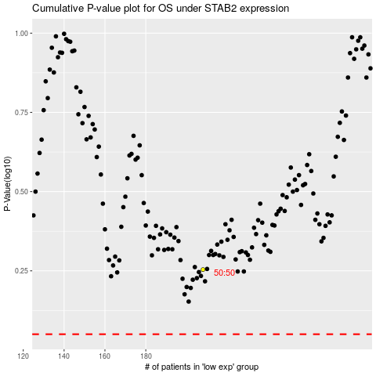

 |  |  |  |  |  | cases_OS | p_OS | rank | exp
 |  |  |  |  |  |  | cases_RFS | p_RFS | rank | exp

