STAC _multivariate
Reported by Tex Li-Hsing Chi. tex@gate.sinica.edu.tw 2019-08-15

Table 2. The clinicopathological features of HNSCC cohort and STAC expression. (Chi square test)
Cutoff at -0.433 (30.2%)
 |  | STAC expression |  | STAC expression |  | (Optimised)
 | Features | Low | (%) | High | (%) | Case no | P-value | Remark | Matthews
Gender | Female | 92 | 22.2 | 214 | 51.6 | 415 | 1 | 0 | 0
2 | Male | 33 | 8 | 76 | 18.3
Age at diagnosis | <=65y | 82 | 19.8 | 192 | 46.3 | 415 | 0.9946 | 0 | 0
4 | >65y | 43 | 10.4 | 98 | 23.6
Clinical T Status | T1+T2 | 40 | 9.6 | 109 | 26.3 | 415 | 0.3287 | 0 | 0
6 | T3+T4 | 85 | 20.5 | 181 | 43.6
Clinical N Status | N0 | 70 | 16.9 | 146 | 35.2 | 415 | 0.3417 | 0 | 0
8 | N1-3 | 55 | 13.3 | 144 | 34.7
Clinical M Status | M0 | 125 | 30.1 | 287 | 69.2 | 415 | 0.5571 | 0 | 0
10 | M1 | 0 | 0 | 3 | 0.7
Clinical Stage | Stage I+II | 27 | 6.5 | 75 | 18.1 | 415 | 0.4232 | 0 | 0
12 | Stage III+IV | 98 | 23.6 | 215 | 51.8
Surgical Margin status | Negative | 91 | 21.9 | 227 | 54.7 | 415 | 0.2554 | 0 | 0
14 | Positive | 34 | 8.2 | 63 | 15.2
Tobacco Exposure | Low | 56 | 13.5 | 105 | 25.3 | 415 | 0.1013 | 0 | 0
16 | High | 69 | 16.6 | 185 | 44.6

Table 3. Univariate/Multivariate Cox's proportional hazards regression analyses on OS time of STAC gene expression in HNSCC

 |  | Univariate |  |  |  | Multivariate
 | Features | HR | CI95%(L) | CI95%(H) | P-value | HR | CI95%(L) | CI95%(H) | P-value
1 | Female | 1 |  |  |  | 1
Gender | Male | 1.157 | 0.843 | 1.587 | 0.367 | 1.202 | 0.862 | 1.678 | 0.278
11 | <=65y | 1 |  |  |  | 1
Age at diagnosis | >65y | 1.329 | 0.99 | 1.784 | 0.058 | 1.42 | 1.044 | 1.932 | 0.026
12 | T1+T2 | 1 |  |  |  | 1
Clinical T Status | T3+T4 | 1.409 | 1.028 | 1.931 | 0.033 | 2.218 | 1.172 | 4.198 | 0.014
13 | N0 | 1 |  |  |  | 1
Clinical N Status | N1-3 | 1.185 | 0.89 | 1.577 | 0.246 | 1.217 | 0.853 | 1.735 | 0.279
14 | M0 | 1 |  |  |  | 1
Clinical M Status | M1 | 4.097 | 1.009 | 16.644 | 0.049 | 8.536 | 1.859 | 39.203 | 0.006
15 | Stage I+II | 1 |  |  |  | 1
Clinical Stage | Stage III+IV | 1.245 | 0.882 | 1.759 | 0.213 | 0.523 | 0.243 | 1.125 | 0.097
16 | Negative | 1 |  |  |  | 1
Surgical Margin status | Positive | 1.591 | 1.155 | 2.191 | 0.004 | 1.709 | 1.236 | 2.363 | 0.001
17 | Low | 1 |  |  |  | 1
Tobacco Exposure | High | 1.364 | 1.008 | 1.844 | 0.044 | 1.406 | 1.02 | 1.937 | 0.037
18 | Low | 1 |  |  |  | 1
RNAseq(z-score) | High | 1.439 | 1.031 | 2.007 | 0.032 | 1.463 | 1.044 | 2.05 | 0.027

Table 4. Univariate/Multivariate Cox's proportional hazards regression analyses on RFS time of STAC gene expression in HNSCC

 |  | Univariate |  |  |  | Multivariate
 | Features | HR | CI95%(L) | CI95%(H) | P-value | HR | CI95%(L) | CI95%(H) | P-value
1 | Female | 1 |  |  |  | 1
Gender | Male | 1.157 | 0.843 | 1.587 | 0.367 | 1.202 | 0.862 | 1.678 | 0.278
11 | <=65y | 1 |  |  |  | 1
Age at diagnosis | >65y | 1.329 | 0.99 | 1.784 | 0.058 | 1.42 | 1.044 | 1.932 | 0.026
12 | T1+T2 | 1 |  |  |  | 1
Clinical T Status | T3+T4 | 1.409 | 1.028 | 1.931 | 0.033 | 2.218 | 1.172 | 4.198 | 0.014
13 | N0 | 1 |  |  |  | 1
Clinical N Status | N1-3 | 1.185 | 0.89 | 1.577 | 0.246 | 1.217 | 0.853 | 1.735 | 0.279
14 | M0 | 1 |  |  |  | 1
Clinical M Status | M1 | 4.097 | 1.009 | 16.644 | 0.049 | 8.536 | 1.859 | 39.203 | 0.006
15 | Stage I+II | 1 |  |  |  | 1
Clinical Stage | Stage III+IV | 1.245 | 0.882 | 1.759 | 0.213 | 0.523 | 0.243 | 1.125 | 0.097
16 | Negative | 1 |  |  |  | 1
Surgical Margin status | Positive | 1.591 | 1.155 | 2.191 | 0.004 | 1.709 | 1.236 | 2.363 | 0.001
17 | Low | 1 |  |  |  | 1
Tobacco Exposure | High | 1.364 | 1.008 | 1.844 | 0.044 | 1.406 | 1.02 | 1.937 | 0.037
18 | Low | 1 |  |  |  | 1
RNAseq(z-score) | High | 1.439 | 1.031 | 2.007 | 0.032 | 1.463 | 1.044 | 2.05 | 0.027

Kaplan-Meier survival estimate: Cutoff at -0.433 (30.2%)



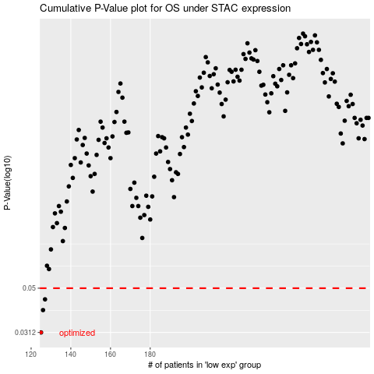

 |  |  |  |  |  | cases_OS | p_OS | rank | exp
 |  |  |  |  |  | 125 | 0.0312 | 265 | -0.43348769228
 |  |  |  |  |  | 126 | 0.0396 | 254 | -0.43217195393
 |  |  |  |  |  | 127 | 0.0444 | 247 | -0.43169781399
 |  |  |  |  |  |  | cases_RFS | p_RFS | rank | exp
 |  |  |  |  |  |  |  | 0.0312 | 285 | -0.43396290982
 |  |  |  |  |  |  | 125 | 0.0396 | 265 | -0.43348769228
 |  |  |  |  |  |  | 126 | 0.0444 | 254 | -0.43217195393

