STAC3 _multivariate
Reported by Tex Li-Hsing Chi. tex@gate.sinica.edu.tw 2019-08-15

Table 2. The clinicopathological features of HNSCC cohort and STAC3 expression. (Chi square test)
Cutoff at -0.234 (59.9%)
 |  | STAC3 expression |  | STAC3 expression |  | (Optimised)
 | Features | Low | (%) | High | (%) | Case no | P-value | Remark | Matthews
Gender | Female | 189 | 45.5 | 117 | 28.2 | 415 | 0.1997 | 0 | 0
2 | Male | 59 | 14.2 | 50 | 12
Age at diagnosis | <=65y | 161 | 38.8 | 113 | 27.2 | 415 | 0.6359 | 0 | 0
4 | >65y | 87 | 21 | 54 | 13
Clinical T Status | T1+T2 | 75 | 18.1 | 74 | 17.8 | 415 | 0.0047 | 1 | 0
6 | T3+T4 | 173 | 41.7 | 93 | 22.4
Clinical N Status | N0 | 128 | 30.8 | 88 | 21.2 | 415 | 0.9076 | 0 | 0
8 | N1-3 | 120 | 28.9 | 79 | 19
Clinical M Status | M0 | 245 | 59 | 167 | 40.2 | 415 | 0.2768 | 0 | 0
10 | M1 | 3 | 0.7 | 0 | 0
Clinical Stage | Stage I+II | 50 | 12 | 52 | 12.5 | 415 | 0.0151 | 1 | 0
12 | Stage III+IV | 198 | 47.7 | 115 | 27.7
Surgical Margin status | Negative | 184 | 44.3 | 134 | 32.3 | 415 | 0.1583 | 0 | 0
14 | Positive | 64 | 15.4 | 33 | 8
Tobacco Exposure | Low | 93 | 22.4 | 68 | 16.4 | 415 | 0.5384 | 0 | 0
16 | High | 155 | 37.3 | 99 | 23.9

Table 3. Univariate/Multivariate Cox's proportional hazards regression analyses on OS time of STAC3 gene expression in HNSCC

 |  | Univariate |  |  |  | Multivariate
 | Features | HR | CI95%(L) | CI95%(H) | P-value | HR | CI95%(L) | CI95%(H) | P-value
1 | Female | 1 |  |  |  | 1
Gender | Male | 1.157 | 0.843 | 1.587 | 0.367 | 1.149 | 0.821 | 1.609 | 0.418
11 | <=65y | 1 |  |  |  | 1
Age at diagnosis | >65y | 1.329 | 0.99 | 1.784 | 0.058 | 1.429 | 1.048 | 1.948 | 0.024
12 | T1+T2 | 1 |  |  |  | 1
Clinical T Status | T3+T4 | 1.409 | 1.028 | 1.931 | 0.033 | 2.258 | 1.193 | 4.275 | 0.012
13 | N0 | 1 |  |  |  | 1
Clinical N Status | N1-3 | 1.185 | 0.89 | 1.577 | 0.246 | 1.215 | 0.851 | 1.736 | 0.284
14 | M0 | 1 |  |  |  | 1
Clinical M Status | M1 | 4.097 | 1.009 | 16.644 | 0.049 | 11.094 | 2.403 | 51.222 | 0.002
15 | Stage I+II | 1 |  |  |  | 1
Clinical Stage | Stage III+IV | 1.245 | 0.882 | 1.759 | 0.213 | 0.51 | 0.238 | 1.095 | 0.084
16 | Negative | 1 |  |  |  | 1
Surgical Margin status | Positive | 1.591 | 1.155 | 2.191 | 0.004 | 1.688 | 1.222 | 2.332 | 0.001
17 | Low | 1 |  |  |  | 1
Tobacco Exposure | High | 1.364 | 1.008 | 1.844 | 0.044 | 1.443 | 1.047 | 1.987 | 0.025
18 | Low | 1 |  |  |  | 1
RNAseq(z-score) | High | 1.36 | 1.02 | 1.814 | 0.036 | 1.426 | 1.062 | 1.915 | 0.018

Table 4. Univariate/Multivariate Cox's proportional hazards regression analyses on RFS time of STAC3 gene expression in HNSCC

 |  | Univariate |  |  |  | Multivariate
 | Features | HR | CI95%(L) | CI95%(H) | P-value | HR | CI95%(L) | CI95%(H) | P-value
1 | Female | 1 |  |  |  | 1
Gender | Male | 1.157 | 0.843 | 1.587 | 0.367 | 1.149 | 0.821 | 1.609 | 0.418
11 | <=65y | 1 |  |  |  | 1
Age at diagnosis | >65y | 1.329 | 0.99 | 1.784 | 0.058 | 1.429 | 1.048 | 1.948 | 0.024
12 | T1+T2 | 1 |  |  |  | 1
Clinical T Status | T3+T4 | 1.409 | 1.028 | 1.931 | 0.033 | 2.258 | 1.193 | 4.275 | 0.012
13 | N0 | 1 |  |  |  | 1
Clinical N Status | N1-3 | 1.185 | 0.89 | 1.577 | 0.246 | 1.215 | 0.851 | 1.736 | 0.284
14 | M0 | 1 |  |  |  | 1
Clinical M Status | M1 | 4.097 | 1.009 | 16.644 | 0.049 | 11.094 | 2.403 | 51.222 | 0.002
15 | Stage I+II | 1 |  |  |  | 1
Clinical Stage | Stage III+IV | 1.245 | 0.882 | 1.759 | 0.213 | 0.51 | 0.238 | 1.095 | 0.084
16 | Negative | 1 |  |  |  | 1
Surgical Margin status | Positive | 1.591 | 1.155 | 2.191 | 0.004 | 1.688 | 1.222 | 2.332 | 0.001
17 | Low | 1 |  |  |  | 1
Tobacco Exposure | High | 1.364 | 1.008 | 1.844 | 0.044 | 1.443 | 1.047 | 1.987 | 0.025
18 | Low | 1 |  |  |  | 1
RNAseq(z-score) | High | 1.36 | 1.02 | 1.814 | 0.036 | 1.426 | 1.062 | 1.915 | 0.018

Kaplan-Meier survival estimate: Cutoff at -0.234 (59.9%)

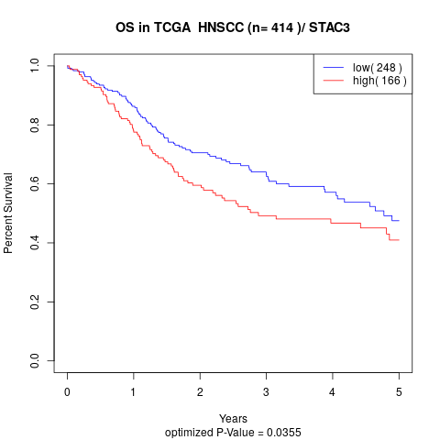

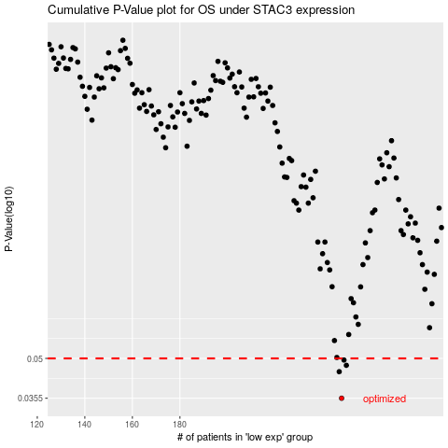

 |  |  |  |  |  | cases_OS | p_OS | rank | exp
 |  |  |  |  |  | 248 | 0.0355 | 389 | -0.23387500393
 |  |  |  |  |  | 247 | 0.0446 | 192 | -0.23449653801
 |  |  |  |  |  | 250 | 0.0471 | 123 | -0.23232007952
 |  |  |  |  |  | 249 | 0.0493 | 27 | -0.23299781681
 |  |  |  |  |  |  | cases_RFS | p_RFS | rank | exp
 |  |  |  |  |  |  | 247 | 0.0355 | 192 | -0.23449653801
 |  |  |  |  |  |  | 246 | 0.0446 | 252 | -0.23517247033
 |  |  |  |  |  |  | 249 | 0.0471 | 27 | -0.23299781681
 |  |  |  |  |  |  | 248 | 0.0493 | 389 | -0.23387500393

