STAG1 _multivariate
Reported by Tex Li-Hsing Chi. tex@gate.sinica.edu.tw 2019-08-15

Table 2. The clinicopathological features of HNSCC cohort and STAG1 expression. (Chi square test)
Cutoff at -0.179 (49.8%)
 |  | STAG1 expression |  | STAG1 expression |  | (Optimised)
 | Features | Low | (%) | High | (%) | Case no | P-value | Remark | Matthews
Gender | Female | 145 | 34.9 | 161 | 38.8 | 415 | 0.1116 | 0 | 0
2 | Male | 62 | 14.9 | 47 | 11.3
Age at diagnosis | <=65y | 132 | 31.8 | 142 | 34.2 | 415 | 0.3874 | 0 | 0
4 | >65y | 75 | 18.1 | 66 | 15.9
Clinical T Status | T1+T2 | 71 | 17.1 | 78 | 18.8 | 415 | 0.5638 | 0 | 0
6 | T3+T4 | 136 | 32.8 | 130 | 31.3
Clinical N Status | N0 | 113 | 27.2 | 103 | 24.8 | 415 | 0.3495 | 1 | 0
8 | N1-3 | 94 | 22.7 | 105 | 25.3
Clinical M Status | M0 | 205 | 49.4 | 207 | 49.9 | 415 | 0.6232 | 0 | 0
10 | M1 | 2 | 0.5 | 1 | 0.2
Clinical Stage | Stage I+II | 53 | 12.8 | 49 | 11.8 | 415 | 0.7113 | 0 | 0
12 | Stage III+IV | 154 | 37.1 | 159 | 38.3
Surgical Margin status | Negative | 161 | 38.8 | 157 | 37.8 | 415 | 0.6429 | 0 | 0
14 | Positive | 46 | 11.1 | 51 | 12.3
Tobacco Exposure | Low | 90 | 21.7 | 71 | 17.1 | 415 | 0.0559 | 0 | 0
16 | High | 117 | 28.2 | 137 | 33

Table 3. Univariate/Multivariate Cox's proportional hazards regression analyses on OS time of STAG1 gene expression in HNSCC

 |  | Univariate |  |  |  | Multivariate
 | Features | HR | CI95%(L) | CI95%(H) | P-value | HR | CI95%(L) | CI95%(H) | P-value
1 | Female | 1 |  |  |  | 1
Gender | Male | 1.157 | 0.843 | 1.587 | 0.367 | 1.209 | 0.866 | 1.689 | 0.264
11 | <=65y | 1 |  |  |  | 1
Age at diagnosis | >65y | 1.329 | 0.99 | 1.784 | 0.058 | 1.391 | 1.023 | 1.891 | 0.035
12 | T1+T2 | 1 |  |  |  | 1
Clinical T Status | T3+T4 | 1.409 | 1.028 | 1.931 | 0.033 | 2.253 | 1.188 | 4.274 | 0.013
13 | N0 | 1 |  |  |  | 1
Clinical N Status | N1-3 | 1.185 | 0.89 | 1.577 | 0.246 | 1.245 | 0.872 | 1.778 | 0.227
14 | M0 | 1 |  |  |  | 1
Clinical M Status | M1 | 4.097 | 1.009 | 16.644 | 0.049 | 9.729 | 2.116 | 44.73 | 0.003
15 | Stage I+II | 1 |  |  |  | 1
Clinical Stage | Stage III+IV | 1.245 | 0.882 | 1.759 | 0.213 | 0.492 | 0.228 | 1.06 | 0.07
16 | Negative | 1 |  |  |  | 1
Surgical Margin status | Positive | 1.591 | 1.155 | 2.191 | 0.004 | 1.67 | 1.208 | 2.307 | 0.002
17 | Low | 1 |  |  |  | 1
Tobacco Exposure | High | 1.364 | 1.008 | 1.844 | 0.044 | 1.444 | 1.049 | 1.99 | 0.024
18 | Low | 1 |  |  |  | 1
RNAseq(z-score) | High | 1.062 | 0.797 | 1.415 | 0.682 | 1.107 | 0.828 | 1.482 | 0.492

Table 4. Univariate/Multivariate Cox's proportional hazards regression analyses on RFS time of STAG1 gene expression in HNSCC

 |  | Univariate |  |  |  | Multivariate
 | Features | HR | CI95%(L) | CI95%(H) | P-value | HR | CI95%(L) | CI95%(H) | P-value
1 | Female | 1 |  |  |  | 1
Gender | Male | 1.157 | 0.843 | 1.587 | 0.367 | 1.209 | 0.866 | 1.689 | 0.264
11 | <=65y | 1 |  |  |  | 1
Age at diagnosis | >65y | 1.329 | 0.99 | 1.784 | 0.058 | 1.391 | 1.023 | 1.891 | 0.035
12 | T1+T2 | 1 |  |  |  | 1
Clinical T Status | T3+T4 | 1.409 | 1.028 | 1.931 | 0.033 | 2.253 | 1.188 | 4.274 | 0.013
13 | N0 | 1 |  |  |  | 1
Clinical N Status | N1-3 | 1.185 | 0.89 | 1.577 | 0.246 | 1.245 | 0.872 | 1.778 | 0.227
14 | M0 | 1 |  |  |  | 1
Clinical M Status | M1 | 4.097 | 1.009 | 16.644 | 0.049 | 9.729 | 2.116 | 44.73 | 0.003
15 | Stage I+II | 1 |  |  |  | 1
Clinical Stage | Stage III+IV | 1.245 | 0.882 | 1.759 | 0.213 | 0.492 | 0.228 | 1.06 | 0.07
16 | Negative | 1 |  |  |  | 1
Surgical Margin status | Positive | 1.591 | 1.155 | 2.191 | 0.004 | 1.67 | 1.208 | 2.307 | 0.002
17 | Low | 1 |  |  |  | 1
Tobacco Exposure | High | 1.364 | 1.008 | 1.844 | 0.044 | 1.444 | 1.049 | 1.99 | 0.024
18 | Low | 1 |  |  |  | 1
RNAseq(z-score) | High | 1.062 | 0.797 | 1.415 | 0.682 | 1.107 | 0.828 | 1.482 | 0.492

Kaplan-Meier survival estimate: Cutoff at -0.179 (49.8%)



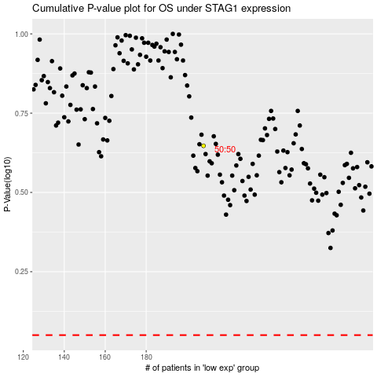

 |  |  |  |  |  | cases_OS | p_OS | rank | exp
 |  |  |  |  |  |  | cases_RFS | p_RFS | rank | exp

