STAG3L1 _multivariate
Reported by Tex Li-Hsing Chi. tex@gate.sinica.edu.tw 2019-08-15

Table 2. The clinicopathological features of HNSCC cohort and STAG3L1 expression. (Chi square test)
Cutoff at 0.05 (57.5%)
 |  | STAG3L1 expression |  | STAG3L1 expression |  | (Optimised)
 | Features | Low | (%) | High | (%) | Case no | P-value | Remark | Matthews
Gender | Female | 171 | 41.2 | 135 | 32.5 | 415 | 0.2861 | 0 | 0
2 | Male | 68 | 16.4 | 41 | 9.9
Age at diagnosis | <=65y | 158 | 38.1 | 116 | 28 | 415 | 1 | 0 | 0
4 | >65y | 81 | 19.5 | 60 | 14.5
Clinical T Status | T1+T2 | 85 | 20.5 | 64 | 15.4 | 415 | 0.9489 | 0 | 0
6 | T3+T4 | 154 | 37.1 | 112 | 27
Clinical N Status | N0 | 123 | 29.6 | 93 | 22.4 | 415 | 0.8587 | 0 | 0
8 | N1-3 | 116 | 28 | 83 | 20
Clinical M Status | M0 | 238 | 57.3 | 174 | 41.9 | 415 | 0.5767 | 0 | 0
10 | M1 | 1 | 0.2 | 2 | 0.5
Clinical Stage | Stage I+II | 60 | 14.5 | 42 | 10.1 | 415 | 0.8612 | 0 | 0
12 | Stage III+IV | 179 | 43.1 | 134 | 32.3
Surgical Margin status | Negative | 190 | 45.8 | 128 | 30.8 | 415 | 0.127 | 0 | 0
14 | Positive | 49 | 11.8 | 48 | 11.6
Tobacco Exposure | Low | 97 | 23.4 | 64 | 15.4 | 415 | 0.4154 | 0 | 0
16 | High | 142 | 34.2 | 112 | 27

Table 3. Univariate/Multivariate Cox's proportional hazards regression analyses on OS time of STAG3L1 gene expression in HNSCC

 |  | Univariate |  |  |  | Multivariate
 | Features | HR | CI95%(L) | CI95%(H) | P-value | HR | CI95%(L) | CI95%(H) | P-value
1 | Female | 1 |  |  |  | 1
Gender | Male | 1.157 | 0.843 | 1.587 | 0.367 | 1.184 | 0.848 | 1.653 | 0.322
11 | <=65y | 1 |  |  |  | 1
Age at diagnosis | >65y | 1.329 | 0.99 | 1.784 | 0.058 | 1.394 | 1.026 | 1.895 | 0.034
12 | T1+T2 | 1 |  |  |  | 1
Clinical T Status | T3+T4 | 1.409 | 1.028 | 1.931 | 0.033 | 2.127 | 1.125 | 4.025 | 0.02
13 | N0 | 1 |  |  |  | 1
Clinical N Status | N1-3 | 1.185 | 0.89 | 1.577 | 0.246 | 1.195 | 0.837 | 1.707 | 0.328
14 | M0 | 1 |  |  |  | 1
Clinical M Status | M1 | 4.097 | 1.009 | 16.644 | 0.049 | 9.767 | 2.128 | 44.818 | 0.003
15 | Stage I+II | 1 |  |  |  | 1
Clinical Stage | Stage III+IV | 1.245 | 0.882 | 1.759 | 0.213 | 0.535 | 0.249 | 1.152 | 0.11
16 | Negative | 1 |  |  |  | 1
Surgical Margin status | Positive | 1.591 | 1.155 | 2.191 | 0.004 | 1.745 | 1.26 | 2.416 | 0.001
17 | Low | 1 |  |  |  | 1
Tobacco Exposure | High | 1.364 | 1.008 | 1.844 | 0.044 | 1.485 | 1.077 | 2.049 | 0.016
18 | Low | 1 |  |  |  | 1
RNAseq(z-score) | High | 0.727 | 0.539 | 0.979 | 0.036 | 0.703 | 0.519 | 0.951 | 0.022

Table 4. Univariate/Multivariate Cox's proportional hazards regression analyses on RFS time of STAG3L1 gene expression in HNSCC

 |  | Univariate |  |  |  | Multivariate
 | Features | HR | CI95%(L) | CI95%(H) | P-value | HR | CI95%(L) | CI95%(H) | P-value
1 | Female | 1 |  |  |  | 1
Gender | Male | 1.157 | 0.843 | 1.587 | 0.367 | 1.184 | 0.848 | 1.653 | 0.322
11 | <=65y | 1 |  |  |  | 1
Age at diagnosis | >65y | 1.329 | 0.99 | 1.784 | 0.058 | 1.394 | 1.026 | 1.895 | 0.034
12 | T1+T2 | 1 |  |  |  | 1
Clinical T Status | T3+T4 | 1.409 | 1.028 | 1.931 | 0.033 | 2.127 | 1.125 | 4.025 | 0.02
13 | N0 | 1 |  |  |  | 1
Clinical N Status | N1-3 | 1.185 | 0.89 | 1.577 | 0.246 | 1.195 | 0.837 | 1.707 | 0.328
14 | M0 | 1 |  |  |  | 1
Clinical M Status | M1 | 4.097 | 1.009 | 16.644 | 0.049 | 9.767 | 2.128 | 44.818 | 0.003
15 | Stage I+II | 1 |  |  |  | 1
Clinical Stage | Stage III+IV | 1.245 | 0.882 | 1.759 | 0.213 | 0.535 | 0.249 | 1.152 | 0.11
16 | Negative | 1 |  |  |  | 1
Surgical Margin status | Positive | 1.591 | 1.155 | 2.191 | 0.004 | 1.745 | 1.26 | 2.416 | 0.001
17 | Low | 1 |  |  |  | 1
Tobacco Exposure | High | 1.364 | 1.008 | 1.844 | 0.044 | 1.485 | 1.077 | 2.049 | 0.016
18 | Low | 1 |  |  |  | 1
RNAseq(z-score) | High | 0.727 | 0.539 | 0.979 | 0.036 | 0.703 | 0.519 | 0.951 | 0.022

Kaplan-Meier survival estimate: Cutoff at 0.05 (57.5%)



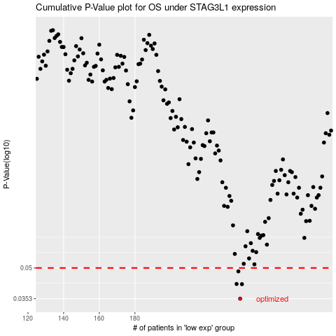

 |  |  |  |  |  | cases_OS | p_OS | rank | exp
 |  |  |  |  |  | 239 | 0.0353 | 15 | 0.049974203605
 |  |  |  |  |  | 240 | 0.0416 | 44 | 0.054182538664
 |  |  |  |  |  | 237 | 0.0417 | 100 | 0.034847356948
 |  |  |  |  |  | 238 | 0.0481 | 148 | 0.043830826719
 |  |  |  |  |  |  | cases_RFS | p_RFS | rank | exp
 |  |  |  |  |  |  | 238 | 0.0353 | 148 | 0.043830826719
 |  |  |  |  |  |  | 239 | 0.0416 | 15 | 0.049974203605
 |  |  |  |  |  |  | 236 | 0.0417 | 274 | 0.030468372531
 |  |  |  |  |  |  | 237 | 0.0481 | 100 | 0.034847356948

