STAG3L2 _multivariate
Reported by Tex Li-Hsing Chi. tex@gate.sinica.edu.tw 2019-08-15

Table 2. The clinicopathological features of HNSCC cohort and STAG3L2 expression. (Chi square test)
Cutoff at -0.183 (49.8%)
 |  | STAG3L2 expression |  | STAG3L2 expression |  | (Optimised)
 | Features | Low | (%) | High | (%) | Case no | P-value | Remark | Matthews
Gender | Female | 156 | 37.6 | 150 | 36.1 | 415 | 0.5222 | 0 | 0
2 | Male | 51 | 12.3 | 58 | 14
Age at diagnosis | <=65y | 145 | 34.9 | 129 | 31.1 | 415 | 0.1046 | 0 | 0
4 | >65y | 62 | 14.9 | 79 | 19
Clinical T Status | T1+T2 | 78 | 18.8 | 71 | 17.1 | 415 | 0.5152 | 0 | 0
6 | T3+T4 | 129 | 31.1 | 137 | 33
Clinical N Status | N0 | 104 | 25.1 | 112 | 27 | 415 | 0.5243 | 0 | 0
8 | N1-3 | 103 | 24.8 | 96 | 23.1
Clinical M Status | M0 | 205 | 49.4 | 207 | 49.9 | 415 | 0.6232 | 0 | 0
10 | M1 | 2 | 0.5 | 1 | 0.2
Clinical Stage | Stage I+II | 54 | 13 | 48 | 11.6 | 415 | 0.5498 | 0 | 0
12 | Stage III+IV | 153 | 36.9 | 160 | 38.6
Surgical Margin status | Negative | 160 | 38.6 | 158 | 38.1 | 415 | 0.8167 | 0 | 0
14 | Positive | 47 | 11.3 | 50 | 12
Tobacco Exposure | Low | 78 | 18.8 | 83 | 20 | 415 | 0.6873 | 0 | 0
16 | High | 129 | 31.1 | 125 | 30.1

Table 3. Univariate/Multivariate Cox's proportional hazards regression analyses on OS time of STAG3L2 gene expression in HNSCC

 |  | Univariate |  |  |  | Multivariate
 | Features | HR | CI95%(L) | CI95%(H) | P-value | HR | CI95%(L) | CI95%(H) | P-value
1 | Female | 1 |  |  |  | 1
Gender | Male | 1.157 | 0.843 | 1.587 | 0.367 | 1.184 | 0.847 | 1.653 | 0.323
11 | <=65y | 1 |  |  |  | 1
Age at diagnosis | >65y | 1.329 | 0.99 | 1.784 | 0.058 | 1.366 | 1.003 | 1.859 | 0.048
12 | T1+T2 | 1 |  |  |  | 1
Clinical T Status | T3+T4 | 1.409 | 1.028 | 1.931 | 0.033 | 2.24 | 1.184 | 4.237 | 0.013
13 | N0 | 1 |  |  |  | 1
Clinical N Status | N1-3 | 1.185 | 0.89 | 1.577 | 0.246 | 1.276 | 0.892 | 1.826 | 0.182
14 | M0 | 1 |  |  |  | 1
Clinical M Status | M1 | 4.097 | 1.009 | 16.644 | 0.049 | 10.133 | 2.203 | 46.607 | 0.003
15 | Stage I+II | 1 |  |  |  | 1
Clinical Stage | Stage III+IV | 1.245 | 0.882 | 1.759 | 0.213 | 0.48 | 0.223 | 1.033 | 0.06
16 | Negative | 1 |  |  |  | 1
Surgical Margin status | Positive | 1.591 | 1.155 | 2.191 | 0.004 | 1.662 | 1.203 | 2.296 | 0.002
17 | Low | 1 |  |  |  | 1
Tobacco Exposure | High | 1.364 | 1.008 | 1.844 | 0.044 | 1.444 | 1.048 | 1.99 | 0.025
18 | Low | 1 |  |  |  | 1
RNAseq(z-score) | High | 1.271 | 0.953 | 1.697 | 0.103 | 1.258 | 0.938 | 1.689 | 0.125

Table 4. Univariate/Multivariate Cox's proportional hazards regression analyses on RFS time of STAG3L2 gene expression in HNSCC

 |  | Univariate |  |  |  | Multivariate
 | Features | HR | CI95%(L) | CI95%(H) | P-value | HR | CI95%(L) | CI95%(H) | P-value
1 | Female | 1 |  |  |  | 1
Gender | Male | 1.157 | 0.843 | 1.587 | 0.367 | 1.184 | 0.847 | 1.653 | 0.323
11 | <=65y | 1 |  |  |  | 1
Age at diagnosis | >65y | 1.329 | 0.99 | 1.784 | 0.058 | 1.366 | 1.003 | 1.859 | 0.048
12 | T1+T2 | 1 |  |  |  | 1
Clinical T Status | T3+T4 | 1.409 | 1.028 | 1.931 | 0.033 | 2.24 | 1.184 | 4.237 | 0.013
13 | N0 | 1 |  |  |  | 1
Clinical N Status | N1-3 | 1.185 | 0.89 | 1.577 | 0.246 | 1.276 | 0.892 | 1.826 | 0.182
14 | M0 | 1 |  |  |  | 1
Clinical M Status | M1 | 4.097 | 1.009 | 16.644 | 0.049 | 10.133 | 2.203 | 46.607 | 0.003
15 | Stage I+II | 1 |  |  |  | 1
Clinical Stage | Stage III+IV | 1.245 | 0.882 | 1.759 | 0.213 | 0.48 | 0.223 | 1.033 | 0.06
16 | Negative | 1 |  |  |  | 1
Surgical Margin status | Positive | 1.591 | 1.155 | 2.191 | 0.004 | 1.662 | 1.203 | 2.296 | 0.002
17 | Low | 1 |  |  |  | 1
Tobacco Exposure | High | 1.364 | 1.008 | 1.844 | 0.044 | 1.444 | 1.048 | 1.99 | 0.025
18 | Low | 1 |  |  |  | 1
RNAseq(z-score) | High | 1.271 | 0.953 | 1.697 | 0.103 | 1.258 | 0.938 | 1.689 | 0.125

Kaplan-Meier survival estimate: Cutoff at -0.183 (49.8%)

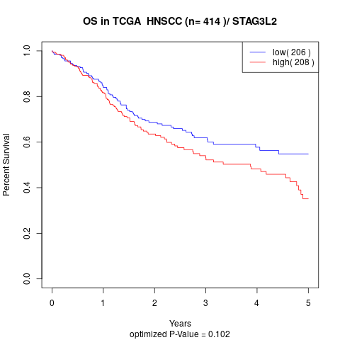

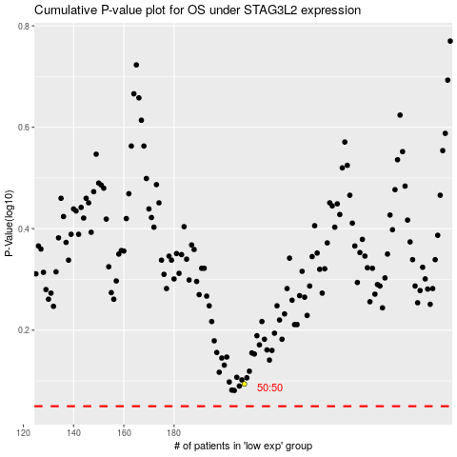

 |  |  |  |  |  | cases_OS | p_OS | rank | exp
 |  |  |  |  |  |  | cases_RFS | p_RFS | rank | exp

