STAM _multivariate
Reported by Tex Li-Hsing Chi. tex@gate.sinica.edu.tw 2019-08-15

Table 2. The clinicopathological features of HNSCC cohort and STAM expression. (Chi square test)
Cutoff at -0.064 (50.0%)
 |  | STAM expression |  | STAM expression |  | (Optimised)
 | Features | Low | (%) | High | (%) | Case no | P-value | Remark | Matthews
Gender | Female | 155 | 37.3 | 151 | 36.4 | 415 | 0.6768 | 0 | 0
2 | Male | 52 | 12.5 | 57 | 13.7
Age at diagnosis | <=65y | 142 | 34.2 | 132 | 31.8 | 415 | 0.3167 | 0 | 0
4 | >65y | 65 | 15.7 | 76 | 18.3
Clinical T Status | T1+T2 | 75 | 18.1 | 74 | 17.8 | 415 | 0.9707 | 0 | 0
6 | T3+T4 | 132 | 31.8 | 134 | 32.3
Clinical N Status | N0 | 106 | 25.5 | 110 | 26.5 | 415 | 0.8075 | 0 | 0
8 | N1-3 | 101 | 24.3 | 98 | 23.6
Clinical M Status | M0 | 206 | 49.6 | 206 | 49.6 | 415 | 1 | 0 | 0
10 | M1 | 1 | 0.2 | 2 | 0.5
Clinical Stage | Stage I+II | 50 | 12 | 52 | 12.5 | 415 | 0.9315 | 0 | 0
12 | Stage III+IV | 157 | 37.8 | 156 | 37.6
Surgical Margin status | Negative | 150 | 36.1 | 168 | 40.5 | 415 | 0.0492 | 1 | 0
14 | Positive | 57 | 13.7 | 40 | 9.6
Tobacco Exposure | Low | 83 | 20 | 78 | 18.8 | 415 | 0.6152 | 0 | 0
16 | High | 124 | 29.9 | 130 | 31.3

Table 3. Univariate/Multivariate Cox's proportional hazards regression analyses on OS time of STAM gene expression in HNSCC

 |  | Univariate |  |  |  | Multivariate
 | Features | HR | CI95%(L) | CI95%(H) | P-value | HR | CI95%(L) | CI95%(H) | P-value
1 | Female | 1 |  |  |  | 1
Gender | Male | 1.157 | 0.843 | 1.587 | 0.367 | 1.209 | 0.865 | 1.691 | 0.267
11 | <=65y | 1 |  |  |  | 1
Age at diagnosis | >65y | 1.329 | 0.99 | 1.784 | 0.058 | 1.389 | 1.022 | 1.888 | 0.036
12 | T1+T2 | 1 |  |  |  | 1
Clinical T Status | T3+T4 | 1.409 | 1.028 | 1.931 | 0.033 | 2.191 | 1.159 | 4.144 | 0.016
13 | N0 | 1 |  |  |  | 1
Clinical N Status | N1-3 | 1.185 | 0.89 | 1.577 | 0.246 | 1.233 | 0.864 | 1.761 | 0.249
14 | M0 | 1 |  |  |  | 1
Clinical M Status | M1 | 4.097 | 1.009 | 16.644 | 0.049 | 9.639 | 2.097 | 44.296 | 0.004
15 | Stage I+II | 1 |  |  |  | 1
Clinical Stage | Stage III+IV | 1.245 | 0.882 | 1.759 | 0.213 | 0.508 | 0.237 | 1.09 | 0.082
16 | Negative | 1 |  |  |  | 1
Surgical Margin status | Positive | 1.591 | 1.155 | 2.191 | 0.004 | 1.647 | 1.187 | 2.285 | 0.003
17 | Low | 1 |  |  |  | 1
Tobacco Exposure | High | 1.364 | 1.008 | 1.844 | 0.044 | 1.468 | 1.063 | 2.026 | 0.02
18 | Low | 1 |  |  |  | 1
RNAseq(z-score) | High | 0.904 | 0.679 | 1.205 | 0.492 | 0.92 | 0.685 | 1.235 | 0.579

Table 4. Univariate/Multivariate Cox's proportional hazards regression analyses on RFS time of STAM gene expression in HNSCC

 |  | Univariate |  |  |  | Multivariate
 | Features | HR | CI95%(L) | CI95%(H) | P-value | HR | CI95%(L) | CI95%(H) | P-value
1 | Female | 1 |  |  |  | 1
Gender | Male | 1.157 | 0.843 | 1.587 | 0.367 | 1.209 | 0.865 | 1.691 | 0.267
11 | <=65y | 1 |  |  |  | 1
Age at diagnosis | >65y | 1.329 | 0.99 | 1.784 | 0.058 | 1.389 | 1.022 | 1.888 | 0.036
12 | T1+T2 | 1 |  |  |  | 1
Clinical T Status | T3+T4 | 1.409 | 1.028 | 1.931 | 0.033 | 2.191 | 1.159 | 4.144 | 0.016
13 | N0 | 1 |  |  |  | 1
Clinical N Status | N1-3 | 1.185 | 0.89 | 1.577 | 0.246 | 1.233 | 0.864 | 1.761 | 0.249
14 | M0 | 1 |  |  |  | 1
Clinical M Status | M1 | 4.097 | 1.009 | 16.644 | 0.049 | 9.639 | 2.097 | 44.296 | 0.004
15 | Stage I+II | 1 |  |  |  | 1
Clinical Stage | Stage III+IV | 1.245 | 0.882 | 1.759 | 0.213 | 0.508 | 0.237 | 1.09 | 0.082
16 | Negative | 1 |  |  |  | 1
Surgical Margin status | Positive | 1.591 | 1.155 | 2.191 | 0.004 | 1.647 | 1.187 | 2.285 | 0.003
17 | Low | 1 |  |  |  | 1
Tobacco Exposure | High | 1.364 | 1.008 | 1.844 | 0.044 | 1.468 | 1.063 | 2.026 | 0.02
18 | Low | 1 |  |  |  | 1
RNAseq(z-score) | High | 0.904 | 0.679 | 1.205 | 0.492 | 0.92 | 0.685 | 1.235 | 0.579

Kaplan-Meier survival estimate: Cutoff at -0.064 (50.0%)



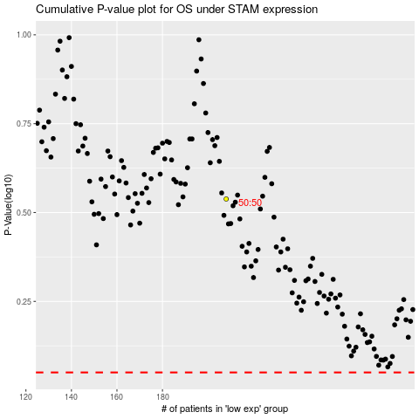

 |  |  |  |  |  | cases_OS | p_OS | rank | exp
 |  |  |  |  |  |  | cases_RFS | p_RFS | rank | exp

