STAM2 _multivariate
Reported by Tex Li-Hsing Chi. tex@gate.sinica.edu.tw 2019-08-15

Table 2. The clinicopathological features of HNSCC cohort and STAM2 expression. (Chi square test)
Cutoff at -0.114 (49.8%)
 |  | STAM2 expression |  | STAM2 expression |  | (Optimised)
 | Features | Low | (%) | High | (%) | Case no | P-value | Remark | Matthews
Gender | Female | 157 | 37.8 | 149 | 35.9 | 415 | 0.3881 | 0 | 0
2 | Male | 50 | 12 | 59 | 14.2
Age at diagnosis | <=65y | 134 | 32.3 | 140 | 33.7 | 415 | 0.6529 | 0 | 0
4 | >65y | 73 | 17.6 | 68 | 16.4
Clinical T Status | T1+T2 | 62 | 14.9 | 87 | 21 | 415 | 0.0156 | 1 | 0
6 | T3+T4 | 145 | 34.9 | 121 | 29.2
Clinical N Status | N0 | 100 | 24.1 | 116 | 28 | 415 | 0.1548 | 0 | 0
8 | N1-3 | 107 | 25.8 | 92 | 22.2
Clinical M Status | M0 | 204 | 49.2 | 208 | 50.1 | 415 | 0.1232 | 0 | 0
10 | M1 | 3 | 0.7 | 0 | 0
Clinical Stage | Stage I+II | 36 | 8.7 | 66 | 15.9 | 415 | 0.001 | 1 | 0
12 | Stage III+IV | 171 | 41.2 | 142 | 34.2
Surgical Margin status | Negative | 158 | 38.1 | 160 | 38.6 | 415 | 0.9081 | 0 | 0
14 | Positive | 49 | 11.8 | 48 | 11.6
Tobacco Exposure | Low | 77 | 18.6 | 84 | 20.2 | 415 | 0.5459 | 0 | 0
16 | High | 130 | 31.3 | 124 | 29.9

Table 3. Univariate/Multivariate Cox's proportional hazards regression analyses on OS time of STAM2 gene expression in HNSCC

 |  | Univariate |  |  |  | Multivariate
 | Features | HR | CI95%(L) | CI95%(H) | P-value | HR | CI95%(L) | CI95%(H) | P-value
1 | Female | 1 |  |  |  | 1
Gender | Male | 1.157 | 0.843 | 1.587 | 0.367 | 1.206 | 0.862 | 1.686 | 0.274
11 | <=65y | 1 |  |  |  | 1
Age at diagnosis | >65y | 1.329 | 0.99 | 1.784 | 0.058 | 1.381 | 1.016 | 1.879 | 0.04
12 | T1+T2 | 1 |  |  |  | 1
Clinical T Status | T3+T4 | 1.409 | 1.028 | 1.931 | 0.033 | 2.198 | 1.162 | 4.155 | 0.015
13 | N0 | 1 |  |  |  | 1
Clinical N Status | N1-3 | 1.185 | 0.89 | 1.577 | 0.246 | 1.248 | 0.874 | 1.782 | 0.223
14 | M0 | 1 |  |  |  | 1
Clinical M Status | M1 | 4.097 | 1.009 | 16.644 | 0.049 | 8.839 | 1.915 | 40.805 | 0.005
15 | Stage I+II | 1 |  |  |  | 1
Clinical Stage | Stage III+IV | 1.245 | 0.882 | 1.759 | 0.213 | 0.495 | 0.23 | 1.064 | 0.072
16 | Negative | 1 |  |  |  | 1
Surgical Margin status | Positive | 1.591 | 1.155 | 2.191 | 0.004 | 1.659 | 1.201 | 2.294 | 0.002
17 | Low | 1 |  |  |  | 1
Tobacco Exposure | High | 1.364 | 1.008 | 1.844 | 0.044 | 1.439 | 1.044 | 1.986 | 0.026
18 | Low | 1 |  |  |  | 1
RNAseq(z-score) | High | 0.81 | 0.608 | 1.079 | 0.149 | 0.885 | 0.66 | 1.187 | 0.415

Table 4. Univariate/Multivariate Cox's proportional hazards regression analyses on RFS time of STAM2 gene expression in HNSCC

 |  | Univariate |  |  |  | Multivariate
 | Features | HR | CI95%(L) | CI95%(H) | P-value | HR | CI95%(L) | CI95%(H) | P-value
1 | Female | 1 |  |  |  | 1
Gender | Male | 1.157 | 0.843 | 1.587 | 0.367 | 1.206 | 0.862 | 1.686 | 0.274
11 | <=65y | 1 |  |  |  | 1
Age at diagnosis | >65y | 1.329 | 0.99 | 1.784 | 0.058 | 1.381 | 1.016 | 1.879 | 0.04
12 | T1+T2 | 1 |  |  |  | 1
Clinical T Status | T3+T4 | 1.409 | 1.028 | 1.931 | 0.033 | 2.198 | 1.162 | 4.155 | 0.015
13 | N0 | 1 |  |  |  | 1
Clinical N Status | N1-3 | 1.185 | 0.89 | 1.577 | 0.246 | 1.248 | 0.874 | 1.782 | 0.223
14 | M0 | 1 |  |  |  | 1
Clinical M Status | M1 | 4.097 | 1.009 | 16.644 | 0.049 | 8.839 | 1.915 | 40.805 | 0.005
15 | Stage I+II | 1 |  |  |  | 1
Clinical Stage | Stage III+IV | 1.245 | 0.882 | 1.759 | 0.213 | 0.495 | 0.23 | 1.064 | 0.072
16 | Negative | 1 |  |  |  | 1
Surgical Margin status | Positive | 1.591 | 1.155 | 2.191 | 0.004 | 1.659 | 1.201 | 2.294 | 0.002
17 | Low | 1 |  |  |  | 1
Tobacco Exposure | High | 1.364 | 1.008 | 1.844 | 0.044 | 1.439 | 1.044 | 1.986 | 0.026
18 | Low | 1 |  |  |  | 1
RNAseq(z-score) | High | 0.81 | 0.608 | 1.079 | 0.149 | 0.885 | 0.66 | 1.187 | 0.415

Kaplan-Meier survival estimate: Cutoff at -0.114 (49.8%)



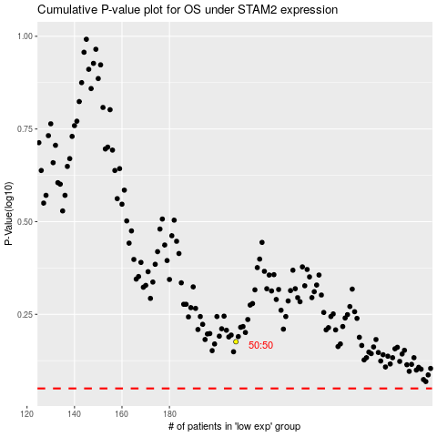

 |  |  |  |  |  | cases_OS | p_OS | rank | exp
 |  |  |  |  |  |  | cases_RFS | p_RFS | rank | exp

