STAMBPL1 _multivariate
Reported by Tex Li-Hsing Chi. tex@gate.sinica.edu.tw 2019-08-15

Table 2. The clinicopathological features of HNSCC cohort and STAMBPL1 expression. (Chi square test)
Cutoff at -0.188 (49.8%)
 |  | STAMBPL1 expression |  | STAMBPL1 expression |  | (Optimised)
 | Features | Low | (%) | High | (%) | Case no | P-value | Remark | Matthews
Gender | Female | 152 | 36.6 | 154 | 37.1 | 415 | 0.9766 | 0 | 0
2 | Male | 55 | 13.3 | 54 | 13
Age at diagnosis | <=65y | 142 | 34.2 | 132 | 31.8 | 415 | 0.3167 | 0 | 0
4 | >65y | 65 | 15.7 | 76 | 18.3
Clinical T Status | T1+T2 | 64 | 15.4 | 85 | 20.5 | 415 | 0.0445 | 1 | 0
6 | T3+T4 | 143 | 34.5 | 123 | 29.6
Clinical N Status | N0 | 117 | 28.2 | 99 | 23.9 | 415 | 0.0852 | 1 | 0
8 | N1-3 | 90 | 21.7 | 109 | 26.3
Clinical M Status | M0 | 207 | 49.9 | 205 | 49.4 | 415 | 0.2482 | 0 | 0
10 | M1 | 0 | 0 | 3 | 0.7
Clinical Stage | Stage I+II | 44 | 10.6 | 58 | 14 | 415 | 0.1459 | 0 | 0
12 | Stage III+IV | 163 | 39.3 | 150 | 36.1
Surgical Margin status | Negative | 160 | 38.6 | 158 | 38.1 | 415 | 0.8167 | 0 | 0
14 | Positive | 47 | 11.3 | 50 | 12
Tobacco Exposure | Low | 77 | 18.6 | 84 | 20.2 | 415 | 0.5459 | 0 | 0
16 | High | 130 | 31.3 | 124 | 29.9

Table 3. Univariate/Multivariate Cox's proportional hazards regression analyses on OS time of STAMBPL1 gene expression in HNSCC

 |  | Univariate |  |  |  | Multivariate
 | Features | HR | CI95%(L) | CI95%(H) | P-value | HR | CI95%(L) | CI95%(H) | P-value
1 | Female | 1 |  |  |  | 1
Gender | Male | 1.157 | 0.843 | 1.587 | 0.367 | 1.202 | 0.861 | 1.679 | 0.28
11 | <=65y | 1 |  |  |  | 1
Age at diagnosis | >65y | 1.329 | 0.99 | 1.784 | 0.058 | 1.388 | 1.02 | 1.888 | 0.037
12 | T1+T2 | 1 |  |  |  | 1
Clinical T Status | T3+T4 | 1.409 | 1.028 | 1.931 | 0.033 | 2.205 | 1.166 | 4.169 | 0.015
13 | N0 | 1 |  |  |  | 1
Clinical N Status | N1-3 | 1.185 | 0.89 | 1.577 | 0.246 | 1.229 | 0.856 | 1.765 | 0.264
14 | M0 | 1 |  |  |  | 1
Clinical M Status | M1 | 4.097 | 1.009 | 16.644 | 0.049 | 9.245 | 2.007 | 42.59 | 0.004
15 | Stage I+II | 1 |  |  |  | 1
Clinical Stage | Stage III+IV | 1.245 | 0.882 | 1.759 | 0.213 | 0.509 | 0.236 | 1.096 | 0.084
16 | Negative | 1 |  |  |  | 1
Surgical Margin status | Positive | 1.591 | 1.155 | 2.191 | 0.004 | 1.673 | 1.211 | 2.311 | 0.002
17 | Low | 1 |  |  |  | 1
Tobacco Exposure | High | 1.364 | 1.008 | 1.844 | 0.044 | 1.454 | 1.055 | 2.003 | 0.022
18 | Low | 1 |  |  |  | 1
RNAseq(z-score) | High | 1.071 | 0.804 | 1.428 | 0.637 | 1.042 | 0.775 | 1.4 | 0.786

Table 4. Univariate/Multivariate Cox's proportional hazards regression analyses on RFS time of STAMBPL1 gene expression in HNSCC

 |  | Univariate |  |  |  | Multivariate
 | Features | HR | CI95%(L) | CI95%(H) | P-value | HR | CI95%(L) | CI95%(H) | P-value
1 | Female | 1 |  |  |  | 1
Gender | Male | 1.157 | 0.843 | 1.587 | 0.367 | 1.202 | 0.861 | 1.679 | 0.28
11 | <=65y | 1 |  |  |  | 1
Age at diagnosis | >65y | 1.329 | 0.99 | 1.784 | 0.058 | 1.388 | 1.02 | 1.888 | 0.037
12 | T1+T2 | 1 |  |  |  | 1
Clinical T Status | T3+T4 | 1.409 | 1.028 | 1.931 | 0.033 | 2.205 | 1.166 | 4.169 | 0.015
13 | N0 | 1 |  |  |  | 1
Clinical N Status | N1-3 | 1.185 | 0.89 | 1.577 | 0.246 | 1.229 | 0.856 | 1.765 | 0.264
14 | M0 | 1 |  |  |  | 1
Clinical M Status | M1 | 4.097 | 1.009 | 16.644 | 0.049 | 9.245 | 2.007 | 42.59 | 0.004
15 | Stage I+II | 1 |  |  |  | 1
Clinical Stage | Stage III+IV | 1.245 | 0.882 | 1.759 | 0.213 | 0.509 | 0.236 | 1.096 | 0.084
16 | Negative | 1 |  |  |  | 1
Surgical Margin status | Positive | 1.591 | 1.155 | 2.191 | 0.004 | 1.673 | 1.211 | 2.311 | 0.002
17 | Low | 1 |  |  |  | 1
Tobacco Exposure | High | 1.364 | 1.008 | 1.844 | 0.044 | 1.454 | 1.055 | 2.003 | 0.022
18 | Low | 1 |  |  |  | 1
RNAseq(z-score) | High | 1.071 | 0.804 | 1.428 | 0.637 | 1.042 | 0.775 | 1.4 | 0.786

Kaplan-Meier survival estimate: Cutoff at -0.188 (49.8%)



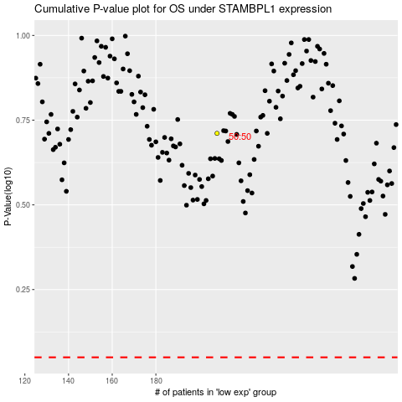

 |  |  |  |  |  | cases_OS | p_OS | rank | exp
 |  |  |  |  |  |  | cases_RFS | p_RFS | rank | exp

