STARD3NL _multivariate
Reported by Tex Li-Hsing Chi. tex@gate.sinica.edu.tw 2019-08-15

Table 2. The clinicopathological features of HNSCC cohort and STARD3NL expression. (Chi square test)
Cutoff at 0.309 (69.1%)
 |  | STARD3NL expression |  | STARD3NL expression |  | (Optimised)
 | Features | Low | (%) | High | (%) | Case no | P-value | Remark | Matthews
Gender | Female | 219 | 52.8 | 87 | 21 | 415 | 0.0965 | 0 | 0
2 | Male | 68 | 16.4 | 41 | 9.9
Age at diagnosis | <=65y | 196 | 47.2 | 78 | 18.8 | 415 | 0.1774 | 0 | 0
4 | >65y | 91 | 21.9 | 50 | 12
Clinical T Status | T1+T2 | 104 | 25.1 | 45 | 10.8 | 415 | 0.9194 | 0 | 0
6 | T3+T4 | 183 | 44.1 | 83 | 20
Clinical N Status | N0 | 153 | 36.9 | 63 | 15.2 | 415 | 0.5066 | 0 | 0
8 | N1-3 | 134 | 32.3 | 65 | 15.7
Clinical M Status | M0 | 286 | 68.9 | 126 | 30.4 | 415 | 0.2261 | 0 | 0
10 | M1 | 1 | 0.2 | 2 | 0.5
Clinical Stage | Stage I+II | 68 | 16.4 | 34 | 8.2 | 415 | 0.6146 | 0 | 0
12 | Stage III+IV | 219 | 52.8 | 94 | 22.7
Surgical Margin status | Negative | 223 | 53.7 | 95 | 22.9 | 415 | 0.4528 | 0 | 0
14 | Positive | 64 | 15.4 | 33 | 8
Tobacco Exposure | Low | 111 | 26.7 | 50 | 12 | 415 | 1 | 0 | 0
16 | High | 176 | 42.4 | 78 | 18.8

Table 3. Univariate/Multivariate Cox's proportional hazards regression analyses on OS time of STARD3NL gene expression in HNSCC

 |  | Univariate |  |  |  | Multivariate
 | Features | HR | CI95%(L) | CI95%(H) | P-value | HR | CI95%(L) | CI95%(H) | P-value
1 | Female | 1 |  |  |  | 1
Gender | Male | 1.157 | 0.843 | 1.587 | 0.367 | 1.114 | 0.791 | 1.568 | 0.536
11 | <=65y | 1 |  |  |  | 1
Age at diagnosis | >65y | 1.329 | 0.99 | 1.784 | 0.058 | 1.382 | 1.017 | 1.878 | 0.039
12 | T1+T2 | 1 |  |  |  | 1
Clinical T Status | T3+T4 | 1.409 | 1.028 | 1.931 | 0.033 | 2.062 | 1.086 | 3.914 | 0.027
13 | N0 | 1 |  |  |  | 1
Clinical N Status | N1-3 | 1.185 | 0.89 | 1.577 | 0.246 | 1.222 | 0.856 | 1.745 | 0.27
14 | M0 | 1 |  |  |  | 1
Clinical M Status | M1 | 4.097 | 1.009 | 16.644 | 0.049 | 7.731 | 1.671 | 35.772 | 0.009
15 | Stage I+II | 1 |  |  |  | 1
Clinical Stage | Stage III+IV | 1.245 | 0.882 | 1.759 | 0.213 | 0.557 | 0.257 | 1.204 | 0.137
16 | Negative | 1 |  |  |  | 1
Surgical Margin status | Positive | 1.591 | 1.155 | 2.191 | 0.004 | 1.624 | 1.175 | 2.244 | 0.003
17 | Low | 1 |  |  |  | 1
Tobacco Exposure | High | 1.364 | 1.008 | 1.844 | 0.044 | 1.438 | 1.044 | 1.98 | 0.026
18 | Low | 1 |  |  |  | 1
RNAseq(z-score) | High | 1.571 | 1.168 | 2.115 | 0.003 | 1.423 | 1.046 | 1.937 | 0.025

Table 4. Univariate/Multivariate Cox's proportional hazards regression analyses on RFS time of STARD3NL gene expression in HNSCC

 |  | Univariate |  |  |  | Multivariate
 | Features | HR | CI95%(L) | CI95%(H) | P-value | HR | CI95%(L) | CI95%(H) | P-value
1 | Female | 1 |  |  |  | 1
Gender | Male | 1.157 | 0.843 | 1.587 | 0.367 | 1.114 | 0.791 | 1.568 | 0.536
11 | <=65y | 1 |  |  |  | 1
Age at diagnosis | >65y | 1.329 | 0.99 | 1.784 | 0.058 | 1.382 | 1.017 | 1.878 | 0.039
12 | T1+T2 | 1 |  |  |  | 1
Clinical T Status | T3+T4 | 1.409 | 1.028 | 1.931 | 0.033 | 2.062 | 1.086 | 3.914 | 0.027
13 | N0 | 1 |  |  |  | 1
Clinical N Status | N1-3 | 1.185 | 0.89 | 1.577 | 0.246 | 1.222 | 0.856 | 1.745 | 0.27
14 | M0 | 1 |  |  |  | 1
Clinical M Status | M1 | 4.097 | 1.009 | 16.644 | 0.049 | 7.731 | 1.671 | 35.772 | 0.009
15 | Stage I+II | 1 |  |  |  | 1
Clinical Stage | Stage III+IV | 1.245 | 0.882 | 1.759 | 0.213 | 0.557 | 0.257 | 1.204 | 0.137
16 | Negative | 1 |  |  |  | 1
Surgical Margin status | Positive | 1.591 | 1.155 | 2.191 | 0.004 | 1.624 | 1.175 | 2.244 | 0.003
17 | Low | 1 |  |  |  | 1
Tobacco Exposure | High | 1.364 | 1.008 | 1.844 | 0.044 | 1.438 | 1.044 | 1.98 | 0.026
18 | Low | 1 |  |  |  | 1
RNAseq(z-score) | High | 1.571 | 1.168 | 2.115 | 0.003 | 1.423 | 1.046 | 1.937 | 0.025

Kaplan-Meier survival estimate: Cutoff at 0.309 (69.1%)

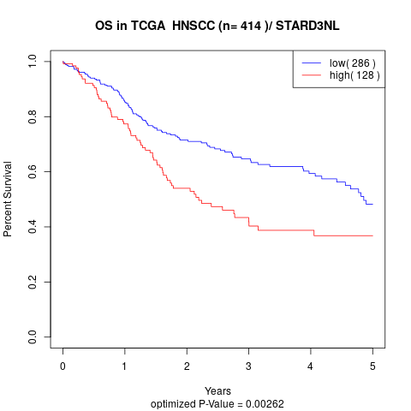

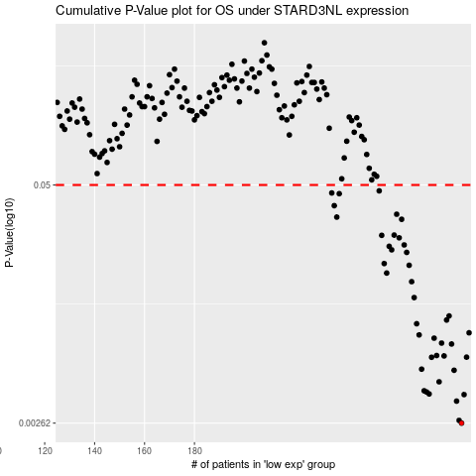

 |  |  |  |  |  | cases_OS | p_OS | rank | exp
 |  |  |  |  |  | 287 | 0.00262 | 263 | 0.30879004919
 |  |  |  |  |  | 286 | 0.00271 | 28 | 0.30199905656
 |  |  |  |  |  | 285 | 0.00344 | 252 | 0.28927446192
 |  |  |  |  |  | 288 | 0.00373 | 78 | 0.31428832197
 |  |  |  |  |  | 274 | 0.00376 | 210 | 0.22315677251
 |  |  |  |  |  | 273 | 0.00385 | 291 | 0.22208996488
 |  |  |  |  |  | 272 | 0.00391 | 306 | 0.2200459973
 |  |  |  |  |  | 278 | 0.00437 | 241 | 0.25276740806
 |  |  |  |  |  | 284 | 0.00504 | 301 | 0.28587824843
 |  |  |  |  |  | 271 | 0.00511 | 158 | 0.20401698841
 |  |  |  |  |  | 275 | 0.00592 | 76 | 0.2343627351
 |  |  |  |  |  | 289 | 0.00593 | 236 | 0.31449307731
 |  |  |  |  |  | 280 | 0.00602 | 239 | 0.26497993503
 |  |  |  |  |  | 277 | 0.00605 | 129 | 0.24726913528
 |  |  |  |  |  | 283 | 0.00698 | 132 | 0.27431154349
 |  |  |  |  |  | 279 | 0.00706 | 388 | 0.26106806796
 |  |  |  |  |  | 276 | 0.0075 | 316 | 0.23840010895
 |  |  |  |  |  | 270 | 0.00781 | 111 | 0.20400623069
 |  |  |  |  |  | 290 | 0.00802 | 215 | 0.32077271945
 |  |  |  |  |  | 269 | 0.00897 | 359 | 0.19933917139
 |  |  |  |  |  | 281 | 0.00939 | 279 | 0.26577421366
 |  |  |  |  |  | 282 | 0.00988 | 399 | 0.27156724808
 |  |  |  |  |  | 268 | 0.0124 | 49 | 0.19889667034
 |  |  |  |  |  | 267 | 0.0151 | 171 | 0.194839574
 |  |  |  |  |  | 257 | 0.0168 | 67 | 0.11813305677
 |  |  |  |  |  | 266 | 0.0185 | 235 | 0.18812854712
 |  |  |  |  |  | 256 | 0.0189 | 332 | 0.11486127429
 |  |  |  |  |  | 265 | 0.0217 | 354 | 0.15771036509
 |  |  |  |  |  | 259 | 0.0224 | 118 | 0.12897540829
 |  |  |  |  |  | 258 | 0.0234 | 94 | 0.12831846994
 |  |  |  |  |  | 264 | 0.0238 | 46 | 0.15206614585
 |  |  |  |  |  | 262 | 0.026 | 107 | 0.13968866711
 |  |  |  |  |  | 255 | 0.0268 | 190 | 0.11258601564
 |  |  |  |  |  | 260 | 0.0269 | 86 | 0.1332677402
 |  |  |  |  |  | 263 | 0.0327 | 51 | 0.14694260046
 |  |  |  |  |  | 237 | 0.0336 | 62 | 0.034819862596
 |  |  |  |  |  | 261 | 0.0348 | 109 | 0.13416959607
 |  |  |  |  |  | 236 | 0.0387 | 294 | 0.022353811926
 |  |  |  |  |  | 238 | 0.0449 | 56 | 0.03521933275
 |  |  |  |  |  | 235 | 0.0453 | 33 | 0.0184247325
 |  |  |  |  |  | 254 | 0.0465 | 219 | 0.10018702145
 |  |  |  |  |  |  | cases_RFS | p_RFS | rank | exp
 |  |  |  |  |  |  | 286 | 0.00262 | 28 | 0.30199905656
 |  |  |  |  |  |  | 285 | 0.00271 | 252 | 0.28927446192
 |  |  |  |  |  |  | 284 | 0.00344 | 301 | 0.28587824843
 |  |  |  |  |  |  | 287 | 0.00373 | 263 | 0.30879004919
 |  |  |  |  |  |  | 273 | 0.00376 | 291 | 0.22208996488
 |  |  |  |  |  |  | 272 | 0.00385 | 306 | 0.2200459973
 |  |  |  |  |  |  | 271 | 0.00391 | 158 | 0.20401698841
 |  |  |  |  |  |  | 277 | 0.00437 | 129 | 0.24726913528
 |  |  |  |  |  |  | 283 | 0.00504 | 132 | 0.27431154349
 |  |  |  |  |  |  | 270 | 0.00511 | 111 | 0.20400623069
 |  |  |  |  |  |  | 274 | 0.00592 | 210 | 0.22315677251
 |  |  |  |  |  |  | 288 | 0.00593 | 78 | 0.31428832197
 |  |  |  |  |  |  | 279 | 0.00602 | 388 | 0.26106806796
 |  |  |  |  |  |  | 276 | 0.00605 | 316 | 0.23840010895
 |  |  |  |  |  |  | 282 | 0.00698 | 399 | 0.27156724808
 |  |  |  |  |  |  | 278 | 0.00706 | 241 | 0.25276740806
 |  |  |  |  |  |  | 275 | 0.0075 | 76 | 0.2343627351
 |  |  |  |  |  |  | 269 | 0.00781 | 359 | 0.19933917139
 |  |  |  |  |  |  | 289 | 0.00802 | 236 | 0.31449307731
 |  |  |  |  |  |  | 268 | 0.00897 | 49 | 0.19889667034
 |  |  |  |  |  |  | 280 | 0.00939 | 239 | 0.26497993503
 |  |  |  |  |  |  | 281 | 0.00988 | 279 | 0.26577421366
 |  |  |  |  |  |  | 267 | 0.0124 | 171 | 0.194839574
 |  |  |  |  |  |  | 266 | 0.0151 | 235 | 0.18812854712
 |  |  |  |  |  |  | 256 | 0.0168 | 332 | 0.11486127429
 |  |  |  |  |  |  | 265 | 0.0185 | 354 | 0.15771036509
 |  |  |  |  |  |  | 255 | 0.0189 | 190 | 0.11258601564
 |  |  |  |  |  |  | 264 | 0.0217 | 46 | 0.15206614585
 |  |  |  |  |  |  | 258 | 0.0224 | 94 | 0.12831846994
 |  |  |  |  |  |  | 257 | 0.0234 | 67 | 0.11813305677
 |  |  |  |  |  |  | 263 | 0.0238 | 51 | 0.14694260046
 |  |  |  |  |  |  | 261 | 0.026 | 109 | 0.13416959607
 |  |  |  |  |  |  | 254 | 0.0268 | 219 | 0.10018702145
 |  |  |  |  |  |  | 259 | 0.0269 | 118 | 0.12897540829
 |  |  |  |  |  |  | 262 | 0.0327 | 107 | 0.13968866711
 |  |  |  |  |  |  | 236 | 0.0336 | 294 | 0.022353811926
 |  |  |  |  |  |  | 260 | 0.0348 | 86 | 0.1332677402
 |  |  |  |  |  |  | 235 | 0.0387 | 33 | 0.0184247325
 |  |  |  |  |  |  | 237 | 0.0449 | 62 | 0.034819862596
 |  |  |  |  |  |  | 234 | 0.0453 | 245 | 0.013349596867
 |  |  |  |  |  |  | 253 | 0.0465 | 17 | 0.099304170897

