STARD5 _multivariate
Reported by Tex Li-Hsing Chi. tex@gate.sinica.edu.tw 2019-08-15

Table 2. The clinicopathological features of HNSCC cohort and STARD5 expression. (Chi square test)
Cutoff at -0.218 (50.0%)
 |  | STARD5 expression |  | STARD5 expression |  | (Optimised)
 | Features | Low | (%) | High | (%) | Case no | P-value | Remark | Matthews
Gender | Female | 166 | 40 | 140 | 33.7 | 415 | 0.0041 | 1 | 0
2 | Male | 41 | 9.9 | 68 | 16.4
Age at diagnosis | <=65y | 141 | 34 | 133 | 32 | 415 | 0.4272 | 0 | 0
4 | >65y | 66 | 15.9 | 75 | 18.1
Clinical T Status | T1+T2 | 74 | 17.8 | 75 | 18.1 | 415 | 1 | 0 | 0
6 | T3+T4 | 133 | 32 | 133 | 32
Clinical N Status | N0 | 102 | 24.6 | 114 | 27.5 | 415 | 0.3031 | 0 | 0
8 | N1-3 | 105 | 25.3 | 94 | 22.7
Clinical M Status | M0 | 206 | 49.6 | 206 | 49.6 | 415 | 1 | 0 | 0
10 | M1 | 1 | 0.2 | 2 | 0.5
Clinical Stage | Stage I+II | 50 | 12 | 52 | 12.5 | 415 | 0.9315 | 0 | 0
12 | Stage III+IV | 157 | 37.8 | 156 | 37.6
Surgical Margin status | Negative | 153 | 36.9 | 165 | 39.8 | 415 | 0.2036 | 0 | 0
14 | Positive | 54 | 13 | 43 | 10.4
Tobacco Exposure | Low | 62 | 14.9 | 99 | 23.9 | 415 | 3e-04 | 1 | 0
16 | High | 145 | 34.9 | 109 | 26.3

Table 3. Univariate/Multivariate Cox's proportional hazards regression analyses on OS time of STARD5 gene expression in HNSCC

 |  | Univariate |  |  |  | Multivariate
 | Features | HR | CI95%(L) | CI95%(H) | P-value | HR | CI95%(L) | CI95%(H) | P-value
1 | Female | 1 |  |  |  | 1
Gender | Male | 1.157 | 0.843 | 1.587 | 0.367 | 1.184 | 0.844 | 1.661 | 0.327
11 | <=65y | 1 |  |  |  | 1
Age at diagnosis | >65y | 1.329 | 0.99 | 1.784 | 0.058 | 1.389 | 1.022 | 1.888 | 0.036
12 | T1+T2 | 1 |  |  |  | 1
Clinical T Status | T3+T4 | 1.409 | 1.028 | 1.931 | 0.033 | 2.2 | 1.163 | 4.161 | 0.015
13 | N0 | 1 |  |  |  | 1
Clinical N Status | N1-3 | 1.185 | 0.89 | 1.577 | 0.246 | 1.251 | 0.876 | 1.786 | 0.218
14 | M0 | 1 |  |  |  | 1
Clinical M Status | M1 | 4.097 | 1.009 | 16.644 | 0.049 | 9.098 | 1.976 | 41.892 | 0.005
15 | Stage I+II | 1 |  |  |  | 1
Clinical Stage | Stage III+IV | 1.245 | 0.882 | 1.759 | 0.213 | 0.506 | 0.235 | 1.085 | 0.08
16 | Negative | 1 |  |  |  | 1
Surgical Margin status | Positive | 1.591 | 1.155 | 2.191 | 0.004 | 1.672 | 1.21 | 2.31 | 0.002
17 | Low | 1 |  |  |  | 1
Tobacco Exposure | High | 1.364 | 1.008 | 1.844 | 0.044 | 1.471 | 1.064 | 2.032 | 0.019
18 | Low | 1 |  |  |  | 1
RNAseq(z-score) | High | 1.062 | 0.797 | 1.416 | 0.681 | 1.088 | 0.807 | 1.466 | 0.58

Table 4. Univariate/Multivariate Cox's proportional hazards regression analyses on RFS time of STARD5 gene expression in HNSCC

 |  | Univariate |  |  |  | Multivariate
 | Features | HR | CI95%(L) | CI95%(H) | P-value | HR | CI95%(L) | CI95%(H) | P-value
1 | Female | 1 |  |  |  | 1
Gender | Male | 1.157 | 0.843 | 1.587 | 0.367 | 1.184 | 0.844 | 1.661 | 0.327
11 | <=65y | 1 |  |  |  | 1
Age at diagnosis | >65y | 1.329 | 0.99 | 1.784 | 0.058 | 1.389 | 1.022 | 1.888 | 0.036
12 | T1+T2 | 1 |  |  |  | 1
Clinical T Status | T3+T4 | 1.409 | 1.028 | 1.931 | 0.033 | 2.2 | 1.163 | 4.161 | 0.015
13 | N0 | 1 |  |  |  | 1
Clinical N Status | N1-3 | 1.185 | 0.89 | 1.577 | 0.246 | 1.251 | 0.876 | 1.786 | 0.218
14 | M0 | 1 |  |  |  | 1
Clinical M Status | M1 | 4.097 | 1.009 | 16.644 | 0.049 | 9.098 | 1.976 | 41.892 | 0.005
15 | Stage I+II | 1 |  |  |  | 1
Clinical Stage | Stage III+IV | 1.245 | 0.882 | 1.759 | 0.213 | 0.506 | 0.235 | 1.085 | 0.08
16 | Negative | 1 |  |  |  | 1
Surgical Margin status | Positive | 1.591 | 1.155 | 2.191 | 0.004 | 1.672 | 1.21 | 2.31 | 0.002
17 | Low | 1 |  |  |  | 1
Tobacco Exposure | High | 1.364 | 1.008 | 1.844 | 0.044 | 1.471 | 1.064 | 2.032 | 0.019
18 | Low | 1 |  |  |  | 1
RNAseq(z-score) | High | 1.062 | 0.797 | 1.416 | 0.681 | 1.088 | 0.807 | 1.466 | 0.58

Kaplan-Meier survival estimate: Cutoff at -0.218 (50.0%)



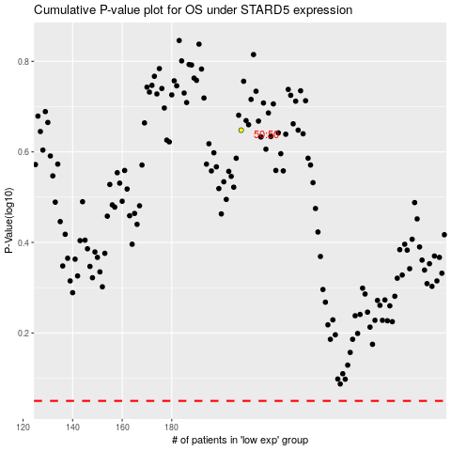

 |  |  |  |  |  | cases_OS | p_OS | rank | exp
 |  |  |  |  |  |  | cases_RFS | p_RFS | rank | exp

