STARD7 _multivariate
Reported by Tex Li-Hsing Chi. tex@gate.sinica.edu.tw 2019-08-15

Table 2. The clinicopathological features of HNSCC cohort and STARD7 expression. (Chi square test)
Cutoff at -0.252 (49.8%)
 |  | STARD7 expression |  | STARD7 expression |  | (Optimised)
 | Features | Low | (%) | High | (%) | Case no | P-value | Remark | Matthews
Gender | Female | 137 | 33 | 169 | 40.7 | 415 | 7e-04 | 1 | 0
2 | Male | 70 | 16.9 | 39 | 9.4
Age at diagnosis | <=65y | 134 | 32.3 | 140 | 33.7 | 415 | 0.6529 | 0 | 0
4 | >65y | 73 | 17.6 | 68 | 16.4
Clinical T Status | T1+T2 | 73 | 17.6 | 76 | 18.3 | 415 | 0.8666 | 0 | 0
6 | T3+T4 | 134 | 32.3 | 132 | 31.8
Clinical N Status | N0 | 107 | 25.8 | 109 | 26.3 | 415 | 0.9624 | 0 | 0
8 | N1-3 | 100 | 24.1 | 99 | 23.9
Clinical M Status | M0 | 205 | 49.4 | 207 | 49.9 | 415 | 0.6232 | 0 | 0
10 | M1 | 2 | 0.5 | 1 | 0.2
Clinical Stage | Stage I+II | 55 | 13.3 | 47 | 11.3 | 415 | 0.4087 | 0 | 0
12 | Stage III+IV | 152 | 36.6 | 161 | 38.8
Surgical Margin status | Negative | 159 | 38.3 | 159 | 38.3 | 415 | 1 | 0 | 0
14 | Positive | 48 | 11.6 | 49 | 11.8
Tobacco Exposure | Low | 101 | 24.3 | 60 | 14.5 | 415 | 0 | 1 | 0
16 | High | 106 | 25.5 | 148 | 35.7

Table 3. Univariate/Multivariate Cox's proportional hazards regression analyses on OS time of STARD7 gene expression in HNSCC

 |  | Univariate |  |  |  | Multivariate
 | Features | HR | CI95%(L) | CI95%(H) | P-value | HR | CI95%(L) | CI95%(H) | P-value
1 | Female | 1 |  |  |  | 1
Gender | Male | 1.157 | 0.843 | 1.587 | 0.367 | 1.194 | 0.851 | 1.676 | 0.305
11 | <=65y | 1 |  |  |  | 1
Age at diagnosis | >65y | 1.329 | 0.99 | 1.784 | 0.058 | 1.393 | 1.024 | 1.894 | 0.035
12 | T1+T2 | 1 |  |  |  | 1
Clinical T Status | T3+T4 | 1.409 | 1.028 | 1.931 | 0.033 | 2.19 | 1.155 | 4.15 | 0.016
13 | N0 | 1 |  |  |  | 1
Clinical N Status | N1-3 | 1.185 | 0.89 | 1.577 | 0.246 | 1.24 | 0.869 | 1.769 | 0.236
14 | M0 | 1 |  |  |  | 1
Clinical M Status | M1 | 4.097 | 1.009 | 16.644 | 0.049 | 9.246 | 2 | 42.735 | 0.004
15 | Stage I+II | 1 |  |  |  | 1
Clinical Stage | Stage III+IV | 1.245 | 0.882 | 1.759 | 0.213 | 0.51 | 0.236 | 1.1 | 0.086
16 | Negative | 1 |  |  |  | 1
Surgical Margin status | Positive | 1.591 | 1.155 | 2.191 | 0.004 | 1.67 | 1.209 | 2.308 | 0.002
17 | Low | 1 |  |  |  | 1
Tobacco Exposure | High | 1.364 | 1.008 | 1.844 | 0.044 | 1.461 | 1.056 | 2.019 | 0.022
18 | Low | 1 |  |  |  | 1
RNAseq(z-score) | High | 0.962 | 0.721 | 1.284 | 0.794 | 0.968 | 0.715 | 1.311 | 0.832

Table 4. Univariate/Multivariate Cox's proportional hazards regression analyses on RFS time of STARD7 gene expression in HNSCC

 |  | Univariate |  |  |  | Multivariate
 | Features | HR | CI95%(L) | CI95%(H) | P-value | HR | CI95%(L) | CI95%(H) | P-value
1 | Female | 1 |  |  |  | 1
Gender | Male | 1.157 | 0.843 | 1.587 | 0.367 | 1.194 | 0.851 | 1.676 | 0.305
11 | <=65y | 1 |  |  |  | 1
Age at diagnosis | >65y | 1.329 | 0.99 | 1.784 | 0.058 | 1.393 | 1.024 | 1.894 | 0.035
12 | T1+T2 | 1 |  |  |  | 1
Clinical T Status | T3+T4 | 1.409 | 1.028 | 1.931 | 0.033 | 2.19 | 1.155 | 4.15 | 0.016
13 | N0 | 1 |  |  |  | 1
Clinical N Status | N1-3 | 1.185 | 0.89 | 1.577 | 0.246 | 1.24 | 0.869 | 1.769 | 0.236
14 | M0 | 1 |  |  |  | 1
Clinical M Status | M1 | 4.097 | 1.009 | 16.644 | 0.049 | 9.246 | 2 | 42.735 | 0.004
15 | Stage I+II | 1 |  |  |  | 1
Clinical Stage | Stage III+IV | 1.245 | 0.882 | 1.759 | 0.213 | 0.51 | 0.236 | 1.1 | 0.086
16 | Negative | 1 |  |  |  | 1
Surgical Margin status | Positive | 1.591 | 1.155 | 2.191 | 0.004 | 1.67 | 1.209 | 2.308 | 0.002
17 | Low | 1 |  |  |  | 1
Tobacco Exposure | High | 1.364 | 1.008 | 1.844 | 0.044 | 1.461 | 1.056 | 2.019 | 0.022
18 | Low | 1 |  |  |  | 1
RNAseq(z-score) | High | 0.962 | 0.721 | 1.284 | 0.794 | 0.968 | 0.715 | 1.311 | 0.832

Kaplan-Meier survival estimate: Cutoff at -0.252 (49.8%)



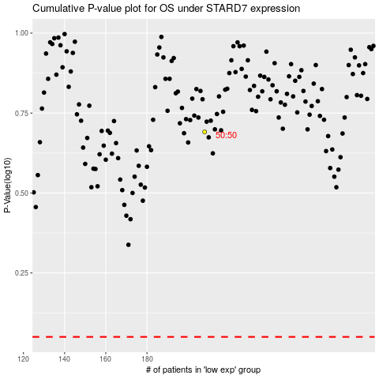

 |  |  |  |  |  | cases_OS | p_OS | rank | exp
 |  |  |  |  |  |  | cases_RFS | p_RFS | rank | exp

