STAT1 _multivariate
Reported by Tex Li-Hsing Chi. tex@gate.sinica.edu.tw 2019-08-15

Table 2. The clinicopathological features of HNSCC cohort and STAT1 expression. (Chi square test)
Cutoff at -0.187 (50.0%)
 |  | STAT1 expression |  | STAT1 expression |  | (Optimised)
 | Features | Low | (%) | High | (%) | Case no | P-value | Remark | Matthews
Gender | Female | 163 | 39.3 | 143 | 34.5 | 415 | 0.0277 | 1 | 0
2 | Male | 44 | 10.6 | 65 | 15.7
Age at diagnosis | <=65y | 143 | 34.5 | 131 | 31.6 | 415 | 0.2269 | 0 | 0
4 | >65y | 64 | 15.4 | 77 | 18.6
Clinical T Status | T1+T2 | 69 | 16.6 | 80 | 19.3 | 415 | 0.3239 | 0 | 0
6 | T3+T4 | 138 | 33.3 | 128 | 30.8
Clinical N Status | N0 | 115 | 27.7 | 101 | 24.3 | 415 | 0.184 | 1 | 0
8 | N1-3 | 92 | 22.2 | 107 | 25.8
Clinical M Status | M0 | 207 | 49.9 | 205 | 49.4 | 415 | 0.2482 | 0 | 0
10 | M1 | 0 | 0 | 3 | 0.7
Clinical Stage | Stage I+II | 48 | 11.6 | 54 | 13 | 415 | 0.5878 | 0 | 0
12 | Stage III+IV | 159 | 38.3 | 154 | 37.1
Surgical Margin status | Negative | 156 | 37.6 | 162 | 39 | 415 | 0.5636 | 0 | 0
14 | Positive | 51 | 12.3 | 46 | 11.1
Tobacco Exposure | Low | 71 | 17.1 | 90 | 21.7 | 415 | 0.0698 | 0 | 0
16 | High | 136 | 32.8 | 118 | 28.4

Table 3. Univariate/Multivariate Cox's proportional hazards regression analyses on OS time of STAT1 gene expression in HNSCC

 |  | Univariate |  |  |  | Multivariate
 | Features | HR | CI95%(L) | CI95%(H) | P-value | HR | CI95%(L) | CI95%(H) | P-value
1 | Female | 1 |  |  |  | 1
Gender | Male | 1.157 | 0.843 | 1.587 | 0.367 | 1.202 | 0.861 | 1.68 | 0.28
11 | <=65y | 1 |  |  |  | 1
Age at diagnosis | >65y | 1.329 | 0.99 | 1.784 | 0.058 | 1.393 | 1.025 | 1.893 | 0.034
12 | T1+T2 | 1 |  |  |  | 1
Clinical T Status | T3+T4 | 1.409 | 1.028 | 1.931 | 0.033 | 2.209 | 1.168 | 4.177 | 0.015
13 | N0 | 1 |  |  |  | 1
Clinical N Status | N1-3 | 1.185 | 0.89 | 1.577 | 0.246 | 1.25 | 0.875 | 1.786 | 0.221
14 | M0 | 1 |  |  |  | 1
Clinical M Status | M1 | 4.097 | 1.009 | 16.644 | 0.049 | 9.743 | 2.108 | 45.033 | 0.004
15 | Stage I+II | 1 |  |  |  | 1
Clinical Stage | Stage III+IV | 1.245 | 0.882 | 1.759 | 0.213 | 0.498 | 0.232 | 1.071 | 0.074
16 | Negative | 1 |  |  |  | 1
Surgical Margin status | Positive | 1.591 | 1.155 | 2.191 | 0.004 | 1.668 | 1.207 | 2.306 | 0.002
17 | Low | 1 |  |  |  | 1
Tobacco Exposure | High | 1.364 | 1.008 | 1.844 | 0.044 | 1.443 | 1.046 | 1.991 | 0.026
18 | Low | 1 |  |  |  | 1
RNAseq(z-score) | High | 0.94 | 0.705 | 1.253 | 0.672 | 0.936 | 0.698 | 1.255 | 0.661

Table 4. Univariate/Multivariate Cox's proportional hazards regression analyses on RFS time of STAT1 gene expression in HNSCC

 |  | Univariate |  |  |  | Multivariate
 | Features | HR | CI95%(L) | CI95%(H) | P-value | HR | CI95%(L) | CI95%(H) | P-value
1 | Female | 1 |  |  |  | 1
Gender | Male | 1.157 | 0.843 | 1.587 | 0.367 | 1.202 | 0.861 | 1.68 | 0.28
11 | <=65y | 1 |  |  |  | 1
Age at diagnosis | >65y | 1.329 | 0.99 | 1.784 | 0.058 | 1.393 | 1.025 | 1.893 | 0.034
12 | T1+T2 | 1 |  |  |  | 1
Clinical T Status | T3+T4 | 1.409 | 1.028 | 1.931 | 0.033 | 2.209 | 1.168 | 4.177 | 0.015
13 | N0 | 1 |  |  |  | 1
Clinical N Status | N1-3 | 1.185 | 0.89 | 1.577 | 0.246 | 1.25 | 0.875 | 1.786 | 0.221
14 | M0 | 1 |  |  |  | 1
Clinical M Status | M1 | 4.097 | 1.009 | 16.644 | 0.049 | 9.743 | 2.108 | 45.033 | 0.004
15 | Stage I+II | 1 |  |  |  | 1
Clinical Stage | Stage III+IV | 1.245 | 0.882 | 1.759 | 0.213 | 0.498 | 0.232 | 1.071 | 0.074
16 | Negative | 1 |  |  |  | 1
Surgical Margin status | Positive | 1.591 | 1.155 | 2.191 | 0.004 | 1.668 | 1.207 | 2.306 | 0.002
17 | Low | 1 |  |  |  | 1
Tobacco Exposure | High | 1.364 | 1.008 | 1.844 | 0.044 | 1.443 | 1.046 | 1.991 | 0.026
18 | Low | 1 |  |  |  | 1
RNAseq(z-score) | High | 0.94 | 0.705 | 1.253 | 0.672 | 0.936 | 0.698 | 1.255 | 0.661

Kaplan-Meier survival estimate: Cutoff at -0.187 (50.0%)



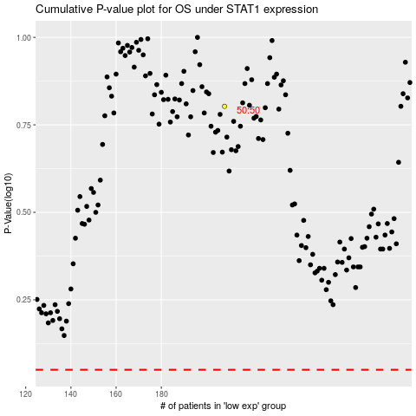

 |  |  |  |  |  | cases_OS | p_OS | rank | exp
 |  |  |  |  |  |  | cases_RFS | p_RFS | rank | exp

