STAT2 _multivariate
Reported by Tex Li-Hsing Chi. tex@gate.sinica.edu.tw 2019-08-15

Table 2. The clinicopathological features of HNSCC cohort and STAT2 expression. (Chi square test)
Cutoff at -0.125 (50.0%)
 |  | STAT2 expression |  | STAT2 expression |  | (Optimised)
 | Features | Low | (%) | High | (%) | Case no | P-value | Remark | Matthews
Gender | Female | 163 | 39.3 | 143 | 34.5 | 415 | 0.0277 | 1 | 0
2 | Male | 44 | 10.6 | 65 | 15.7
Age at diagnosis | <=65y | 146 | 35.2 | 128 | 30.8 | 415 | 0.0672 | 0 | 0
4 | >65y | 61 | 14.7 | 80 | 19.3
Clinical T Status | T1+T2 | 67 | 16.1 | 82 | 19.8 | 415 | 0.1628 | 0 | 0
6 | T3+T4 | 140 | 33.7 | 126 | 30.4
Clinical N Status | N0 | 105 | 25.3 | 111 | 26.7 | 415 | 0.6598 | 0 | 0
8 | N1-3 | 102 | 24.6 | 97 | 23.4
Clinical M Status | M0 | 207 | 49.9 | 205 | 49.4 | 415 | 0.2482 | 0 | 0
10 | M1 | 0 | 0 | 3 | 0.7
Clinical Stage | Stage I+II | 44 | 10.6 | 58 | 14 | 415 | 0.1459 | 0 | 0
12 | Stage III+IV | 163 | 39.3 | 150 | 36.1
Surgical Margin status | Negative | 156 | 37.6 | 162 | 39 | 415 | 0.5636 | 0 | 0
14 | Positive | 51 | 12.3 | 46 | 11.1
Tobacco Exposure | Low | 61 | 14.7 | 100 | 24.1 | 415 | 1e-04 | 1 | 0
16 | High | 146 | 35.2 | 108 | 26

Table 3. Univariate/Multivariate Cox's proportional hazards regression analyses on OS time of STAT2 gene expression in HNSCC

 |  | Univariate |  |  |  | Multivariate
 | Features | HR | CI95%(L) | CI95%(H) | P-value | HR | CI95%(L) | CI95%(H) | P-value
1 | Female | 1 |  |  |  | 1
Gender | Male | 1.157 | 0.843 | 1.587 | 0.367 | 1.201 | 0.859 | 1.677 | 0.284
11 | <=65y | 1 |  |  |  | 1
Age at diagnosis | >65y | 1.329 | 0.99 | 1.784 | 0.058 | 1.397 | 1.027 | 1.899 | 0.033
12 | T1+T2 | 1 |  |  |  | 1
Clinical T Status | T3+T4 | 1.409 | 1.028 | 1.931 | 0.033 | 2.217 | 1.172 | 4.195 | 0.014
13 | N0 | 1 |  |  |  | 1
Clinical N Status | N1-3 | 1.185 | 0.89 | 1.577 | 0.246 | 1.243 | 0.871 | 1.774 | 0.231
14 | M0 | 1 |  |  |  | 1
Clinical M Status | M1 | 4.097 | 1.009 | 16.644 | 0.049 | 9.785 | 2.109 | 45.391 | 0.004
15 | Stage I+II | 1 |  |  |  | 1
Clinical Stage | Stage III+IV | 1.245 | 0.882 | 1.759 | 0.213 | 0.496 | 0.23 | 1.07 | 0.074
16 | Negative | 1 |  |  |  | 1
Surgical Margin status | Positive | 1.591 | 1.155 | 2.191 | 0.004 | 1.673 | 1.211 | 2.311 | 0.002
17 | Low | 1 |  |  |  | 1
Tobacco Exposure | High | 1.364 | 1.008 | 1.844 | 0.044 | 1.437 | 1.039 | 1.988 | 0.028
18 | Low | 1 |  |  |  | 1
RNAseq(z-score) | High | 0.94 | 0.705 | 1.253 | 0.674 | 0.94 | 0.698 | 1.265 | 0.681

Table 4. Univariate/Multivariate Cox's proportional hazards regression analyses on RFS time of STAT2 gene expression in HNSCC

 |  | Univariate |  |  |  | Multivariate
 | Features | HR | CI95%(L) | CI95%(H) | P-value | HR | CI95%(L) | CI95%(H) | P-value
1 | Female | 1 |  |  |  | 1
Gender | Male | 1.157 | 0.843 | 1.587 | 0.367 | 1.201 | 0.859 | 1.677 | 0.284
11 | <=65y | 1 |  |  |  | 1
Age at diagnosis | >65y | 1.329 | 0.99 | 1.784 | 0.058 | 1.397 | 1.027 | 1.899 | 0.033
12 | T1+T2 | 1 |  |  |  | 1
Clinical T Status | T3+T4 | 1.409 | 1.028 | 1.931 | 0.033 | 2.217 | 1.172 | 4.195 | 0.014
13 | N0 | 1 |  |  |  | 1
Clinical N Status | N1-3 | 1.185 | 0.89 | 1.577 | 0.246 | 1.243 | 0.871 | 1.774 | 0.231
14 | M0 | 1 |  |  |  | 1
Clinical M Status | M1 | 4.097 | 1.009 | 16.644 | 0.049 | 9.785 | 2.109 | 45.391 | 0.004
15 | Stage I+II | 1 |  |  |  | 1
Clinical Stage | Stage III+IV | 1.245 | 0.882 | 1.759 | 0.213 | 0.496 | 0.23 | 1.07 | 0.074
16 | Negative | 1 |  |  |  | 1
Surgical Margin status | Positive | 1.591 | 1.155 | 2.191 | 0.004 | 1.673 | 1.211 | 2.311 | 0.002
17 | Low | 1 |  |  |  | 1
Tobacco Exposure | High | 1.364 | 1.008 | 1.844 | 0.044 | 1.437 | 1.039 | 1.988 | 0.028
18 | Low | 1 |  |  |  | 1
RNAseq(z-score) | High | 0.94 | 0.705 | 1.253 | 0.674 | 0.94 | 0.698 | 1.265 | 0.681

Kaplan-Meier survival estimate: Cutoff at -0.125 (50.0%)



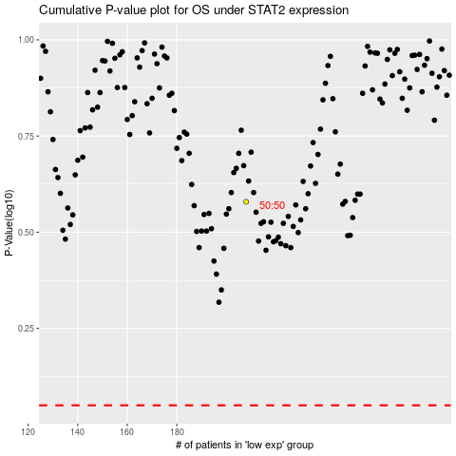

 |  |  |  |  |  | cases_OS | p_OS | rank | exp
 |  |  |  |  |  |  | cases_RFS | p_RFS | rank | exp

