STAT4 _multivariate
Reported by Tex Li-Hsing Chi. tex@gate.sinica.edu.tw 2019-08-15

Table 2. The clinicopathological features of HNSCC cohort and STAT4 expression. (Chi square test)
Cutoff at -0.075 (49.8%)
 |  | STAT4 expression |  | STAT4 expression |  | (Optimised)
 | Features | Low | (%) | High | (%) | Case no | P-value | Remark | Matthews
Gender | Female | 163 | 39.3 | 143 | 34.5 | 415 | 0.0277 | 1 | 0
2 | Male | 44 | 10.6 | 65 | 15.7
Age at diagnosis | <=65y | 145 | 34.9 | 129 | 31.1 | 415 | 0.1046 | 0 | 0
4 | >65y | 62 | 14.9 | 79 | 19
Clinical T Status | T1+T2 | 73 | 17.6 | 76 | 18.3 | 415 | 0.8666 | 0 | 0
6 | T3+T4 | 134 | 32.3 | 132 | 31.8
Clinical N Status | N0 | 107 | 25.8 | 109 | 26.3 | 415 | 0.9624 | 0 | 0
8 | N1-3 | 100 | 24.1 | 99 | 23.9
Clinical M Status | M0 | 206 | 49.6 | 206 | 49.6 | 415 | 1 | 0 | 0
10 | M1 | 1 | 0.2 | 2 | 0.5
Clinical Stage | Stage I+II | 51 | 12.3 | 51 | 12.3 | 415 | 1 | 0 | 0
12 | Stage III+IV | 156 | 37.6 | 157 | 37.8
Surgical Margin status | Negative | 158 | 38.1 | 160 | 38.6 | 415 | 0.9081 | 0 | 0
14 | Positive | 49 | 11.8 | 48 | 11.6
Tobacco Exposure | Low | 71 | 17.1 | 90 | 21.7 | 415 | 0.0698 | 0 | 0
16 | High | 136 | 32.8 | 118 | 28.4

Table 3. Univariate/Multivariate Cox's proportional hazards regression analyses on OS time of STAT4 gene expression in HNSCC

 |  | Univariate |  |  |  | Multivariate
 | Features | HR | CI95%(L) | CI95%(H) | P-value | HR | CI95%(L) | CI95%(H) | P-value
1 | Female | 1 |  |  |  | 1
Gender | Male | 1.157 | 0.843 | 1.587 | 0.367 | 1.211 | 0.864 | 1.697 | 0.265
11 | <=65y | 1 |  |  |  | 1
Age at diagnosis | >65y | 1.329 | 0.99 | 1.784 | 0.058 | 1.394 | 1.026 | 1.895 | 0.034
12 | T1+T2 | 1 |  |  |  | 1
Clinical T Status | T3+T4 | 1.409 | 1.028 | 1.931 | 0.033 | 2.196 | 1.161 | 4.153 | 0.016
13 | N0 | 1 |  |  |  | 1
Clinical N Status | N1-3 | 1.185 | 0.89 | 1.577 | 0.246 | 1.235 | 0.865 | 1.764 | 0.246
14 | M0 | 1 |  |  |  | 1
Clinical M Status | M1 | 4.097 | 1.009 | 16.644 | 0.049 | 9.575 | 2.082 | 44.021 | 0.004
15 | Stage I+II | 1 |  |  |  | 1
Clinical Stage | Stage III+IV | 1.245 | 0.882 | 1.759 | 0.213 | 0.507 | 0.236 | 1.088 | 0.081
16 | Negative | 1 |  |  |  | 1
Surgical Margin status | Positive | 1.591 | 1.155 | 2.191 | 0.004 | 1.674 | 1.212 | 2.314 | 0.002
17 | Low | 1 |  |  |  | 1
Tobacco Exposure | High | 1.364 | 1.008 | 1.844 | 0.044 | 1.446 | 1.049 | 1.995 | 0.024
18 | Low | 1 |  |  |  | 1
RNAseq(z-score) | High | 0.963 | 0.723 | 1.282 | 0.798 | 0.948 | 0.707 | 1.27 | 0.719

Table 4. Univariate/Multivariate Cox's proportional hazards regression analyses on RFS time of STAT4 gene expression in HNSCC

 |  | Univariate |  |  |  | Multivariate
 | Features | HR | CI95%(L) | CI95%(H) | P-value | HR | CI95%(L) | CI95%(H) | P-value
1 | Female | 1 |  |  |  | 1
Gender | Male | 1.157 | 0.843 | 1.587 | 0.367 | 1.211 | 0.864 | 1.697 | 0.265
11 | <=65y | 1 |  |  |  | 1
Age at diagnosis | >65y | 1.329 | 0.99 | 1.784 | 0.058 | 1.394 | 1.026 | 1.895 | 0.034
12 | T1+T2 | 1 |  |  |  | 1
Clinical T Status | T3+T4 | 1.409 | 1.028 | 1.931 | 0.033 | 2.196 | 1.161 | 4.153 | 0.016
13 | N0 | 1 |  |  |  | 1
Clinical N Status | N1-3 | 1.185 | 0.89 | 1.577 | 0.246 | 1.235 | 0.865 | 1.764 | 0.246
14 | M0 | 1 |  |  |  | 1
Clinical M Status | M1 | 4.097 | 1.009 | 16.644 | 0.049 | 9.575 | 2.082 | 44.021 | 0.004
15 | Stage I+II | 1 |  |  |  | 1
Clinical Stage | Stage III+IV | 1.245 | 0.882 | 1.759 | 0.213 | 0.507 | 0.236 | 1.088 | 0.081
16 | Negative | 1 |  |  |  | 1
Surgical Margin status | Positive | 1.591 | 1.155 | 2.191 | 0.004 | 1.674 | 1.212 | 2.314 | 0.002
17 | Low | 1 |  |  |  | 1
Tobacco Exposure | High | 1.364 | 1.008 | 1.844 | 0.044 | 1.446 | 1.049 | 1.995 | 0.024
18 | Low | 1 |  |  |  | 1
RNAseq(z-score) | High | 0.963 | 0.723 | 1.282 | 0.798 | 0.948 | 0.707 | 1.27 | 0.719

Kaplan-Meier survival estimate: Cutoff at -0.075 (49.8%)



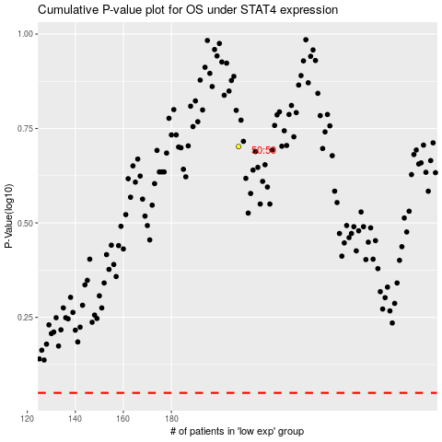

 |  |  |  |  |  | cases_OS | p_OS | rank | exp
 |  |  |  |  |  |  | cases_RFS | p_RFS | rank | exp

