STAT6 _multivariate
Reported by Tex Li-Hsing Chi. tex@gate.sinica.edu.tw 2019-08-15

Table 2. The clinicopathological features of HNSCC cohort and STAT6 expression. (Chi square test)
Cutoff at -0.079 (50.0%)
 |  | STAT6 expression |  | STAT6 expression |  | (Optimised)
 | Features | Low | (%) | High | (%) | Case no | P-value | Remark | Matthews
Gender | Female | 157 | 37.8 | 149 | 35.9 | 415 | 0.3881 | 0 | 0
2 | Male | 50 | 12 | 59 | 14.2
Age at diagnosis | <=65y | 146 | 35.2 | 128 | 30.8 | 415 | 0.0672 | 0 | 0
4 | >65y | 61 | 14.7 | 80 | 19.3
Clinical T Status | T1+T2 | 69 | 16.6 | 80 | 19.3 | 415 | 0.3239 | 0 | 0
6 | T3+T4 | 138 | 33.3 | 128 | 30.8
Clinical N Status | N0 | 103 | 24.8 | 113 | 27.2 | 415 | 0.4047 | 0 | 0
8 | N1-3 | 104 | 25.1 | 95 | 22.9
Clinical M Status | M0 | 207 | 49.9 | 205 | 49.4 | 415 | 0.2482 | 0 | 0
10 | M1 | 0 | 0 | 3 | 0.7
Clinical Stage | Stage I+II | 48 | 11.6 | 54 | 13 | 415 | 0.5878 | 0 | 0
12 | Stage III+IV | 159 | 38.3 | 154 | 37.1
Surgical Margin status | Negative | 150 | 36.1 | 168 | 40.5 | 415 | 0.0492 | 1 | 0
14 | Positive | 57 | 13.7 | 40 | 9.6
Tobacco Exposure | Low | 66 | 15.9 | 95 | 22.9 | 415 | 0.0048 | 1 | 0
16 | High | 141 | 34 | 113 | 27.2

Table 3. Univariate/Multivariate Cox's proportional hazards regression analyses on OS time of STAT6 gene expression in HNSCC

 |  | Univariate |  |  |  | Multivariate
 | Features | HR | CI95%(L) | CI95%(H) | P-value | HR | CI95%(L) | CI95%(H) | P-value
1 | Female | 1 |  |  |  | 1
Gender | Male | 1.157 | 0.843 | 1.587 | 0.367 | 1.211 | 0.866 | 1.691 | 0.263
11 | <=65y | 1 |  |  |  | 1
Age at diagnosis | >65y | 1.329 | 0.99 | 1.784 | 0.058 | 1.388 | 1.02 | 1.888 | 0.037
12 | T1+T2 | 1 |  |  |  | 1
Clinical T Status | T3+T4 | 1.409 | 1.028 | 1.931 | 0.033 | 2.227 | 1.177 | 4.215 | 0.014
13 | N0 | 1 |  |  |  | 1
Clinical N Status | N1-3 | 1.185 | 0.89 | 1.577 | 0.246 | 1.255 | 0.879 | 1.792 | 0.212
14 | M0 | 1 |  |  |  | 1
Clinical M Status | M1 | 4.097 | 1.009 | 16.644 | 0.049 | 8.927 | 1.938 | 41.113 | 0.005
15 | Stage I+II | 1 |  |  |  | 1
Clinical Stage | Stage III+IV | 1.245 | 0.882 | 1.759 | 0.213 | 0.497 | 0.231 | 1.069 | 0.074
16 | Negative | 1 |  |  |  | 1
Surgical Margin status | Positive | 1.591 | 1.155 | 2.191 | 0.004 | 1.698 | 1.226 | 2.352 | 0.001
17 | Low | 1 |  |  |  | 1
Tobacco Exposure | High | 1.364 | 1.008 | 1.844 | 0.044 | 1.482 | 1.071 | 2.049 | 0.017
18 | Low | 1 |  |  |  | 1
RNAseq(z-score) | High | 1.043 | 0.783 | 1.389 | 0.776 | 1.133 | 0.844 | 1.521 | 0.407

Table 4. Univariate/Multivariate Cox's proportional hazards regression analyses on RFS time of STAT6 gene expression in HNSCC

 |  | Univariate |  |  |  | Multivariate
 | Features | HR | CI95%(L) | CI95%(H) | P-value | HR | CI95%(L) | CI95%(H) | P-value
1 | Female | 1 |  |  |  | 1
Gender | Male | 1.157 | 0.843 | 1.587 | 0.367 | 1.211 | 0.866 | 1.691 | 0.263
11 | <=65y | 1 |  |  |  | 1
Age at diagnosis | >65y | 1.329 | 0.99 | 1.784 | 0.058 | 1.388 | 1.02 | 1.888 | 0.037
12 | T1+T2 | 1 |  |  |  | 1
Clinical T Status | T3+T4 | 1.409 | 1.028 | 1.931 | 0.033 | 2.227 | 1.177 | 4.215 | 0.014
13 | N0 | 1 |  |  |  | 1
Clinical N Status | N1-3 | 1.185 | 0.89 | 1.577 | 0.246 | 1.255 | 0.879 | 1.792 | 0.212
14 | M0 | 1 |  |  |  | 1
Clinical M Status | M1 | 4.097 | 1.009 | 16.644 | 0.049 | 8.927 | 1.938 | 41.113 | 0.005
15 | Stage I+II | 1 |  |  |  | 1
Clinical Stage | Stage III+IV | 1.245 | 0.882 | 1.759 | 0.213 | 0.497 | 0.231 | 1.069 | 0.074
16 | Negative | 1 |  |  |  | 1
Surgical Margin status | Positive | 1.591 | 1.155 | 2.191 | 0.004 | 1.698 | 1.226 | 2.352 | 0.001
17 | Low | 1 |  |  |  | 1
Tobacco Exposure | High | 1.364 | 1.008 | 1.844 | 0.044 | 1.482 | 1.071 | 2.049 | 0.017
18 | Low | 1 |  |  |  | 1
RNAseq(z-score) | High | 1.043 | 0.783 | 1.389 | 0.776 | 1.133 | 0.844 | 1.521 | 0.407

Kaplan-Meier survival estimate: Cutoff at -0.079 (50.0%)



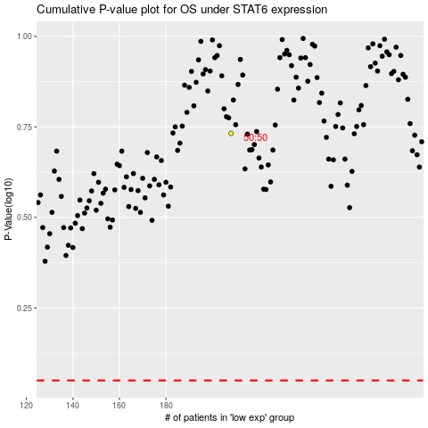

 |  |  |  |  |  | cases_OS | p_OS | rank | exp
 |  |  |  |  |  |  | cases_RFS | p_RFS | rank | exp

