STAU2 _multivariate
Reported by Tex Li-Hsing Chi. tex@gate.sinica.edu.tw 2019-08-15

Table 2. The clinicopathological features of HNSCC cohort and STAU2 expression. (Chi square test)
Cutoff at -0.556 (32.6%)
 |  | STAU2 expression |  | STAU2 expression |  | (Optimised)
 | Features | Low | (%) | High | (%) | Case no | P-value | Remark | Matthews
Gender | Female | 100 | 24.1 | 206 | 49.6 | 415 | 1 | 0 | 0
2 | Male | 35 | 8.4 | 74 | 17.8
Age at diagnosis | <=65y | 85 | 20.5 | 189 | 45.5 | 415 | 0.4216 | 0 | 0
4 | >65y | 50 | 12 | 91 | 21.9
Clinical T Status | T1+T2 | 47 | 11.3 | 102 | 24.6 | 415 | 0.8322 | 0 | 0
6 | T3+T4 | 88 | 21.2 | 178 | 42.9
Clinical N Status | N0 | 72 | 17.3 | 144 | 34.7 | 415 | 0.7956 | 0 | 0
8 | N1-3 | 63 | 15.2 | 136 | 32.8
Clinical M Status | M0 | 133 | 32 | 279 | 67.2 | 415 | 0.2481 | 0 | 0
10 | M1 | 2 | 0.5 | 1 | 0.2
Clinical Stage | Stage I+II | 32 | 7.7 | 70 | 16.9 | 415 | 0.8684 | 0 | 0
12 | Stage III+IV | 103 | 24.8 | 210 | 50.6
Surgical Margin status | Negative | 101 | 24.3 | 217 | 52.3 | 415 | 0.5388 | 0 | 0
14 | Positive | 34 | 8.2 | 63 | 15.2
Tobacco Exposure | Low | 54 | 13 | 107 | 25.8 | 415 | 0.7477 | 0 | 0
16 | High | 81 | 19.5 | 173 | 41.7

Table 3. Univariate/Multivariate Cox's proportional hazards regression analyses on OS time of STAU2 gene expression in HNSCC

 |  | Univariate |  |  |  | Multivariate
 | Features | HR | CI95%(L) | CI95%(H) | P-value | HR | CI95%(L) | CI95%(H) | P-value
1 | Female | 1 |  |  |  | 1
Gender | Male | 1.157 | 0.843 | 1.587 | 0.367 | 1.18 | 0.843 | 1.652 | 0.335
11 | <=65y | 1 |  |  |  | 1
Age at diagnosis | >65y | 1.329 | 0.99 | 1.784 | 0.058 | 1.376 | 1.011 | 1.871 | 0.042
12 | T1+T2 | 1 |  |  |  | 1
Clinical T Status | T3+T4 | 1.409 | 1.028 | 1.931 | 0.033 | 2.194 | 1.161 | 4.146 | 0.016
13 | N0 | 1 |  |  |  | 1
Clinical N Status | N1-3 | 1.185 | 0.89 | 1.577 | 0.246 | 1.248 | 0.874 | 1.78 | 0.223
14 | M0 | 1 |  |  |  | 1
Clinical M Status | M1 | 4.097 | 1.009 | 16.644 | 0.049 | 8.371 | 1.809 | 38.737 | 0.007
15 | Stage I+II | 1 |  |  |  | 1
Clinical Stage | Stage III+IV | 1.245 | 0.882 | 1.759 | 0.213 | 0.511 | 0.238 | 1.097 | 0.085
16 | Negative | 1 |  |  |  | 1
Surgical Margin status | Positive | 1.591 | 1.155 | 2.191 | 0.004 | 1.625 | 1.173 | 2.25 | 0.003
17 | Low | 1 |  |  |  | 1
Tobacco Exposure | High | 1.364 | 1.008 | 1.844 | 0.044 | 1.46 | 1.059 | 2.013 | 0.021
18 | Low | 1 |  |  |  | 1
RNAseq(z-score) | High | 0.742 | 0.55 | 1 | 0.05 | 0.809 | 0.596 | 1.1 | 0.176

Table 4. Univariate/Multivariate Cox's proportional hazards regression analyses on RFS time of STAU2 gene expression in HNSCC

 |  | Univariate |  |  |  | Multivariate
 | Features | HR | CI95%(L) | CI95%(H) | P-value | HR | CI95%(L) | CI95%(H) | P-value
1 | Female | 1 |  |  |  | 1
Gender | Male | 1.157 | 0.843 | 1.587 | 0.367 | 1.18 | 0.843 | 1.652 | 0.335
11 | <=65y | 1 |  |  |  | 1
Age at diagnosis | >65y | 1.329 | 0.99 | 1.784 | 0.058 | 1.376 | 1.011 | 1.871 | 0.042
12 | T1+T2 | 1 |  |  |  | 1
Clinical T Status | T3+T4 | 1.409 | 1.028 | 1.931 | 0.033 | 2.194 | 1.161 | 4.146 | 0.016
13 | N0 | 1 |  |  |  | 1
Clinical N Status | N1-3 | 1.185 | 0.89 | 1.577 | 0.246 | 1.248 | 0.874 | 1.78 | 0.223
14 | M0 | 1 |  |  |  | 1
Clinical M Status | M1 | 4.097 | 1.009 | 16.644 | 0.049 | 8.371 | 1.809 | 38.737 | 0.007
15 | Stage I+II | 1 |  |  |  | 1
Clinical Stage | Stage III+IV | 1.245 | 0.882 | 1.759 | 0.213 | 0.511 | 0.238 | 1.097 | 0.085
16 | Negative | 1 |  |  |  | 1
Surgical Margin status | Positive | 1.591 | 1.155 | 2.191 | 0.004 | 1.625 | 1.173 | 2.25 | 0.003
17 | Low | 1 |  |  |  | 1
Tobacco Exposure | High | 1.364 | 1.008 | 1.844 | 0.044 | 1.46 | 1.059 | 2.013 | 0.021
18 | Low | 1 |  |  |  | 1
RNAseq(z-score) | High | 0.742 | 0.55 | 1 | 0.05 | 0.809 | 0.596 | 1.1 | 0.176

Kaplan-Meier survival estimate: Cutoff at -0.556 (32.6%)



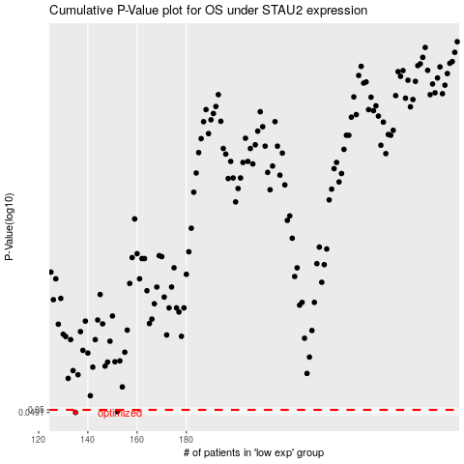

 |  |  |  |  |  | cases_OS | p_OS | rank | exp
 |  |  |  |  |  | 135 | 0.0491 | 166 | -0.55550435808
 |  |  |  |  |  | 152 | 0.0494 | 362 | -0.47745440609
 |  |  |  |  |  |  | cases_RFS | p_RFS | rank | exp
 |  |  |  |  |  |  | 134 | 0.0491 | 207 | -0.55646733368
 |  |  |  |  |  |  | 151 | 0.0494 | 281 | -0.48055189107

