STC1 _multivariate
Reported by Tex Li-Hsing Chi. tex@gate.sinica.edu.tw 2019-08-15

Table 2. The clinicopathological features of HNSCC cohort and STC1 expression. (Chi square test)
Cutoff at -0.312 (30.2%)
 |  | STC1 expression |  | STC1 expression |  | (Optimised)
 | Features | Low | (%) | High | (%) | Case no | P-value | Remark | Matthews
Gender | Female | 94 | 22.7 | 212 | 51.1 | 415 | 0.7462 | 0 | 0
2 | Male | 31 | 7.5 | 78 | 18.8
Age at diagnosis | <=65y | 92 | 22.2 | 182 | 43.9 | 415 | 0.0427 | 1 | 0
4 | >65y | 33 | 8 | 108 | 26
Clinical T Status | T1+T2 | 54 | 13 | 95 | 22.9 | 415 | 0.0545 | 0 | 0
6 | T3+T4 | 71 | 17.1 | 195 | 47
Clinical N Status | N0 | 74 | 17.8 | 142 | 34.2 | 415 | 0.0707 | 0 | 0
8 | N1-3 | 51 | 12.3 | 148 | 35.7
Clinical M Status | M0 | 124 | 29.9 | 288 | 69.4 | 415 | 1 | 0 | 0
10 | M1 | 1 | 0.2 | 2 | 0.5
Clinical Stage | Stage I+II | 37 | 8.9 | 65 | 15.7 | 415 | 0.1511 | 0 | 0
12 | Stage III+IV | 88 | 21.2 | 225 | 54.2
Surgical Margin status | Negative | 94 | 22.7 | 224 | 54 | 415 | 0.7047 | 0 | 0
14 | Positive | 31 | 7.5 | 66 | 15.9
Tobacco Exposure | Low | 60 | 14.5 | 101 | 24.3 | 415 | 0.0155 | 1 | 0
16 | High | 65 | 15.7 | 189 | 45.5

Table 3. Univariate/Multivariate Cox's proportional hazards regression analyses on OS time of STC1 gene expression in HNSCC

 |  | Univariate |  |  |  | Multivariate
 | Features | HR | CI95%(L) | CI95%(H) | P-value | HR | CI95%(L) | CI95%(H) | P-value
1 | Female | 1 |  |  |  | 1
Gender | Male | 1.157 | 0.843 | 1.587 | 0.367 | 1.185 | 0.849 | 1.652 | 0.318
11 | <=65y | 1 |  |  |  | 1
Age at diagnosis | >65y | 1.329 | 0.99 | 1.784 | 0.058 | 1.37 | 1.008 | 1.863 | 0.044
12 | T1+T2 | 1 |  |  |  | 1
Clinical T Status | T3+T4 | 1.409 | 1.028 | 1.931 | 0.033 | 2.168 | 1.147 | 4.099 | 0.017
13 | N0 | 1 |  |  |  | 1
Clinical N Status | N1-3 | 1.185 | 0.89 | 1.577 | 0.246 | 1.223 | 0.857 | 1.745 | 0.268
14 | M0 | 1 |  |  |  | 1
Clinical M Status | M1 | 4.097 | 1.009 | 16.644 | 0.049 | 9.641 | 2.103 | 44.194 | 0.004
15 | Stage I+II | 1 |  |  |  | 1
Clinical Stage | Stage III+IV | 1.245 | 0.882 | 1.759 | 0.213 | 0.515 | 0.24 | 1.108 | 0.09
16 | Negative | 1 |  |  |  | 1
Surgical Margin status | Positive | 1.591 | 1.155 | 2.191 | 0.004 | 1.689 | 1.222 | 2.333 | 0.001
17 | Low | 1 |  |  |  | 1
Tobacco Exposure | High | 1.364 | 1.008 | 1.844 | 0.044 | 1.389 | 1.007 | 1.916 | 0.045
18 | Low | 1 |  |  |  | 1
RNAseq(z-score) | High | 1.447 | 1.034 | 2.026 | 0.031 | 1.381 | 0.981 | 1.943 | 0.064

Table 4. Univariate/Multivariate Cox's proportional hazards regression analyses on RFS time of STC1 gene expression in HNSCC

 |  | Univariate |  |  |  | Multivariate
 | Features | HR | CI95%(L) | CI95%(H) | P-value | HR | CI95%(L) | CI95%(H) | P-value
1 | Female | 1 |  |  |  | 1
Gender | Male | 1.157 | 0.843 | 1.587 | 0.367 | 1.185 | 0.849 | 1.652 | 0.318
11 | <=65y | 1 |  |  |  | 1
Age at diagnosis | >65y | 1.329 | 0.99 | 1.784 | 0.058 | 1.37 | 1.008 | 1.863 | 0.044
12 | T1+T2 | 1 |  |  |  | 1
Clinical T Status | T3+T4 | 1.409 | 1.028 | 1.931 | 0.033 | 2.168 | 1.147 | 4.099 | 0.017
13 | N0 | 1 |  |  |  | 1
Clinical N Status | N1-3 | 1.185 | 0.89 | 1.577 | 0.246 | 1.223 | 0.857 | 1.745 | 0.268
14 | M0 | 1 |  |  |  | 1
Clinical M Status | M1 | 4.097 | 1.009 | 16.644 | 0.049 | 9.641 | 2.103 | 44.194 | 0.004
15 | Stage I+II | 1 |  |  |  | 1
Clinical Stage | Stage III+IV | 1.245 | 0.882 | 1.759 | 0.213 | 0.515 | 0.24 | 1.108 | 0.09
16 | Negative | 1 |  |  |  | 1
Surgical Margin status | Positive | 1.591 | 1.155 | 2.191 | 0.004 | 1.689 | 1.222 | 2.333 | 0.001
17 | Low | 1 |  |  |  | 1
Tobacco Exposure | High | 1.364 | 1.008 | 1.844 | 0.044 | 1.389 | 1.007 | 1.916 | 0.045
18 | Low | 1 |  |  |  | 1
RNAseq(z-score) | High | 1.447 | 1.034 | 2.026 | 0.031 | 1.381 | 0.981 | 1.943 | 0.064

Kaplan-Meier survival estimate: Cutoff at -0.312 (30.2%)

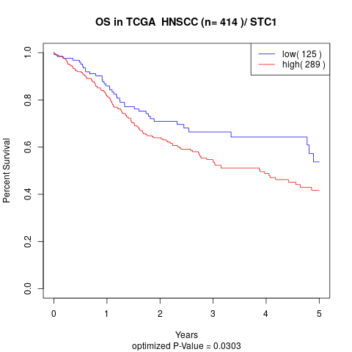

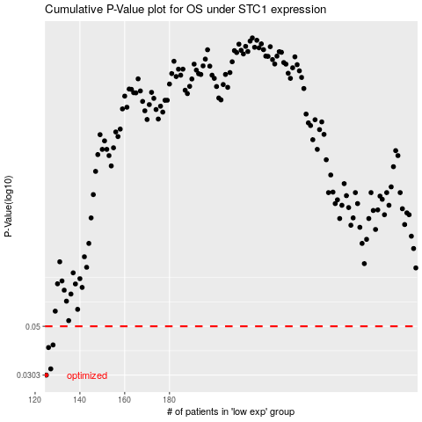

 |  |  |  |  |  | cases_OS | p_OS | rank | exp
 |  |  |  |  |  | 125 | 0.0303 | 373 | -0.3119428944
 |  |  |  |  |  | 127 | 0.0323 | 410 | -0.31027027332
 |  |  |  |  |  | 126 | 0.0402 | 132 | -0.31034952298
 |  |  |  |  |  | 128 | 0.0413 | 43 | -0.30869180413
 |  |  |  |  |  |  | cases_RFS | p_RFS | rank | exp
 |  |  |  |  |  |  |  | 0.0303 | 415 | -0.31197688797
 |  |  |  |  |  |  | 126 | 0.0323 | 132 | -0.31034952298
 |  |  |  |  |  |  | 125 | 0.0402 | 373 | -0.3119428944
 |  |  |  |  |  |  | 127 | 0.0413 | 410 | -0.31027027332

