STEAP2 _multivariate
Reported by Tex Li-Hsing Chi. tex@gate.sinica.edu.tw 2019-08-15

Table 2. The clinicopathological features of HNSCC cohort and STEAP2 expression. (Chi square test)
Cutoff at -0.245 (49.8%)
 |  | STEAP2 expression |  | STEAP2 expression |  | (Optimised)
 | Features | Low | (%) | High | (%) | Case no | P-value | Remark | Matthews
Gender | Female | 145 | 34.9 | 161 | 38.8 | 415 | 0.1116 | 0 | 0
2 | Male | 62 | 14.9 | 47 | 11.3
Age at diagnosis | <=65y | 147 | 35.4 | 127 | 30.6 | 415 | 0.0416 | 1 | 0
4 | >65y | 60 | 14.5 | 81 | 19.5
Clinical T Status | T1+T2 | 86 | 20.7 | 63 | 15.2 | 415 | 0.0221 | 1 | 0
6 | T3+T4 | 121 | 29.2 | 145 | 34.9
Clinical N Status | N0 | 105 | 25.3 | 111 | 26.7 | 415 | 0.6598 | 0 | 0
8 | N1-3 | 102 | 24.6 | 97 | 23.4
Clinical M Status | M0 | 204 | 49.2 | 208 | 50.1 | 415 | 0.1232 | 0 | 0
10 | M1 | 3 | 0.7 | 0 | 0
Clinical Stage | Stage I+II | 58 | 14 | 44 | 10.6 | 415 | 0.131 | 0 | 0
12 | Stage III+IV | 149 | 35.9 | 164 | 39.5
Surgical Margin status | Negative | 153 | 36.9 | 165 | 39.8 | 415 | 0.2036 | 0 | 0
14 | Positive | 54 | 13 | 43 | 10.4
Tobacco Exposure | Low | 100 | 24.1 | 61 | 14.7 | 415 | 1e-04 | 1 | 0
16 | High | 107 | 25.8 | 147 | 35.4

Table 3. Univariate/Multivariate Cox's proportional hazards regression analyses on OS time of STEAP2 gene expression in HNSCC

 |  | Univariate |  |  |  | Multivariate
 | Features | HR | CI95%(L) | CI95%(H) | P-value | HR | CI95%(L) | CI95%(H) | P-value
1 | Female | 1 |  |  |  | 1
Gender | Male | 1.157 | 0.843 | 1.587 | 0.367 | 1.207 | 0.863 | 1.688 | 0.271
11 | <=65y | 1 |  |  |  | 1
Age at diagnosis | >65y | 1.329 | 0.99 | 1.784 | 0.058 | 1.382 | 1.014 | 1.883 | 0.041
12 | T1+T2 | 1 |  |  |  | 1
Clinical T Status | T3+T4 | 1.409 | 1.028 | 1.931 | 0.033 | 2.19 | 1.157 | 4.144 | 0.016
13 | N0 | 1 |  |  |  | 1
Clinical N Status | N1-3 | 1.185 | 0.89 | 1.577 | 0.246 | 1.244 | 0.872 | 1.775 | 0.229
14 | M0 | 1 |  |  |  | 1
Clinical M Status | M1 | 4.097 | 1.009 | 16.644 | 0.049 | 9.634 | 2.09 | 44.422 | 0.004
15 | Stage I+II | 1 |  |  |  | 1
Clinical Stage | Stage III+IV | 1.245 | 0.882 | 1.759 | 0.213 | 0.502 | 0.234 | 1.078 | 0.077
16 | Negative | 1 |  |  |  | 1
Surgical Margin status | Positive | 1.591 | 1.155 | 2.191 | 0.004 | 1.679 | 1.214 | 2.323 | 0.002
17 | Low | 1 |  |  |  | 1
Tobacco Exposure | High | 1.364 | 1.008 | 1.844 | 0.044 | 1.438 | 1.039 | 1.991 | 0.028
18 | Low | 1 |  |  |  | 1
RNAseq(z-score) | High | 1.105 | 0.828 | 1.475 | 0.497 | 1.057 | 0.78 | 1.432 | 0.723

Table 4. Univariate/Multivariate Cox's proportional hazards regression analyses on RFS time of STEAP2 gene expression in HNSCC

 |  | Univariate |  |  |  | Multivariate
 | Features | HR | CI95%(L) | CI95%(H) | P-value | HR | CI95%(L) | CI95%(H) | P-value
1 | Female | 1 |  |  |  | 1
Gender | Male | 1.157 | 0.843 | 1.587 | 0.367 | 1.207 | 0.863 | 1.688 | 0.271
11 | <=65y | 1 |  |  |  | 1
Age at diagnosis | >65y | 1.329 | 0.99 | 1.784 | 0.058 | 1.382 | 1.014 | 1.883 | 0.041
12 | T1+T2 | 1 |  |  |  | 1
Clinical T Status | T3+T4 | 1.409 | 1.028 | 1.931 | 0.033 | 2.19 | 1.157 | 4.144 | 0.016
13 | N0 | 1 |  |  |  | 1
Clinical N Status | N1-3 | 1.185 | 0.89 | 1.577 | 0.246 | 1.244 | 0.872 | 1.775 | 0.229
14 | M0 | 1 |  |  |  | 1
Clinical M Status | M1 | 4.097 | 1.009 | 16.644 | 0.049 | 9.634 | 2.09 | 44.422 | 0.004
15 | Stage I+II | 1 |  |  |  | 1
Clinical Stage | Stage III+IV | 1.245 | 0.882 | 1.759 | 0.213 | 0.502 | 0.234 | 1.078 | 0.077
16 | Negative | 1 |  |  |  | 1
Surgical Margin status | Positive | 1.591 | 1.155 | 2.191 | 0.004 | 1.679 | 1.214 | 2.323 | 0.002
17 | Low | 1 |  |  |  | 1
Tobacco Exposure | High | 1.364 | 1.008 | 1.844 | 0.044 | 1.438 | 1.039 | 1.991 | 0.028
18 | Low | 1 |  |  |  | 1
RNAseq(z-score) | High | 1.105 | 0.828 | 1.475 | 0.497 | 1.057 | 0.78 | 1.432 | 0.723

Kaplan-Meier survival estimate: Cutoff at -0.245 (49.8%)



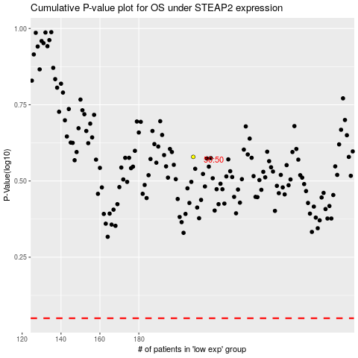

 |  |  |  |  |  | cases_OS | p_OS | rank | exp
 |  |  |  |  |  |  | cases_RFS | p_RFS | rank | exp

