STEAP3 _multivariate
Reported by Tex Li-Hsing Chi. tex@gate.sinica.edu.tw 2019-08-15

Table 2. The clinicopathological features of HNSCC cohort and STEAP3 expression. (Chi square test)
Cutoff at -0.201 (49.8%)
 |  | STEAP3 expression |  | STEAP3 expression |  | (Optimised)
 | Features | Low | (%) | High | (%) | Case no | P-value | Remark | Matthews
Gender | Female | 150 | 36.1 | 156 | 37.6 | 415 | 0.6344 | 0 | 0
2 | Male | 57 | 13.7 | 52 | 12.5
Age at diagnosis | <=65y | 127 | 30.6 | 147 | 35.4 | 415 | 0.0573 | 0 | 0
4 | >65y | 80 | 19.3 | 61 | 14.7
Clinical T Status | T1+T2 | 76 | 18.3 | 73 | 17.6 | 415 | 0.8092 | 0 | 0
6 | T3+T4 | 131 | 31.6 | 135 | 32.5
Clinical N Status | N0 | 112 | 27 | 104 | 25.1 | 415 | 0.4599 | 0 | 0
8 | N1-3 | 95 | 22.9 | 104 | 25.1
Clinical M Status | M0 | 206 | 49.6 | 206 | 49.6 | 415 | 1 | 0 | 0
10 | M1 | 1 | 0.2 | 2 | 0.5
Clinical Stage | Stage I+II | 52 | 12.5 | 50 | 12 | 415 | 0.8871 | 0 | 0
12 | Stage III+IV | 155 | 37.3 | 158 | 38.1
Surgical Margin status | Negative | 155 | 37.3 | 163 | 39.3 | 415 | 0.4187 | 0 | 0
14 | Positive | 52 | 12.5 | 45 | 10.8
Tobacco Exposure | Low | 87 | 21 | 74 | 17.8 | 415 | 0.1911 | 0 | 0
16 | High | 120 | 28.9 | 134 | 32.3

Table 3. Univariate/Multivariate Cox's proportional hazards regression analyses on OS time of STEAP3 gene expression in HNSCC

 |  | Univariate |  |  |  | Multivariate
 | Features | HR | CI95%(L) | CI95%(H) | P-value | HR | CI95%(L) | CI95%(H) | P-value
1 | Female | 1 |  |  |  | 1
Gender | Male | 1.157 | 0.843 | 1.587 | 0.367 | 1.204 | 0.862 | 1.683 | 0.276
11 | <=65y | 1 |  |  |  | 1
Age at diagnosis | >65y | 1.329 | 0.99 | 1.784 | 0.058 | 1.402 | 1.03 | 1.909 | 0.032
12 | T1+T2 | 1 |  |  |  | 1
Clinical T Status | T3+T4 | 1.409 | 1.028 | 1.931 | 0.033 | 2.182 | 1.152 | 4.13 | 0.017
13 | N0 | 1 |  |  |  | 1
Clinical N Status | N1-3 | 1.185 | 0.89 | 1.577 | 0.246 | 1.236 | 0.866 | 1.765 | 0.242
14 | M0 | 1 |  |  |  | 1
Clinical M Status | M1 | 4.097 | 1.009 | 16.644 | 0.049 | 9.284 | 2.023 | 42.601 | 0.004
15 | Stage I+II | 1 |  |  |  | 1
Clinical Stage | Stage III+IV | 1.245 | 0.882 | 1.759 | 0.213 | 0.508 | 0.236 | 1.09 | 0.082
16 | Negative | 1 |  |  |  | 1
Surgical Margin status | Positive | 1.591 | 1.155 | 2.191 | 0.004 | 1.674 | 1.212 | 2.313 | 0.002
17 | Low | 1 |  |  |  | 1
Tobacco Exposure | High | 1.364 | 1.008 | 1.844 | 0.044 | 1.451 | 1.053 | 1.998 | 0.023
18 | Low | 1 |  |  |  | 1
RNAseq(z-score) | High | 1.081 | 0.809 | 1.443 | 0.599 | 1.073 | 0.8 | 1.438 | 0.638

Table 4. Univariate/Multivariate Cox's proportional hazards regression analyses on RFS time of STEAP3 gene expression in HNSCC

 |  | Univariate |  |  |  | Multivariate
 | Features | HR | CI95%(L) | CI95%(H) | P-value | HR | CI95%(L) | CI95%(H) | P-value
1 | Female | 1 |  |  |  | 1
Gender | Male | 1.157 | 0.843 | 1.587 | 0.367 | 1.204 | 0.862 | 1.683 | 0.276
11 | <=65y | 1 |  |  |  | 1
Age at diagnosis | >65y | 1.329 | 0.99 | 1.784 | 0.058 | 1.402 | 1.03 | 1.909 | 0.032
12 | T1+T2 | 1 |  |  |  | 1
Clinical T Status | T3+T4 | 1.409 | 1.028 | 1.931 | 0.033 | 2.182 | 1.152 | 4.13 | 0.017
13 | N0 | 1 |  |  |  | 1
Clinical N Status | N1-3 | 1.185 | 0.89 | 1.577 | 0.246 | 1.236 | 0.866 | 1.765 | 0.242
14 | M0 | 1 |  |  |  | 1
Clinical M Status | M1 | 4.097 | 1.009 | 16.644 | 0.049 | 9.284 | 2.023 | 42.601 | 0.004
15 | Stage I+II | 1 |  |  |  | 1
Clinical Stage | Stage III+IV | 1.245 | 0.882 | 1.759 | 0.213 | 0.508 | 0.236 | 1.09 | 0.082
16 | Negative | 1 |  |  |  | 1
Surgical Margin status | Positive | 1.591 | 1.155 | 2.191 | 0.004 | 1.674 | 1.212 | 2.313 | 0.002
17 | Low | 1 |  |  |  | 1
Tobacco Exposure | High | 1.364 | 1.008 | 1.844 | 0.044 | 1.451 | 1.053 | 1.998 | 0.023
18 | Low | 1 |  |  |  | 1
RNAseq(z-score) | High | 1.081 | 0.809 | 1.443 | 0.599 | 1.073 | 0.8 | 1.438 | 0.638

Kaplan-Meier survival estimate: Cutoff at -0.201 (49.8%)



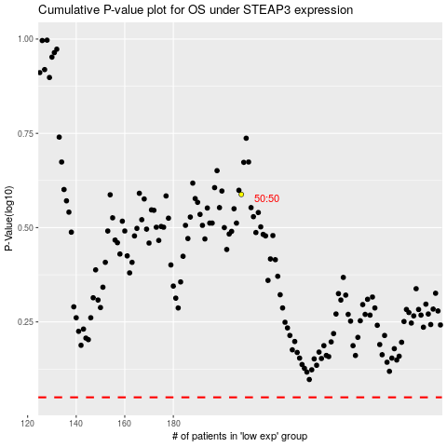

 |  |  |  |  |  | cases_OS | p_OS | rank | exp
 |  |  |  |  |  |  | cases_RFS | p_RFS | rank | exp

