STEAP4 _multivariate
Reported by Tex Li-Hsing Chi. tex@gate.sinica.edu.tw 2019-08-15

Table 2. The clinicopathological features of HNSCC cohort and STEAP4 expression. (Chi square test)
Cutoff at -0.404 (50.0%)
 |  | STEAP4 expression |  | STEAP4 expression |  | (Optimised)
 | Features | Low | (%) | High | (%) | Case no | P-value | Remark | Matthews
Gender | Female | 164 | 39.5 | 142 | 34.2 | 415 | 0.0153 | 1 | 0
2 | Male | 43 | 10.4 | 66 | 15.9
Age at diagnosis | <=65y | 140 | 33.7 | 134 | 32.3 | 415 | 0.5574 | 0 | 0
4 | >65y | 67 | 16.1 | 74 | 17.8
Clinical T Status | T1+T2 | 74 | 17.8 | 75 | 18.1 | 415 | 1 | 0 | 0
6 | T3+T4 | 133 | 32 | 133 | 32
Clinical N Status | N0 | 96 | 23.1 | 120 | 28.9 | 415 | 0.0272 | 1 | 0
8 | N1-3 | 111 | 26.7 | 88 | 21.2
Clinical M Status | M0 | 205 | 49.4 | 207 | 49.9 | 415 | 0.6232 | 0 | 0
10 | M1 | 2 | 0.5 | 1 | 0.2
Clinical Stage | Stage I+II | 48 | 11.6 | 54 | 13 | 415 | 0.5878 | 0 | 0
12 | Stage III+IV | 159 | 38.3 | 154 | 37.1
Surgical Margin status | Negative | 155 | 37.3 | 163 | 39.3 | 415 | 0.4187 | 0 | 0
14 | Positive | 52 | 12.5 | 45 | 10.8
Tobacco Exposure | Low | 67 | 16.1 | 94 | 22.7 | 415 | 0.0088 | 1 | 0
16 | High | 140 | 33.7 | 114 | 27.5

Table 3. Univariate/Multivariate Cox's proportional hazards regression analyses on OS time of STEAP4 gene expression in HNSCC

 |  | Univariate |  |  |  | Multivariate
 | Features | HR | CI95%(L) | CI95%(H) | P-value | HR | CI95%(L) | CI95%(H) | P-value
1 | Female | 1 |  |  |  | 1
Gender | Male | 1.157 | 0.843 | 1.587 | 0.367 | 1.233 | 0.878 | 1.732 | 0.227
11 | <=65y | 1 |  |  |  | 1
Age at diagnosis | >65y | 1.329 | 0.99 | 1.784 | 0.058 | 1.398 | 1.028 | 1.901 | 0.033
12 | T1+T2 | 1 |  |  |  | 1
Clinical T Status | T3+T4 | 1.409 | 1.028 | 1.931 | 0.033 | 2.196 | 1.161 | 4.151 | 0.015
13 | N0 | 1 |  |  |  | 1
Clinical N Status | N1-3 | 1.185 | 0.89 | 1.577 | 0.246 | 1.216 | 0.849 | 1.741 | 0.286
14 | M0 | 1 |  |  |  | 1
Clinical M Status | M1 | 4.097 | 1.009 | 16.644 | 0.049 | 9.4 | 2.051 | 43.092 | 0.004
15 | Stage I+II | 1 |  |  |  | 1
Clinical Stage | Stage III+IV | 1.245 | 0.882 | 1.759 | 0.213 | 0.509 | 0.237 | 1.092 | 0.083
16 | Negative | 1 |  |  |  | 1
Surgical Margin status | Positive | 1.591 | 1.155 | 2.191 | 0.004 | 1.674 | 1.212 | 2.314 | 0.002
17 | Low | 1 |  |  |  | 1
Tobacco Exposure | High | 1.364 | 1.008 | 1.844 | 0.044 | 1.436 | 1.041 | 1.98 | 0.027
18 | Low | 1 |  |  |  | 1
RNAseq(z-score) | High | 0.87 | 0.653 | 1.16 | 0.342 | 0.881 | 0.653 | 1.19 | 0.409

Table 4. Univariate/Multivariate Cox's proportional hazards regression analyses on RFS time of STEAP4 gene expression in HNSCC

 |  | Univariate |  |  |  | Multivariate
 | Features | HR | CI95%(L) | CI95%(H) | P-value | HR | CI95%(L) | CI95%(H) | P-value
1 | Female | 1 |  |  |  | 1
Gender | Male | 1.157 | 0.843 | 1.587 | 0.367 | 1.233 | 0.878 | 1.732 | 0.227
11 | <=65y | 1 |  |  |  | 1
Age at diagnosis | >65y | 1.329 | 0.99 | 1.784 | 0.058 | 1.398 | 1.028 | 1.901 | 0.033
12 | T1+T2 | 1 |  |  |  | 1
Clinical T Status | T3+T4 | 1.409 | 1.028 | 1.931 | 0.033 | 2.196 | 1.161 | 4.151 | 0.015
13 | N0 | 1 |  |  |  | 1
Clinical N Status | N1-3 | 1.185 | 0.89 | 1.577 | 0.246 | 1.216 | 0.849 | 1.741 | 0.286
14 | M0 | 1 |  |  |  | 1
Clinical M Status | M1 | 4.097 | 1.009 | 16.644 | 0.049 | 9.4 | 2.051 | 43.092 | 0.004
15 | Stage I+II | 1 |  |  |  | 1
Clinical Stage | Stage III+IV | 1.245 | 0.882 | 1.759 | 0.213 | 0.509 | 0.237 | 1.092 | 0.083
16 | Negative | 1 |  |  |  | 1
Surgical Margin status | Positive | 1.591 | 1.155 | 2.191 | 0.004 | 1.674 | 1.212 | 2.314 | 0.002
17 | Low | 1 |  |  |  | 1
Tobacco Exposure | High | 1.364 | 1.008 | 1.844 | 0.044 | 1.436 | 1.041 | 1.98 | 0.027
18 | Low | 1 |  |  |  | 1
RNAseq(z-score) | High | 0.87 | 0.653 | 1.16 | 0.342 | 0.881 | 0.653 | 1.19 | 0.409

Kaplan-Meier survival estimate: Cutoff at -0.404 (50.0%)



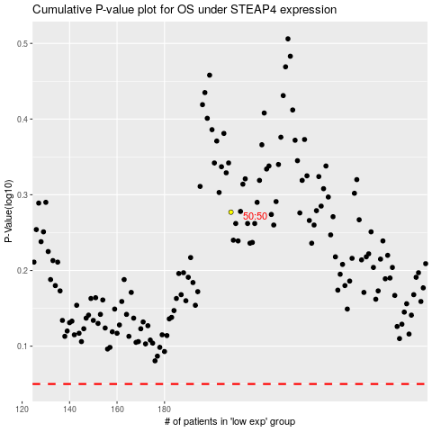

 |  |  |  |  |  | cases_OS | p_OS | rank | exp
 |  |  |  |  |  |  | cases_RFS | p_RFS | rank | exp

