STK10 _multivariate
Reported by Tex Li-Hsing Chi. tex@gate.sinica.edu.tw 2019-08-15

Table 2. The clinicopathological features of HNSCC cohort and STK10 expression. (Chi square test)
Cutoff at -0.018 (49.8%)
 |  | STK10 expression |  | STK10 expression |  | (Optimised)
 | Features | Low | (%) | High | (%) | Case no | P-value | Remark | Matthews
Gender | Female | 158 | 38.1 | 148 | 35.7 | 415 | 0.2774 | 0 | 0
2 | Male | 49 | 11.8 | 60 | 14.5
Age at diagnosis | <=65y | 144 | 34.7 | 130 | 31.3 | 415 | 0.1568 | 0 | 0
4 | >65y | 63 | 15.2 | 78 | 18.8
Clinical T Status | T1+T2 | 70 | 16.9 | 79 | 19 | 415 | 0.4343 | 0 | 0
6 | T3+T4 | 137 | 33 | 129 | 31.1
Clinical N Status | N0 | 109 | 26.3 | 107 | 25.8 | 415 | 0.8812 | 0 | 0
8 | N1-3 | 98 | 23.6 | 101 | 24.3
Clinical M Status | M0 | 206 | 49.6 | 206 | 49.6 | 415 | 1 | 0 | 0
10 | M1 | 1 | 0.2 | 2 | 0.5
Clinical Stage | Stage I+II | 49 | 11.8 | 53 | 12.8 | 415 | 0.7535 | 0 | 0
12 | Stage III+IV | 158 | 38.1 | 155 | 37.3
Surgical Margin status | Negative | 158 | 38.1 | 160 | 38.6 | 415 | 0.9081 | 0 | 0
14 | Positive | 49 | 11.8 | 48 | 11.6
Tobacco Exposure | Low | 74 | 17.8 | 87 | 21 | 415 | 0.227 | 0 | 0
16 | High | 133 | 32 | 121 | 29.2

Table 3. Univariate/Multivariate Cox's proportional hazards regression analyses on OS time of STK10 gene expression in HNSCC

 |  | Univariate |  |  |  | Multivariate
 | Features | HR | CI95%(L) | CI95%(H) | P-value | HR | CI95%(L) | CI95%(H) | P-value
1 | Female | 1 |  |  |  | 1
Gender | Male | 1.157 | 0.843 | 1.587 | 0.367 | 1.201 | 0.86 | 1.677 | 0.282
11 | <=65y | 1 |  |  |  | 1
Age at diagnosis | >65y | 1.329 | 0.99 | 1.784 | 0.058 | 1.384 | 1.018 | 1.882 | 0.038
12 | T1+T2 | 1 |  |  |  | 1
Clinical T Status | T3+T4 | 1.409 | 1.028 | 1.931 | 0.033 | 2.218 | 1.173 | 4.195 | 0.014
13 | N0 | 1 |  |  |  | 1
Clinical N Status | N1-3 | 1.185 | 0.89 | 1.577 | 0.246 | 1.242 | 0.871 | 1.771 | 0.232
14 | M0 | 1 |  |  |  | 1
Clinical M Status | M1 | 4.097 | 1.009 | 16.644 | 0.049 | 9.196 | 2.006 | 42.16 | 0.004
15 | Stage I+II | 1 |  |  |  | 1
Clinical Stage | Stage III+IV | 1.245 | 0.882 | 1.759 | 0.213 | 0.513 | 0.239 | 1.103 | 0.087
16 | Negative | 1 |  |  |  | 1
Surgical Margin status | Positive | 1.591 | 1.155 | 2.191 | 0.004 | 1.658 | 1.2 | 2.29 | 0.002
17 | Low | 1 |  |  |  | 1
Tobacco Exposure | High | 1.364 | 1.008 | 1.844 | 0.044 | 1.455 | 1.056 | 2.005 | 0.022
18 | Low | 1 |  |  |  | 1
RNAseq(z-score) | High | 1.198 | 0.899 | 1.596 | 0.217 | 1.212 | 0.907 | 1.618 | 0.193

Table 4. Univariate/Multivariate Cox's proportional hazards regression analyses on RFS time of STK10 gene expression in HNSCC

 |  | Univariate |  |  |  | Multivariate
 | Features | HR | CI95%(L) | CI95%(H) | P-value | HR | CI95%(L) | CI95%(H) | P-value
1 | Female | 1 |  |  |  | 1
Gender | Male | 1.157 | 0.843 | 1.587 | 0.367 | 1.201 | 0.86 | 1.677 | 0.282
11 | <=65y | 1 |  |  |  | 1
Age at diagnosis | >65y | 1.329 | 0.99 | 1.784 | 0.058 | 1.384 | 1.018 | 1.882 | 0.038
12 | T1+T2 | 1 |  |  |  | 1
Clinical T Status | T3+T4 | 1.409 | 1.028 | 1.931 | 0.033 | 2.218 | 1.173 | 4.195 | 0.014
13 | N0 | 1 |  |  |  | 1
Clinical N Status | N1-3 | 1.185 | 0.89 | 1.577 | 0.246 | 1.242 | 0.871 | 1.771 | 0.232
14 | M0 | 1 |  |  |  | 1
Clinical M Status | M1 | 4.097 | 1.009 | 16.644 | 0.049 | 9.196 | 2.006 | 42.16 | 0.004
15 | Stage I+II | 1 |  |  |  | 1
Clinical Stage | Stage III+IV | 1.245 | 0.882 | 1.759 | 0.213 | 0.513 | 0.239 | 1.103 | 0.087
16 | Negative | 1 |  |  |  | 1
Surgical Margin status | Positive | 1.591 | 1.155 | 2.191 | 0.004 | 1.658 | 1.2 | 2.29 | 0.002
17 | Low | 1 |  |  |  | 1
Tobacco Exposure | High | 1.364 | 1.008 | 1.844 | 0.044 | 1.455 | 1.056 | 2.005 | 0.022
18 | Low | 1 |  |  |  | 1
RNAseq(z-score) | High | 1.198 | 0.899 | 1.596 | 0.217 | 1.212 | 0.907 | 1.618 | 0.193

Kaplan-Meier survival estimate: Cutoff at -0.018 (49.8%)



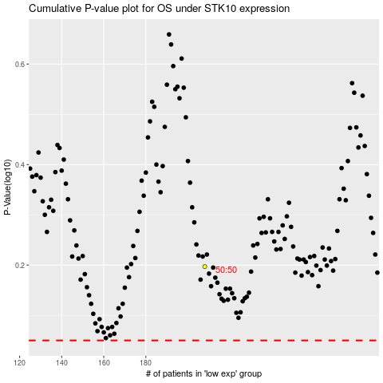

 |  |  |  |  |  | cases_OS | p_OS | rank | exp
 |  |  |  |  |  |  | cases_RFS | p_RFS | rank | exp

