STK11 _multivariate
Reported by Tex Li-Hsing Chi. tex@gate.sinica.edu.tw 2019-08-15

Table 2. The clinicopathological features of HNSCC cohort and STK11 expression. (Chi square test)
Cutoff at -0.024 (55.1%)
 |  | STK11 expression |  | STK11 expression |  | (Optimised)
 | Features | Low | (%) | High | (%) | Case no | P-value | Remark | Matthews
Gender | Female | 174 | 41.9 | 132 | 31.8 | 415 | 0.2274 | 0 | 0
2 | Male | 54 | 13 | 55 | 13.3
Age at diagnosis | <=65y | 153 | 36.9 | 121 | 29.2 | 415 | 0.6823 | 0 | 0
4 | >65y | 75 | 18.1 | 66 | 15.9
Clinical T Status | T1+T2 | 75 | 18.1 | 74 | 17.8 | 415 | 0.1909 | 0 | 0
6 | T3+T4 | 153 | 36.9 | 113 | 27.2
Clinical N Status | N0 | 108 | 26 | 108 | 26 | 415 | 0.0446 | 1 | 0
8 | N1-3 | 120 | 28.9 | 79 | 19
Clinical M Status | M0 | 226 | 54.5 | 186 | 44.8 | 415 | 1 | 0 | 0
10 | M1 | 2 | 0.5 | 1 | 0.2
Clinical Stage | Stage I+II | 46 | 11.1 | 56 | 13.5 | 415 | 0.0288 | 1 | 0
12 | Stage III+IV | 182 | 43.9 | 131 | 31.6
Surgical Margin status | Negative | 174 | 41.9 | 144 | 34.7 | 415 | 0.9075 | 0 | 0
14 | Positive | 54 | 13 | 43 | 10.4
Tobacco Exposure | Low | 81 | 19.5 | 80 | 19.3 | 415 | 0.1563 | 0 | 0
16 | High | 147 | 35.4 | 107 | 25.8

Table 3. Univariate/Multivariate Cox's proportional hazards regression analyses on OS time of STK11 gene expression in HNSCC

 |  | Univariate |  |  |  | Multivariate
 | Features | HR | CI95%(L) | CI95%(H) | P-value | HR | CI95%(L) | CI95%(H) | P-value
1 | Female | 1 |  |  |  | 1
Gender | Male | 1.157 | 0.843 | 1.587 | 0.367 | 1.206 | 0.863 | 1.684 | 0.273
11 | <=65y | 1 |  |  |  | 1
Age at diagnosis | >65y | 1.329 | 0.99 | 1.784 | 0.058 | 1.424 | 1.048 | 1.935 | 0.024
12 | T1+T2 | 1 |  |  |  | 1
Clinical T Status | T3+T4 | 1.409 | 1.028 | 1.931 | 0.033 | 2.259 | 1.194 | 4.274 | 0.012
13 | N0 | 1 |  |  |  | 1
Clinical N Status | N1-3 | 1.185 | 0.89 | 1.577 | 0.246 | 1.272 | 0.891 | 1.817 | 0.185
14 | M0 | 1 |  |  |  | 1
Clinical M Status | M1 | 4.097 | 1.009 | 16.644 | 0.049 | 9.508 | 2.074 | 43.59 | 0.004
15 | Stage I+II | 1 |  |  |  | 1
Clinical Stage | Stage III+IV | 1.245 | 0.882 | 1.759 | 0.213 | 0.472 | 0.219 | 1.016 | 0.055
16 | Negative | 1 |  |  |  | 1
Surgical Margin status | Positive | 1.591 | 1.155 | 2.191 | 0.004 | 1.698 | 1.229 | 2.347 | 0.001
17 | Low | 1 |  |  |  | 1
Tobacco Exposure | High | 1.364 | 1.008 | 1.844 | 0.044 | 1.422 | 1.033 | 1.957 | 0.031
18 | Low | 1 |  |  |  | 1
RNAseq(z-score) | High | 0.683 | 0.508 | 0.918 | 0.011 | 0.662 | 0.491 | 0.892 | 0.007

Table 4. Univariate/Multivariate Cox's proportional hazards regression analyses on RFS time of STK11 gene expression in HNSCC

 |  | Univariate |  |  |  | Multivariate
 | Features | HR | CI95%(L) | CI95%(H) | P-value | HR | CI95%(L) | CI95%(H) | P-value
1 | Female | 1 |  |  |  | 1
Gender | Male | 1.157 | 0.843 | 1.587 | 0.367 | 1.206 | 0.863 | 1.684 | 0.273
11 | <=65y | 1 |  |  |  | 1
Age at diagnosis | >65y | 1.329 | 0.99 | 1.784 | 0.058 | 1.424 | 1.048 | 1.935 | 0.024
12 | T1+T2 | 1 |  |  |  | 1
Clinical T Status | T3+T4 | 1.409 | 1.028 | 1.931 | 0.033 | 2.259 | 1.194 | 4.274 | 0.012
13 | N0 | 1 |  |  |  | 1
Clinical N Status | N1-3 | 1.185 | 0.89 | 1.577 | 0.246 | 1.272 | 0.891 | 1.817 | 0.185
14 | M0 | 1 |  |  |  | 1
Clinical M Status | M1 | 4.097 | 1.009 | 16.644 | 0.049 | 9.508 | 2.074 | 43.59 | 0.004
15 | Stage I+II | 1 |  |  |  | 1
Clinical Stage | Stage III+IV | 1.245 | 0.882 | 1.759 | 0.213 | 0.472 | 0.219 | 1.016 | 0.055
16 | Negative | 1 |  |  |  | 1
Surgical Margin status | Positive | 1.591 | 1.155 | 2.191 | 0.004 | 1.698 | 1.229 | 2.347 | 0.001
17 | Low | 1 |  |  |  | 1
Tobacco Exposure | High | 1.364 | 1.008 | 1.844 | 0.044 | 1.422 | 1.033 | 1.957 | 0.031
18 | Low | 1 |  |  |  | 1
RNAseq(z-score) | High | 0.683 | 0.508 | 0.918 | 0.011 | 0.662 | 0.491 | 0.892 | 0.007

Kaplan-Meier survival estimate: Cutoff at -0.024 (55.1%)

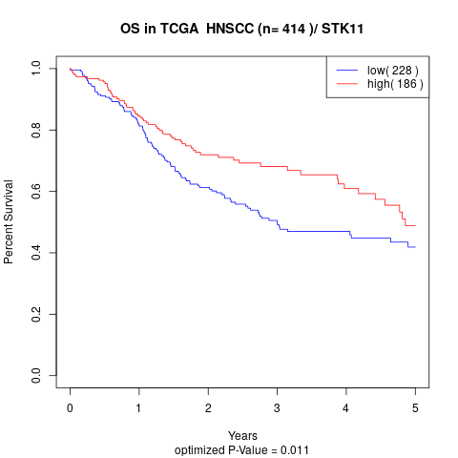

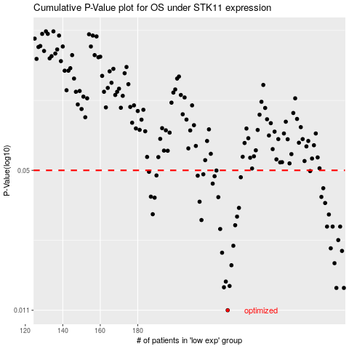

 |  |  |  |  |  | cases_OS | p_OS | rank | exp
 |  |  |  |  |  | 228 | 0.011 | 400 | -0.024291931648
 |  |  |  |  |  | 286 | 0.014 | 26 | 0.28436752981
 |  |  |  |  |  | 290 | 0.014 | 322 | 0.31789788856
 |  |  |  |  |  | 226 | 0.0141 | 81 | -0.030260435894
 |  |  |  |  |  | 229 | 0.0143 | 30 | -0.021013917957
 |  |  |  |  |  | 227 | 0.015 | 326 | -0.028731529538
 |  |  |  |  |  | 230 | 0.0179 | 83 | -0.010725435915
 |  |  |  |  |  | 285 | 0.0183 | 375 | 0.2819270491
 |  |  |  |  |  | 225 | 0.0205 | 201 | -0.030748724352
 |  |  |  |  |  | 289 | 0.0209 | 239 | 0.31462583665
 |  |  |  |  |  | 283 | 0.0215 | 112 | 0.27008677519
 |  |  |  |  |  | 231 | 0.0221 | 192 | -0.0072929930671
 |  |  |  |  |  | 287 | 0.0235 | 36 | 0.28905963764
 |  |  |  |  |  | 224 | 0.0265 | 404 | -0.039197133939
 |  |  |  |  |  | 281 | 0.0272 | 367 | 0.26216280933
 |  |  |  |  |  | 288 | 0.0272 | 410 | 0.29198782987
 |  |  |  |  |  | 284 | 0.0272 | 413 | 0.27508793365
 |  |  |  |  |  | 232 | 0.0276 | 348 | -0.0048590510744
 |  |  |  |  |  | 214 | 0.0292 | 230 | -0.076752651186
 |  |  |  |  |  | 233 | 0.0303 | 415 | -0.0039138215473
 |  |  |  |  |  | 282 | 0.031 | 276 | 0.26425269931
 |  |  |  |  |  | 188 | 0.0311 | 167 | -0.21880555235
 |  |  |  |  |  | 234 | 0.0333 | 403 | 0.00032692235916
 |  |  |  |  |  | 280 | 0.0351 | 180 | 0.26009215087
 |  |  |  |  |  | 213 | 0.0356 | 4 | -0.080513953137
 |  |  |  |  |  | 189 | 0.0372 | 73 | -0.21726395319
 |  |  |  |  |  | 223 | 0.0374 | 124 | -0.040650652711
 |  |  |  |  |  | 278 | 0.0375 | 332 | 0.25116449164
 |  |  |  |  |  | 187 | 0.0376 | 215 | -0.22015060531
 |  |  |  |  |  | 279 | 0.0412 | 55 | 0.25398902594
 |  |  |  |  |  | 220 | 0.0433 | 238 | -0.048407688921
 |  |  |  |  |  | 235 | 0.0464 | 40 | 0.010128654466
 |  |  |  |  |  | 221 | 0.0469 | 144 | -0.044977746172
 |  |  |  |  |  | 212 | 0.0472 | 138 | -0.090359148493
 |  |  |  |  |  | 190 | 0.0473 | 328 | -0.21561888841
 |  |  |  |  |  | 215 | 0.0479 | 47 | -0.076001275446
 |  |  |  |  |  | 186 | 0.0492 | 302 | -0.22016695211
 |  |  |  |  |  | 272 | 0.0496 | 330 | 0.22387899417
 |  |  |  |  |  | 222 | 0.0499 | 68 | -0.042763428212
 |  |  |  |  |  |  | cases_RFS | p_RFS | rank | exp
 |  |  |  |  |  |  | 227 | 0.011 | 326 | -0.028731529538
 |  |  |  |  |  |  | 289 | 0.014 | 239 | 0.31462583665
 |  |  |  |  |  |  | 285 | 0.014 | 375 | 0.2819270491
 |  |  |  |  |  |  | 225 | 0.0141 | 201 | -0.030748724352
 |  |  |  |  |  |  | 228 | 0.0143 | 400 | -0.024291931648
 |  |  |  |  |  |  | 226 | 0.015 | 81 | -0.030260435894
 |  |  |  |  |  |  | 229 | 0.0179 | 30 | -0.021013917957
 |  |  |  |  |  |  | 284 | 0.0183 | 413 | 0.27508793365
 |  |  |  |  |  |  | 224 | 0.0205 | 404 | -0.039197133939
 |  |  |  |  |  |  | 288 | 0.0209 | 410 | 0.29198782987
 |  |  |  |  |  |  | 282 | 0.0215 | 276 | 0.26425269931
 |  |  |  |  |  |  | 230 | 0.0221 | 83 | -0.010725435915
 |  |  |  |  |  |  | 286 | 0.0235 | 26 | 0.28436752981
 |  |  |  |  |  |  | 223 | 0.0265 | 124 | -0.040650652711
 |  |  |  |  |  |  | 287 | 0.0272 | 36 | 0.28905963764
 |  |  |  |  |  |  | 283 | 0.0272 | 112 | 0.27008677519
 |  |  |  |  |  |  | 280 | 0.0272 | 180 | 0.26009215087
 |  |  |  |  |  |  | 231 | 0.0276 | 192 | -0.0072929930671
 |  |  |  |  |  |  | 213 | 0.0292 | 4 | -0.080513953137
 |  |  |  |  |  |  | 232 | 0.0303 | 348 | -0.0048590510744
 |  |  |  |  |  |  | 281 | 0.031 | 367 | 0.26216280933
 |  |  |  |  |  |  | 187 | 0.0311 | 215 | -0.22015060531
 |  |  |  |  |  |  | 233 | 0.0333 | 415 | -0.0039138215473
 |  |  |  |  |  |  | 279 | 0.0351 | 55 | 0.25398902594
 |  |  |  |  |  |  | 212 | 0.0356 | 138 | -0.090359148493
 |  |  |  |  |  |  | 188 | 0.0372 | 167 | -0.21880555235
 |  |  |  |  |  |  | 222 | 0.0374 | 68 | -0.042763428212
 |  |  |  |  |  |  | 277 | 0.0375 | 80 | 0.24698605788
 |  |  |  |  |  |  | 186 | 0.0376 | 302 | -0.22016695211
 |  |  |  |  |  |  | 278 | 0.0412 | 332 | 0.25116449164
 |  |  |  |  |  |  | 219 | 0.0433 | 115 | -0.050288147582
 |  |  |  |  |  |  | 234 | 0.0464 | 403 | 0.00032692235916
 |  |  |  |  |  |  | 220 | 0.0469 | 238 | -0.048407688921
 |  |  |  |  |  |  | 211 | 0.0472 | 257 | -0.093170413036
 |  |  |  |  |  |  | 189 | 0.0473 | 73 | -0.21726395319
 |  |  |  |  |  |  | 214 | 0.0479 | 230 | -0.076752651186
 |  |  |  |  |  |  | 185 | 0.0492 | 87 | -0.22021541556
 |  |  |  |  |  |  | 271 | 0.0496 | 21 | 0.22076483309
 |  |  |  |  |  |  | 221 | 0.0499 | 144 | -0.044977746172

