STK17A _multivariate
Reported by Tex Li-Hsing Chi. tex@gate.sinica.edu.tw 2019-08-15

Table 2. The clinicopathological features of HNSCC cohort and STK17A expression. (Chi square test)
Cutoff at -0.091 (50.0%)
 |  | STK17A expression |  | STK17A expression |  | (Optimised)
 | Features | Low | (%) | High | (%) | Case no | P-value | Remark | Matthews
Gender | Female | 161 | 38.8 | 145 | 34.9 | 415 | 0.0792 | 0 | 0
2 | Male | 46 | 11.1 | 63 | 15.2
Age at diagnosis | <=65y | 136 | 32.8 | 138 | 33.3 | 415 | 0.9719 | 0 | 0
4 | >65y | 71 | 17.1 | 70 | 16.9
Clinical T Status | T1+T2 | 79 | 19 | 70 | 16.9 | 415 | 0.3924 | 0 | 0
6 | T3+T4 | 128 | 30.8 | 138 | 33.3
Clinical N Status | N0 | 108 | 26 | 108 | 26 | 415 | 1 | 0 | 0
8 | N1-3 | 99 | 23.9 | 100 | 24.1
Clinical M Status | M0 | 207 | 49.9 | 205 | 49.4 | 415 | 0.2482 | 0 | 0
10 | M1 | 0 | 0 | 3 | 0.7
Clinical Stage | Stage I+II | 51 | 12.3 | 51 | 12.3 | 415 | 1 | 0 | 0
12 | Stage III+IV | 156 | 37.6 | 157 | 37.8
Surgical Margin status | Negative | 155 | 37.3 | 163 | 39.3 | 415 | 0.4187 | 0 | 0
14 | Positive | 52 | 12.5 | 45 | 10.8
Tobacco Exposure | Low | 69 | 16.6 | 92 | 22.2 | 415 | 0.0266 | 1 | 0
16 | High | 138 | 33.3 | 116 | 28

Table 3. Univariate/Multivariate Cox's proportional hazards regression analyses on OS time of STK17A gene expression in HNSCC

 |  | Univariate |  |  |  | Multivariate
 | Features | HR | CI95%(L) | CI95%(H) | P-value | HR | CI95%(L) | CI95%(H) | P-value
1 | Female | 1 |  |  |  | 1
Gender | Male | 1.157 | 0.843 | 1.587 | 0.367 | 1.183 | 0.844 | 1.658 | 0.329
11 | <=65y | 1 |  |  |  | 1
Age at diagnosis | >65y | 1.329 | 0.99 | 1.784 | 0.058 | 1.392 | 1.024 | 1.892 | 0.035
12 | T1+T2 | 1 |  |  |  | 1
Clinical T Status | T3+T4 | 1.409 | 1.028 | 1.931 | 0.033 | 2.155 | 1.137 | 4.086 | 0.019
13 | N0 | 1 |  |  |  | 1
Clinical N Status | N1-3 | 1.185 | 0.89 | 1.577 | 0.246 | 1.227 | 0.859 | 1.753 | 0.261
14 | M0 | 1 |  |  |  | 1
Clinical M Status | M1 | 4.097 | 1.009 | 16.644 | 0.049 | 8.755 | 1.886 | 40.631 | 0.006
15 | Stage I+II | 1 |  |  |  | 1
Clinical Stage | Stage III+IV | 1.245 | 0.882 | 1.759 | 0.213 | 0.52 | 0.241 | 1.121 | 0.095
16 | Negative | 1 |  |  |  | 1
Surgical Margin status | Positive | 1.591 | 1.155 | 2.191 | 0.004 | 1.669 | 1.208 | 2.306 | 0.002
17 | Low | 1 |  |  |  | 1
Tobacco Exposure | High | 1.364 | 1.008 | 1.844 | 0.044 | 1.458 | 1.058 | 2.01 | 0.021
18 | Low | 1 |  |  |  | 1
RNAseq(z-score) | High | 1.164 | 0.874 | 1.551 | 0.299 | 1.111 | 0.828 | 1.49 | 0.483

Table 4. Univariate/Multivariate Cox's proportional hazards regression analyses on RFS time of STK17A gene expression in HNSCC

 |  | Univariate |  |  |  | Multivariate
 | Features | HR | CI95%(L) | CI95%(H) | P-value | HR | CI95%(L) | CI95%(H) | P-value
1 | Female | 1 |  |  |  | 1
Gender | Male | 1.157 | 0.843 | 1.587 | 0.367 | 1.183 | 0.844 | 1.658 | 0.329
11 | <=65y | 1 |  |  |  | 1
Age at diagnosis | >65y | 1.329 | 0.99 | 1.784 | 0.058 | 1.392 | 1.024 | 1.892 | 0.035
12 | T1+T2 | 1 |  |  |  | 1
Clinical T Status | T3+T4 | 1.409 | 1.028 | 1.931 | 0.033 | 2.155 | 1.137 | 4.086 | 0.019
13 | N0 | 1 |  |  |  | 1
Clinical N Status | N1-3 | 1.185 | 0.89 | 1.577 | 0.246 | 1.227 | 0.859 | 1.753 | 0.261
14 | M0 | 1 |  |  |  | 1
Clinical M Status | M1 | 4.097 | 1.009 | 16.644 | 0.049 | 8.755 | 1.886 | 40.631 | 0.006
15 | Stage I+II | 1 |  |  |  | 1
Clinical Stage | Stage III+IV | 1.245 | 0.882 | 1.759 | 0.213 | 0.52 | 0.241 | 1.121 | 0.095
16 | Negative | 1 |  |  |  | 1
Surgical Margin status | Positive | 1.591 | 1.155 | 2.191 | 0.004 | 1.669 | 1.208 | 2.306 | 0.002
17 | Low | 1 |  |  |  | 1
Tobacco Exposure | High | 1.364 | 1.008 | 1.844 | 0.044 | 1.458 | 1.058 | 2.01 | 0.021
18 | Low | 1 |  |  |  | 1
RNAseq(z-score) | High | 1.164 | 0.874 | 1.551 | 0.299 | 1.111 | 0.828 | 1.49 | 0.483

Kaplan-Meier survival estimate: Cutoff at -0.091 (50.0%)



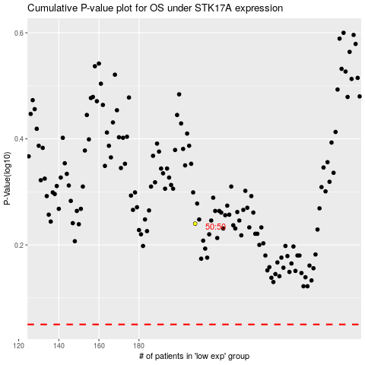

 |  |  |  |  |  | cases_OS | p_OS | rank | exp
 |  |  |  |  |  |  | cases_RFS | p_RFS | rank | exp

