STK32C _multivariate
Reported by Tex Li-Hsing Chi. tex@gate.sinica.edu.tw 2019-08-15

Table 2. The clinicopathological features of HNSCC cohort and STK32C expression. (Chi square test)
Cutoff at -0.23 (50.0%)
 |  | STK32C expression |  | STK32C expression |  | (Optimised)
 | Features | Low | (%) | High | (%) | Case no | P-value | Remark | Matthews
Gender | Female | 150 | 36.1 | 156 | 37.6 | 415 | 0.6344 | 0 | 0
2 | Male | 57 | 13.7 | 52 | 12.5
Age at diagnosis | <=65y | 132 | 31.8 | 142 | 34.2 | 415 | 0.3874 | 0 | 0
4 | >65y | 75 | 18.1 | 66 | 15.9
Clinical T Status | T1+T2 | 71 | 17.1 | 78 | 18.8 | 415 | 0.5638 | 0 | 0
6 | T3+T4 | 136 | 32.8 | 130 | 31.3
Clinical N Status | N0 | 103 | 24.8 | 113 | 27.2 | 415 | 0.4047 | 0 | 0
8 | N1-3 | 104 | 25.1 | 95 | 22.9
Clinical M Status | M0 | 207 | 49.9 | 205 | 49.4 | 415 | 0.2482 | 0 | 0
10 | M1 | 0 | 0 | 3 | 0.7
Clinical Stage | Stage I+II | 49 | 11.8 | 53 | 12.8 | 415 | 0.7535 | 0 | 0
12 | Stage III+IV | 158 | 38.1 | 155 | 37.3
Surgical Margin status | Negative | 157 | 37.8 | 161 | 38.8 | 415 | 0.729 | 0 | 0
14 | Positive | 50 | 12 | 47 | 11.3
Tobacco Exposure | Low | 81 | 19.5 | 80 | 19.3 | 415 | 0.9199 | 0 | 0
16 | High | 126 | 30.4 | 128 | 30.8

Table 3. Univariate/Multivariate Cox's proportional hazards regression analyses on OS time of STK32C gene expression in HNSCC

 |  | Univariate |  |  |  | Multivariate
 | Features | HR | CI95%(L) | CI95%(H) | P-value | HR | CI95%(L) | CI95%(H) | P-value
1 | Female | 1 |  |  |  | 1
Gender | Male | 1.157 | 0.843 | 1.587 | 0.367 | 1.206 | 0.862 | 1.686 | 0.274
11 | <=65y | 1 |  |  |  | 1
Age at diagnosis | >65y | 1.329 | 0.99 | 1.784 | 0.058 | 1.387 | 1.019 | 1.888 | 0.037
12 | T1+T2 | 1 |  |  |  | 1
Clinical T Status | T3+T4 | 1.409 | 1.028 | 1.931 | 0.033 | 2.209 | 1.168 | 4.179 | 0.015
13 | N0 | 1 |  |  |  | 1
Clinical N Status | N1-3 | 1.185 | 0.89 | 1.577 | 0.246 | 1.242 | 0.87 | 1.772 | 0.232
14 | M0 | 1 |  |  |  | 1
Clinical M Status | M1 | 4.097 | 1.009 | 16.644 | 0.049 | 9.612 | 2.075 | 44.515 | 0.004
15 | Stage I+II | 1 |  |  |  | 1
Clinical Stage | Stage III+IV | 1.245 | 0.882 | 1.759 | 0.213 | 0.502 | 0.233 | 1.078 | 0.077
16 | Negative | 1 |  |  |  | 1
Surgical Margin status | Positive | 1.591 | 1.155 | 2.191 | 0.004 | 1.674 | 1.211 | 2.313 | 0.002
17 | Low | 1 |  |  |  | 1
Tobacco Exposure | High | 1.364 | 1.008 | 1.844 | 0.044 | 1.452 | 1.054 | 2.001 | 0.023
18 | Low | 1 |  |  |  | 1
RNAseq(z-score) | High | 0.98 | 0.736 | 1.306 | 0.891 | 0.965 | 0.721 | 1.291 | 0.809

Table 4. Univariate/Multivariate Cox's proportional hazards regression analyses on RFS time of STK32C gene expression in HNSCC

 |  | Univariate |  |  |  | Multivariate
 | Features | HR | CI95%(L) | CI95%(H) | P-value | HR | CI95%(L) | CI95%(H) | P-value
1 | Female | 1 |  |  |  | 1
Gender | Male | 1.157 | 0.843 | 1.587 | 0.367 | 1.206 | 0.862 | 1.686 | 0.274
11 | <=65y | 1 |  |  |  | 1
Age at diagnosis | >65y | 1.329 | 0.99 | 1.784 | 0.058 | 1.387 | 1.019 | 1.888 | 0.037
12 | T1+T2 | 1 |  |  |  | 1
Clinical T Status | T3+T4 | 1.409 | 1.028 | 1.931 | 0.033 | 2.209 | 1.168 | 4.179 | 0.015
13 | N0 | 1 |  |  |  | 1
Clinical N Status | N1-3 | 1.185 | 0.89 | 1.577 | 0.246 | 1.242 | 0.87 | 1.772 | 0.232
14 | M0 | 1 |  |  |  | 1
Clinical M Status | M1 | 4.097 | 1.009 | 16.644 | 0.049 | 9.612 | 2.075 | 44.515 | 0.004
15 | Stage I+II | 1 |  |  |  | 1
Clinical Stage | Stage III+IV | 1.245 | 0.882 | 1.759 | 0.213 | 0.502 | 0.233 | 1.078 | 0.077
16 | Negative | 1 |  |  |  | 1
Surgical Margin status | Positive | 1.591 | 1.155 | 2.191 | 0.004 | 1.674 | 1.211 | 2.313 | 0.002
17 | Low | 1 |  |  |  | 1
Tobacco Exposure | High | 1.364 | 1.008 | 1.844 | 0.044 | 1.452 | 1.054 | 2.001 | 0.023
18 | Low | 1 |  |  |  | 1
RNAseq(z-score) | High | 0.98 | 0.736 | 1.306 | 0.891 | 0.965 | 0.721 | 1.291 | 0.809

Kaplan-Meier survival estimate: Cutoff at -0.23 (50.0%)



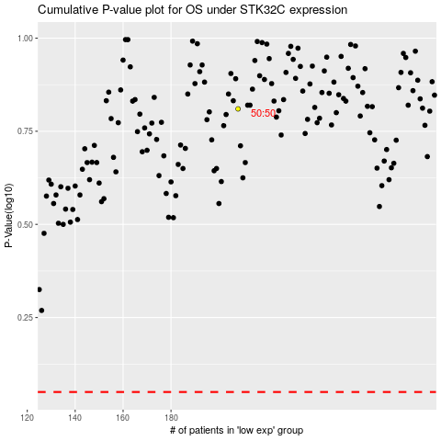

 |  |  |  |  |  | cases_OS | p_OS | rank | exp
 |  |  |  |  |  |  | cases_RFS | p_RFS | rank | exp

