STK33 _multivariate
Reported by Tex Li-Hsing Chi. tex@gate.sinica.edu.tw 2019-08-15

Table 2. The clinicopathological features of HNSCC cohort and STK33 expression. (Chi square test)
Cutoff at -0.253 (50.0%)
 |  | STK33 expression |  | STK33 expression |  | (Optimised)
 | Features | Low | (%) | High | (%) | Case no | P-value | Remark | Matthews
Gender | Female | 144 | 34.7 | 162 | 39 | 415 | 0.0697 | 0 | 0
2 | Male | 63 | 15.2 | 46 | 11.1
Age at diagnosis | <=65y | 130 | 31.3 | 144 | 34.7 | 415 | 0.2009 | 0 | 0
4 | >65y | 77 | 18.6 | 64 | 15.4
Clinical T Status | T1+T2 | 66 | 15.9 | 83 | 20 | 415 | 0.1095 | 0 | 0
6 | T3+T4 | 141 | 34 | 125 | 30.1
Clinical N Status | N0 | 109 | 26.3 | 107 | 25.8 | 415 | 0.8812 | 0 | 0
8 | N1-3 | 98 | 23.6 | 101 | 24.3
Clinical M Status | M0 | 204 | 49.2 | 208 | 50.1 | 415 | 0.1232 | 0 | 0
10 | M1 | 3 | 0.7 | 0 | 0
Clinical Stage | Stage I+II | 49 | 11.8 | 53 | 12.8 | 415 | 0.7535 | 0 | 0
12 | Stage III+IV | 158 | 38.1 | 155 | 37.3
Surgical Margin status | Negative | 159 | 38.3 | 159 | 38.3 | 415 | 1 | 0 | 0
14 | Positive | 48 | 11.6 | 49 | 11.8
Tobacco Exposure | Low | 90 | 21.7 | 71 | 17.1 | 415 | 0.0559 | 0 | 0
16 | High | 117 | 28.2 | 137 | 33

Table 3. Univariate/Multivariate Cox's proportional hazards regression analyses on OS time of STK33 gene expression in HNSCC

 |  | Univariate |  |  |  | Multivariate
 | Features | HR | CI95%(L) | CI95%(H) | P-value | HR | CI95%(L) | CI95%(H) | P-value
1 | Female | 1 |  |  |  | 1
Gender | Male | 1.157 | 0.843 | 1.587 | 0.367 | 1.208 | 0.863 | 1.692 | 0.271
11 | <=65y | 1 |  |  |  | 1
Age at diagnosis | >65y | 1.329 | 0.99 | 1.784 | 0.058 | 1.39 | 1.022 | 1.89 | 0.036
12 | T1+T2 | 1 |  |  |  | 1
Clinical T Status | T3+T4 | 1.409 | 1.028 | 1.931 | 0.033 | 2.221 | 1.171 | 4.213 | 0.015
13 | N0 | 1 |  |  |  | 1
Clinical N Status | N1-3 | 1.185 | 0.89 | 1.577 | 0.246 | 1.243 | 0.871 | 1.774 | 0.231
14 | M0 | 1 |  |  |  | 1
Clinical M Status | M1 | 4.097 | 1.009 | 16.644 | 0.049 | 9.656 | 2.079 | 44.84 | 0.004
15 | Stage I+II | 1 |  |  |  | 1
Clinical Stage | Stage III+IV | 1.245 | 0.882 | 1.759 | 0.213 | 0.502 | 0.234 | 1.079 | 0.077
16 | Negative | 1 |  |  |  | 1
Surgical Margin status | Positive | 1.591 | 1.155 | 2.191 | 0.004 | 1.67 | 1.209 | 2.308 | 0.002
17 | Low | 1 |  |  |  | 1
Tobacco Exposure | High | 1.364 | 1.008 | 1.844 | 0.044 | 1.446 | 1.047 | 1.996 | 0.025
18 | Low | 1 |  |  |  | 1
RNAseq(z-score) | High | 0.982 | 0.738 | 1.308 | 0.902 | 1.04 | 0.774 | 1.397 | 0.795

Table 4. Univariate/Multivariate Cox's proportional hazards regression analyses on RFS time of STK33 gene expression in HNSCC

 |  | Univariate |  |  |  | Multivariate
 | Features | HR | CI95%(L) | CI95%(H) | P-value | HR | CI95%(L) | CI95%(H) | P-value
1 | Female | 1 |  |  |  | 1
Gender | Male | 1.157 | 0.843 | 1.587 | 0.367 | 1.208 | 0.863 | 1.692 | 0.271
11 | <=65y | 1 |  |  |  | 1
Age at diagnosis | >65y | 1.329 | 0.99 | 1.784 | 0.058 | 1.39 | 1.022 | 1.89 | 0.036
12 | T1+T2 | 1 |  |  |  | 1
Clinical T Status | T3+T4 | 1.409 | 1.028 | 1.931 | 0.033 | 2.221 | 1.171 | 4.213 | 0.015
13 | N0 | 1 |  |  |  | 1
Clinical N Status | N1-3 | 1.185 | 0.89 | 1.577 | 0.246 | 1.243 | 0.871 | 1.774 | 0.231
14 | M0 | 1 |  |  |  | 1
Clinical M Status | M1 | 4.097 | 1.009 | 16.644 | 0.049 | 9.656 | 2.079 | 44.84 | 0.004
15 | Stage I+II | 1 |  |  |  | 1
Clinical Stage | Stage III+IV | 1.245 | 0.882 | 1.759 | 0.213 | 0.502 | 0.234 | 1.079 | 0.077
16 | Negative | 1 |  |  |  | 1
Surgical Margin status | Positive | 1.591 | 1.155 | 2.191 | 0.004 | 1.67 | 1.209 | 2.308 | 0.002
17 | Low | 1 |  |  |  | 1
Tobacco Exposure | High | 1.364 | 1.008 | 1.844 | 0.044 | 1.446 | 1.047 | 1.996 | 0.025
18 | Low | 1 |  |  |  | 1
RNAseq(z-score) | High | 0.982 | 0.738 | 1.308 | 0.902 | 1.04 | 0.774 | 1.397 | 0.795

Kaplan-Meier survival estimate: Cutoff at -0.253 (50.0%)



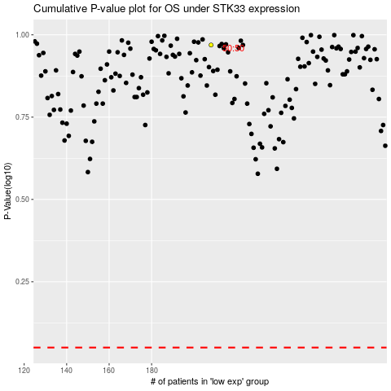

 |  |  |  |  |  | cases_OS | p_OS | rank | exp
 |  |  |  |  |  |  | cases_RFS | p_RFS | rank | exp

