STK36 _multivariate
Reported by Tex Li-Hsing Chi. tex@gate.sinica.edu.tw 2019-08-15

Table 2. The clinicopathological features of HNSCC cohort and STK36 expression. (Chi square test)
Cutoff at 0.218 (69.8%)
 |  | STK36 expression |  | STK36 expression |  | (Optimised)
 | Features | Low | (%) | High | (%) | Case no | P-value | Remark | Matthews
Gender | Female | 206 | 49.6 | 100 | 24.1 | 415 | 0.0747 | 0 | 0
2 | Male | 84 | 20.2 | 25 | 6
Age at diagnosis | <=65y | 180 | 43.4 | 94 | 22.7 | 415 | 0.0132 | 1 | 0
4 | >65y | 110 | 26.5 | 31 | 7.5
Clinical T Status | T1+T2 | 99 | 23.9 | 50 | 12 | 415 | 0.3027 | 0 | 0
6 | T3+T4 | 191 | 46 | 75 | 18.1
Clinical N Status | N0 | 157 | 37.8 | 59 | 14.2 | 415 | 0.2337 | 0 | 0
8 | N1-3 | 133 | 32 | 66 | 15.9
Clinical M Status | M0 | 288 | 69.4 | 124 | 29.9 | 415 | 1 | 0 | 0
10 | M1 | 2 | 0.5 | 1 | 0.2
Clinical Stage | Stage I+II | 73 | 17.6 | 29 | 7 | 415 | 0.7612 | 0 | 0
12 | Stage III+IV | 217 | 52.3 | 96 | 23.1
Surgical Margin status | Negative | 221 | 53.3 | 97 | 23.4 | 415 | 0.8014 | 0 | 0
14 | Positive | 69 | 16.6 | 28 | 6.7
Tobacco Exposure | Low | 114 | 27.5 | 47 | 11.3 | 415 | 0.8263 | 0 | 0
16 | High | 176 | 42.4 | 78 | 18.8

Table 3. Univariate/Multivariate Cox's proportional hazards regression analyses on OS time of STK36 gene expression in HNSCC

 |  | Univariate |  |  |  | Multivariate
 | Features | HR | CI95%(L) | CI95%(H) | P-value | HR | CI95%(L) | CI95%(H) | P-value
1 | Female | 1 |  |  |  | 1
Gender | Male | 1.157 | 0.843 | 1.587 | 0.367 | 1.188 | 0.85 | 1.659 | 0.313
11 | <=65y | 1 |  |  |  | 1
Age at diagnosis | >65y | 1.329 | 0.99 | 1.784 | 0.058 | 1.361 | 1 | 1.853 | 0.05
12 | T1+T2 | 1 |  |  |  | 1
Clinical T Status | T3+T4 | 1.409 | 1.028 | 1.931 | 0.033 | 2.114 | 1.116 | 4.004 | 0.022
13 | N0 | 1 |  |  |  | 1
Clinical N Status | N1-3 | 1.185 | 0.89 | 1.577 | 0.246 | 1.235 | 0.866 | 1.762 | 0.244
14 | M0 | 1 |  |  |  | 1
Clinical M Status | M1 | 4.097 | 1.009 | 16.644 | 0.049 | 8.789 | 1.912 | 40.41 | 0.005
15 | Stage I+II | 1 |  |  |  | 1
Clinical Stage | Stage III+IV | 1.245 | 0.882 | 1.759 | 0.213 | 0.531 | 0.247 | 1.143 | 0.106
16 | Negative | 1 |  |  |  | 1
Surgical Margin status | Positive | 1.591 | 1.155 | 2.191 | 0.004 | 1.634 | 1.182 | 2.261 | 0.003
17 | Low | 1 |  |  |  | 1
Tobacco Exposure | High | 1.364 | 1.008 | 1.844 | 0.044 | 1.46 | 1.059 | 2.013 | 0.021
18 | Low | 1 |  |  |  | 1
RNAseq(z-score) | High | 0.706 | 0.507 | 0.983 | 0.039 | 0.793 | 0.566 | 1.111 | 0.177

Table 4. Univariate/Multivariate Cox's proportional hazards regression analyses on RFS time of STK36 gene expression in HNSCC

 |  | Univariate |  |  |  | Multivariate
 | Features | HR | CI95%(L) | CI95%(H) | P-value | HR | CI95%(L) | CI95%(H) | P-value
1 | Female | 1 |  |  |  | 1
Gender | Male | 1.157 | 0.843 | 1.587 | 0.367 | 1.188 | 0.85 | 1.659 | 0.313
11 | <=65y | 1 |  |  |  | 1
Age at diagnosis | >65y | 1.329 | 0.99 | 1.784 | 0.058 | 1.361 | 1 | 1.853 | 0.05
12 | T1+T2 | 1 |  |  |  | 1
Clinical T Status | T3+T4 | 1.409 | 1.028 | 1.931 | 0.033 | 2.114 | 1.116 | 4.004 | 0.022
13 | N0 | 1 |  |  |  | 1
Clinical N Status | N1-3 | 1.185 | 0.89 | 1.577 | 0.246 | 1.235 | 0.866 | 1.762 | 0.244
14 | M0 | 1 |  |  |  | 1
Clinical M Status | M1 | 4.097 | 1.009 | 16.644 | 0.049 | 8.789 | 1.912 | 40.41 | 0.005
15 | Stage I+II | 1 |  |  |  | 1
Clinical Stage | Stage III+IV | 1.245 | 0.882 | 1.759 | 0.213 | 0.531 | 0.247 | 1.143 | 0.106
16 | Negative | 1 |  |  |  | 1
Surgical Margin status | Positive | 1.591 | 1.155 | 2.191 | 0.004 | 1.634 | 1.182 | 2.261 | 0.003
17 | Low | 1 |  |  |  | 1
Tobacco Exposure | High | 1.364 | 1.008 | 1.844 | 0.044 | 1.46 | 1.059 | 2.013 | 0.021
18 | Low | 1 |  |  |  | 1
RNAseq(z-score) | High | 0.706 | 0.507 | 0.983 | 0.039 | 0.793 | 0.566 | 1.111 | 0.177

Kaplan-Meier survival estimate: Cutoff at 0.218 (69.8%)



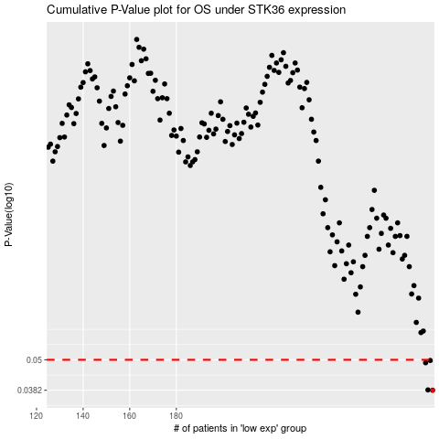

 |  |  |  |  |  | cases_OS | p_OS | rank | exp
 |  |  |  |  |  | 290 | 0.0382 | 162 | 0.21782848321
 |  |  |  |  |  | 288 | 0.0383 | 122 | 0.21181179959
 |  |  |  |  |  | 287 | 0.0487 | 200 | 0.19617582732
 |  |  |  |  |  | 289 | 0.0497 | 163 | 0.21456466375
 |  |  |  |  |  |  | cases_RFS | p_RFS | rank | exp
 |  |  |  |  |  |  | 289 | 0.0382 | 163 | 0.21456466375
 |  |  |  |  |  |  | 287 | 0.0383 | 200 | 0.19617582732
 |  |  |  |  |  |  | 286 | 0.0487 | 372 | 0.19043591114
 |  |  |  |  |  |  | 288 | 0.0497 | 122 | 0.21181179959

