STMN1 _multivariate
Reported by Tex Li-Hsing Chi. tex@gate.sinica.edu.tw 2019-08-15

Table 2. The clinicopathological features of HNSCC cohort and STMN1 expression. (Chi square test)
Cutoff at -0.249 (49.8%)
 |  | STMN1 expression |  | STMN1 expression |  | (Optimised)
 | Features | Low | (%) | High | (%) | Case no | P-value | Remark | Matthews
Gender | Female | 141 | 34 | 165 | 39.8 | 415 | 0.013 | 1 | 0
2 | Male | 66 | 15.9 | 43 | 10.4
Age at diagnosis | <=65y | 133 | 32 | 141 | 34 | 415 | 0.5111 | 0 | 0
4 | >65y | 74 | 17.8 | 67 | 16.1
Clinical T Status | T1+T2 | 72 | 17.3 | 77 | 18.6 | 415 | 0.7095 | 0 | 0
6 | T3+T4 | 135 | 32.5 | 131 | 31.6
Clinical N Status | N0 | 119 | 28.7 | 97 | 23.4 | 415 | 0.0345 | 1 | 0
8 | N1-3 | 88 | 21.2 | 111 | 26.7
Clinical M Status | M0 | 205 | 49.4 | 207 | 49.9 | 415 | 0.6232 | 0 | 0
10 | M1 | 2 | 0.5 | 1 | 0.2
Clinical Stage | Stage I+II | 55 | 13.3 | 47 | 11.3 | 415 | 0.4087 | 0 | 0
12 | Stage III+IV | 152 | 36.6 | 161 | 38.8
Surgical Margin status | Negative | 169 | 40.7 | 149 | 35.9 | 415 | 0.0201 | 1 | 0
14 | Positive | 38 | 9.2 | 59 | 14.2
Tobacco Exposure | Low | 85 | 20.5 | 76 | 18.3 | 415 | 0.3655 | 0 | 0
16 | High | 122 | 29.4 | 132 | 31.8

Table 3. Univariate/Multivariate Cox's proportional hazards regression analyses on OS time of STMN1 gene expression in HNSCC

 |  | Univariate |  |  |  | Multivariate
 | Features | HR | CI95%(L) | CI95%(H) | P-value | HR | CI95%(L) | CI95%(H) | P-value
1 | Female | 1 |  |  |  | 1
Gender | Male | 1.157 | 0.843 | 1.587 | 0.367 | 1.198 | 0.856 | 1.676 | 0.291
11 | <=65y | 1 |  |  |  | 1
Age at diagnosis | >65y | 1.329 | 0.99 | 1.784 | 0.058 | 1.394 | 1.025 | 1.895 | 0.034
12 | T1+T2 | 1 |  |  |  | 1
Clinical T Status | T3+T4 | 1.409 | 1.028 | 1.931 | 0.033 | 2.194 | 1.158 | 4.154 | 0.016
13 | N0 | 1 |  |  |  | 1
Clinical N Status | N1-3 | 1.185 | 0.89 | 1.577 | 0.246 | 1.243 | 0.871 | 1.775 | 0.231
14 | M0 | 1 |  |  |  | 1
Clinical M Status | M1 | 4.097 | 1.009 | 16.644 | 0.049 | 9.334 | 2.032 | 42.889 | 0.004
15 | Stage I+II | 1 |  |  |  | 1
Clinical Stage | Stage III+IV | 1.245 | 0.882 | 1.759 | 0.213 | 0.506 | 0.236 | 1.087 | 0.081
16 | Negative | 1 |  |  |  | 1
Surgical Margin status | Positive | 1.591 | 1.155 | 2.191 | 0.004 | 1.677 | 1.211 | 2.321 | 0.002
17 | Low | 1 |  |  |  | 1
Tobacco Exposure | High | 1.364 | 1.008 | 1.844 | 0.044 | 1.457 | 1.056 | 2.011 | 0.022
18 | Low | 1 |  |  |  | 1
RNAseq(z-score) | High | 1.018 | 0.763 | 1.358 | 0.903 | 0.974 | 0.725 | 1.307 | 0.86

Table 4. Univariate/Multivariate Cox's proportional hazards regression analyses on RFS time of STMN1 gene expression in HNSCC

 |  | Univariate |  |  |  | Multivariate
 | Features | HR | CI95%(L) | CI95%(H) | P-value | HR | CI95%(L) | CI95%(H) | P-value
1 | Female | 1 |  |  |  | 1
Gender | Male | 1.157 | 0.843 | 1.587 | 0.367 | 1.198 | 0.856 | 1.676 | 0.291
11 | <=65y | 1 |  |  |  | 1
Age at diagnosis | >65y | 1.329 | 0.99 | 1.784 | 0.058 | 1.394 | 1.025 | 1.895 | 0.034
12 | T1+T2 | 1 |  |  |  | 1
Clinical T Status | T3+T4 | 1.409 | 1.028 | 1.931 | 0.033 | 2.194 | 1.158 | 4.154 | 0.016
13 | N0 | 1 |  |  |  | 1
Clinical N Status | N1-3 | 1.185 | 0.89 | 1.577 | 0.246 | 1.243 | 0.871 | 1.775 | 0.231
14 | M0 | 1 |  |  |  | 1
Clinical M Status | M1 | 4.097 | 1.009 | 16.644 | 0.049 | 9.334 | 2.032 | 42.889 | 0.004
15 | Stage I+II | 1 |  |  |  | 1
Clinical Stage | Stage III+IV | 1.245 | 0.882 | 1.759 | 0.213 | 0.506 | 0.236 | 1.087 | 0.081
16 | Negative | 1 |  |  |  | 1
Surgical Margin status | Positive | 1.591 | 1.155 | 2.191 | 0.004 | 1.677 | 1.211 | 2.321 | 0.002
17 | Low | 1 |  |  |  | 1
Tobacco Exposure | High | 1.364 | 1.008 | 1.844 | 0.044 | 1.457 | 1.056 | 2.011 | 0.022
18 | Low | 1 |  |  |  | 1
RNAseq(z-score) | High | 1.018 | 0.763 | 1.358 | 0.903 | 0.974 | 0.725 | 1.307 | 0.86

Kaplan-Meier survival estimate: Cutoff at -0.249 (49.8%)

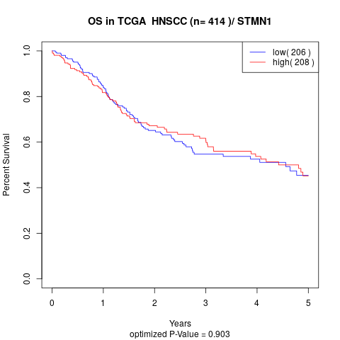

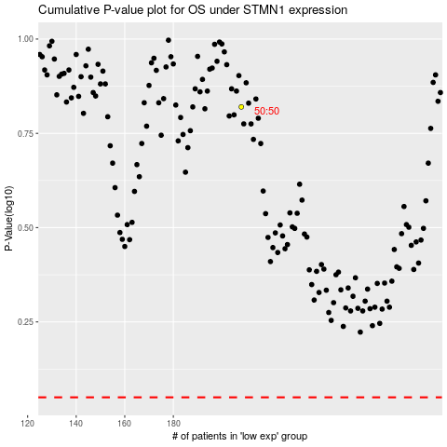

 |  |  |  |  |  | cases_OS | p_OS | rank | exp
 |  |  |  |  |  |  | cases_RFS | p_RFS | rank | exp

