STMN2 _multivariate
Reported by Tex Li-Hsing Chi. tex@gate.sinica.edu.tw 2019-08-15

Table 2. The clinicopathological features of HNSCC cohort and STMN2 expression. (Chi square test)
Cutoff at -0.229 (49.8%)
 |  | STMN2 expression |  | STMN2 expression |  | (Optimised)
 | Features | Low | (%) | High | (%) | Case no | P-value | Remark | Matthews
Gender | Female | 156 | 37.6 | 150 | 36.1 | 415 | 0.4211 | 0 | 0
2 | Male | 50 | 12 | 59 | 14.2
Age at diagnosis | <=65y | 130 | 31.3 | 144 | 34.7 | 415 | 0.2534 | 0 | 0
4 | >65y | 76 | 18.3 | 65 | 15.7
Clinical T Status | T1+T2 | 56 | 13.5 | 93 | 22.4 | 415 | 4e-04 | 1 | 0
6 | T3+T4 | 150 | 36.1 | 116 | 28
Clinical N Status | N0 | 105 | 25.3 | 111 | 26.7 | 415 | 0.7355 | 0 | 0
8 | N1-3 | 101 | 24.3 | 98 | 23.6
Clinical M Status | M0 | 203 | 48.9 | 209 | 50.4 | 415 | 0.1214 | 0 | 0
10 | M1 | 3 | 0.7 | 0 | 0
Clinical Stage | Stage I+II | 39 | 9.4 | 63 | 15.2 | 415 | 0.0111 | 1 | 0
12 | Stage III+IV | 167 | 40.2 | 146 | 35.2
Surgical Margin status | Negative | 160 | 38.6 | 158 | 38.1 | 415 | 0.6439 | 0 | 0
14 | Positive | 46 | 11.1 | 51 | 12.3
Tobacco Exposure | Low | 78 | 18.8 | 83 | 20 | 415 | 0.7626 | 0 | 0
16 | High | 128 | 30.8 | 126 | 30.4

Table 3. Univariate/Multivariate Cox's proportional hazards regression analyses on OS time of STMN2 gene expression in HNSCC

 |  | Univariate |  |  |  | Multivariate
 | Features | HR | CI95%(L) | CI95%(H) | P-value | HR | CI95%(L) | CI95%(H) | P-value
1 | Female | 1 |  |  |  | 1
Gender | Male | 1.157 | 0.843 | 1.587 | 0.367 | 1.199 | 0.856 | 1.678 | 0.291
11 | <=65y | 1 |  |  |  | 1
Age at diagnosis | >65y | 1.329 | 0.99 | 1.784 | 0.058 | 1.393 | 1.024 | 1.895 | 0.035
12 | T1+T2 | 1 |  |  |  | 1
Clinical T Status | T3+T4 | 1.409 | 1.028 | 1.931 | 0.033 | 2.209 | 1.166 | 4.183 | 0.015
13 | N0 | 1 |  |  |  | 1
Clinical N Status | N1-3 | 1.185 | 0.89 | 1.577 | 0.246 | 1.241 | 0.87 | 1.771 | 0.233
14 | M0 | 1 |  |  |  | 1
Clinical M Status | M1 | 4.097 | 1.009 | 16.644 | 0.049 | 9.513 | 2.057 | 43.992 | 0.004
15 | Stage I+II | 1 |  |  |  | 1
Clinical Stage | Stage III+IV | 1.245 | 0.882 | 1.759 | 0.213 | 0.504 | 0.235 | 1.082 | 0.079
16 | Negative | 1 |  |  |  | 1
Surgical Margin status | Positive | 1.591 | 1.155 | 2.191 | 0.004 | 1.669 | 1.207 | 2.308 | 0.002
17 | Low | 1 |  |  |  | 1
Tobacco Exposure | High | 1.364 | 1.008 | 1.844 | 0.044 | 1.452 | 1.054 | 2.001 | 0.023
18 | Low | 1 |  |  |  | 1
RNAseq(z-score) | High | 0.993 | 0.746 | 1.322 | 0.96 | 1.02 | 0.762 | 1.367 | 0.893

Table 4. Univariate/Multivariate Cox's proportional hazards regression analyses on RFS time of STMN2 gene expression in HNSCC

 |  | Univariate |  |  |  | Multivariate
 | Features | HR | CI95%(L) | CI95%(H) | P-value | HR | CI95%(L) | CI95%(H) | P-value
1 | Female | 1 |  |  |  | 1
Gender | Male | 1.157 | 0.843 | 1.587 | 0.367 | 1.199 | 0.856 | 1.678 | 0.291
11 | <=65y | 1 |  |  |  | 1
Age at diagnosis | >65y | 1.329 | 0.99 | 1.784 | 0.058 | 1.393 | 1.024 | 1.895 | 0.035
12 | T1+T2 | 1 |  |  |  | 1
Clinical T Status | T3+T4 | 1.409 | 1.028 | 1.931 | 0.033 | 2.209 | 1.166 | 4.183 | 0.015
13 | N0 | 1 |  |  |  | 1
Clinical N Status | N1-3 | 1.185 | 0.89 | 1.577 | 0.246 | 1.241 | 0.87 | 1.771 | 0.233
14 | M0 | 1 |  |  |  | 1
Clinical M Status | M1 | 4.097 | 1.009 | 16.644 | 0.049 | 9.513 | 2.057 | 43.992 | 0.004
15 | Stage I+II | 1 |  |  |  | 1
Clinical Stage | Stage III+IV | 1.245 | 0.882 | 1.759 | 0.213 | 0.504 | 0.235 | 1.082 | 0.079
16 | Negative | 1 |  |  |  | 1
Surgical Margin status | Positive | 1.591 | 1.155 | 2.191 | 0.004 | 1.669 | 1.207 | 2.308 | 0.002
17 | Low | 1 |  |  |  | 1
Tobacco Exposure | High | 1.364 | 1.008 | 1.844 | 0.044 | 1.452 | 1.054 | 2.001 | 0.023
18 | Low | 1 |  |  |  | 1
RNAseq(z-score) | High | 0.993 | 0.746 | 1.322 | 0.96 | 1.02 | 0.762 | 1.367 | 0.893

Kaplan-Meier survival estimate: Cutoff at -0.229 (49.8%)



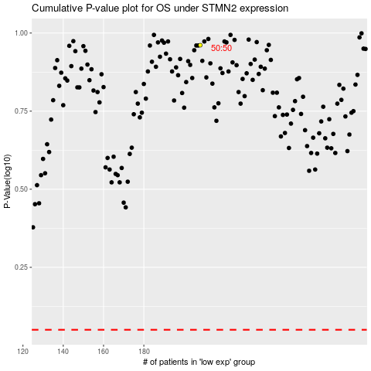

 |  |  |  |  |  | cases_OS | p_OS | rank | exp
 |  |  |  |  |  |  | cases_RFS | p_RFS | rank | exp

