STMN3 _multivariate
Reported by Tex Li-Hsing Chi. tex@gate.sinica.edu.tw 2019-08-15

Table 2. The clinicopathological features of HNSCC cohort and STMN3 expression. (Chi square test)
Cutoff at -0.248 (49.8%)
 |  | STMN3 expression |  | STMN3 expression |  | (Optimised)
 | Features | Low | (%) | High | (%) | Case no | P-value | Remark | Matthews
Gender | Female | 144 | 34.7 | 162 | 39 | 415 | 0.0697 | 0 | 0
2 | Male | 63 | 15.2 | 46 | 11.1
Age at diagnosis | <=65y | 136 | 32.8 | 138 | 33.3 | 415 | 0.9719 | 0 | 0
4 | >65y | 71 | 17.1 | 70 | 16.9
Clinical T Status | T1+T2 | 73 | 17.6 | 76 | 18.3 | 415 | 0.8666 | 0 | 0
6 | T3+T4 | 134 | 32.3 | 132 | 31.8
Clinical N Status | N0 | 117 | 28.2 | 99 | 23.9 | 415 | 0.0852 | 1 | 0
8 | N1-3 | 90 | 21.7 | 109 | 26.3
Clinical M Status | M0 | 206 | 49.6 | 206 | 49.6 | 415 | 1 | 0 | 0
10 | M1 | 1 | 0.2 | 2 | 0.5
Clinical Stage | Stage I+II | 53 | 12.8 | 49 | 11.8 | 415 | 0.7113 | 0 | 0
12 | Stage III+IV | 154 | 37.1 | 159 | 38.3
Surgical Margin status | Negative | 157 | 37.8 | 161 | 38.8 | 415 | 0.729 | 0 | 0
14 | Positive | 50 | 12 | 47 | 11.3
Tobacco Exposure | Low | 90 | 21.7 | 71 | 17.1 | 415 | 0.0559 | 0 | 0
16 | High | 117 | 28.2 | 137 | 33

Table 3. Univariate/Multivariate Cox's proportional hazards regression analyses on OS time of STMN3 gene expression in HNSCC

 |  | Univariate |  |  |  | Multivariate
 | Features | HR | CI95%(L) | CI95%(H) | P-value | HR | CI95%(L) | CI95%(H) | P-value
1 | Female | 1 |  |  |  | 1
Gender | Male | 1.157 | 0.843 | 1.587 | 0.367 | 1.207 | 0.863 | 1.688 | 0.273
11 | <=65y | 1 |  |  |  | 1
Age at diagnosis | >65y | 1.329 | 0.99 | 1.784 | 0.058 | 1.39 | 1.023 | 1.89 | 0.036
12 | T1+T2 | 1 |  |  |  | 1
Clinical T Status | T3+T4 | 1.409 | 1.028 | 1.931 | 0.033 | 2.202 | 1.165 | 4.163 | 0.015
13 | N0 | 1 |  |  |  | 1
Clinical N Status | N1-3 | 1.185 | 0.89 | 1.577 | 0.246 | 1.234 | 0.864 | 1.764 | 0.248
14 | M0 | 1 |  |  |  | 1
Clinical M Status | M1 | 4.097 | 1.009 | 16.644 | 0.049 | 9.389 | 2.048 | 43.032 | 0.004
15 | Stage I+II | 1 |  |  |  | 1
Clinical Stage | Stage III+IV | 1.245 | 0.882 | 1.759 | 0.213 | 0.507 | 0.236 | 1.09 | 0.082
16 | Negative | 1 |  |  |  | 1
Surgical Margin status | Positive | 1.591 | 1.155 | 2.191 | 0.004 | 1.665 | 1.204 | 2.303 | 0.002
17 | Low | 1 |  |  |  | 1
Tobacco Exposure | High | 1.364 | 1.008 | 1.844 | 0.044 | 1.446 | 1.048 | 1.995 | 0.025
18 | Low | 1 |  |  |  | 1
RNAseq(z-score) | High | 1.094 | 0.82 | 1.46 | 0.539 | 1.045 | 0.779 | 1.401 | 0.77

Table 4. Univariate/Multivariate Cox's proportional hazards regression analyses on RFS time of STMN3 gene expression in HNSCC

 |  | Univariate |  |  |  | Multivariate
 | Features | HR | CI95%(L) | CI95%(H) | P-value | HR | CI95%(L) | CI95%(H) | P-value
1 | Female | 1 |  |  |  | 1
Gender | Male | 1.157 | 0.843 | 1.587 | 0.367 | 1.207 | 0.863 | 1.688 | 0.273
11 | <=65y | 1 |  |  |  | 1
Age at diagnosis | >65y | 1.329 | 0.99 | 1.784 | 0.058 | 1.39 | 1.023 | 1.89 | 0.036
12 | T1+T2 | 1 |  |  |  | 1
Clinical T Status | T3+T4 | 1.409 | 1.028 | 1.931 | 0.033 | 2.202 | 1.165 | 4.163 | 0.015
13 | N0 | 1 |  |  |  | 1
Clinical N Status | N1-3 | 1.185 | 0.89 | 1.577 | 0.246 | 1.234 | 0.864 | 1.764 | 0.248
14 | M0 | 1 |  |  |  | 1
Clinical M Status | M1 | 4.097 | 1.009 | 16.644 | 0.049 | 9.389 | 2.048 | 43.032 | 0.004
15 | Stage I+II | 1 |  |  |  | 1
Clinical Stage | Stage III+IV | 1.245 | 0.882 | 1.759 | 0.213 | 0.507 | 0.236 | 1.09 | 0.082
16 | Negative | 1 |  |  |  | 1
Surgical Margin status | Positive | 1.591 | 1.155 | 2.191 | 0.004 | 1.665 | 1.204 | 2.303 | 0.002
17 | Low | 1 |  |  |  | 1
Tobacco Exposure | High | 1.364 | 1.008 | 1.844 | 0.044 | 1.446 | 1.048 | 1.995 | 0.025
18 | Low | 1 |  |  |  | 1
RNAseq(z-score) | High | 1.094 | 0.82 | 1.46 | 0.539 | 1.045 | 0.779 | 1.401 | 0.77

Kaplan-Meier survival estimate: Cutoff at -0.248 (49.8%)



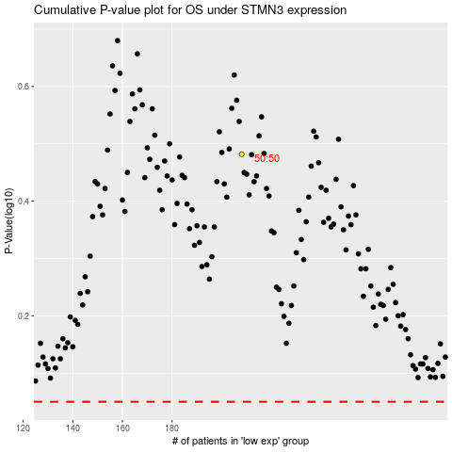

 |  |  |  |  |  | cases_OS | p_OS | rank | exp
 |  |  |  |  |  |  | cases_RFS | p_RFS | rank | exp

