STOML1 _multivariate
Reported by Tex Li-Hsing Chi. tex@gate.sinica.edu.tw 2019-08-15

Table 2. The clinicopathological features of HNSCC cohort and STOML1 expression. (Chi square test)
Cutoff at -0.173 (49.8%)
 |  | STOML1 expression |  | STOML1 expression |  | (Optimised)
 | Features | Low | (%) | High | (%) | Case no | P-value | Remark | Matthews
Gender | Female | 153 | 36.9 | 153 | 36.9 | 415 | 1 | 0 | 0
2 | Male | 54 | 13 | 55 | 13.3
Age at diagnosis | <=65y | 138 | 33.3 | 136 | 32.8 | 415 | 0.8634 | 0 | 0
4 | >65y | 69 | 16.6 | 72 | 17.3
Clinical T Status | T1+T2 | 61 | 14.7 | 88 | 21.2 | 415 | 0.0087 | 1 | 0
6 | T3+T4 | 146 | 35.2 | 120 | 28.9
Clinical N Status | N0 | 96 | 23.1 | 120 | 28.9 | 415 | 0.0272 | 1 | 0
8 | N1-3 | 111 | 26.7 | 88 | 21.2
Clinical M Status | M0 | 207 | 49.9 | 205 | 49.4 | 415 | 0.2482 | 0 | 0
10 | M1 | 0 | 0 | 3 | 0.7
Clinical Stage | Stage I+II | 34 | 8.2 | 68 | 16.4 | 415 | 2e-04 | 1 | 0
12 | Stage III+IV | 173 | 41.7 | 140 | 33.7
Surgical Margin status | Negative | 153 | 36.9 | 165 | 39.8 | 415 | 0.2036 | 0 | 0
14 | Positive | 54 | 13 | 43 | 10.4
Tobacco Exposure | Low | 74 | 17.8 | 87 | 21 | 415 | 0.227 | 0 | 0
16 | High | 133 | 32 | 121 | 29.2

Table 3. Univariate/Multivariate Cox's proportional hazards regression analyses on OS time of STOML1 gene expression in HNSCC

 |  | Univariate |  |  |  | Multivariate
 | Features | HR | CI95%(L) | CI95%(H) | P-value | HR | CI95%(L) | CI95%(H) | P-value
1 | Female | 1 |  |  |  | 1
Gender | Male | 1.157 | 0.843 | 1.587 | 0.367 | 1.221 | 0.874 | 1.706 | 0.241
11 | <=65y | 1 |  |  |  | 1
Age at diagnosis | >65y | 1.329 | 0.99 | 1.784 | 0.058 | 1.412 | 1.038 | 1.922 | 0.028
12 | T1+T2 | 1 |  |  |  | 1
Clinical T Status | T3+T4 | 1.409 | 1.028 | 1.931 | 0.033 | 2.269 | 1.199 | 4.293 | 0.012
13 | N0 | 1 |  |  |  | 1
Clinical N Status | N1-3 | 1.185 | 0.89 | 1.577 | 0.246 | 1.257 | 0.881 | 1.794 | 0.207
14 | M0 | 1 |  |  |  | 1
Clinical M Status | M1 | 4.097 | 1.009 | 16.644 | 0.049 | 11.167 | 2.398 | 51.998 | 0.002
15 | Stage I+II | 1 |  |  |  | 1
Clinical Stage | Stage III+IV | 1.245 | 0.882 | 1.759 | 0.213 | 0.457 | 0.211 | 0.99 | 0.047
16 | Negative | 1 |  |  |  | 1
Surgical Margin status | Positive | 1.591 | 1.155 | 2.191 | 0.004 | 1.675 | 1.212 | 2.316 | 0.002
17 | Low | 1 |  |  |  | 1
Tobacco Exposure | High | 1.364 | 1.008 | 1.844 | 0.044 | 1.46 | 1.059 | 2.012 | 0.021
18 | Low | 1 |  |  |  | 1
RNAseq(z-score) | High | 0.829 | 0.622 | 1.104 | 0.2 | 0.786 | 0.583 | 1.06 | 0.114

Table 4. Univariate/Multivariate Cox's proportional hazards regression analyses on RFS time of STOML1 gene expression in HNSCC

 |  | Univariate |  |  |  | Multivariate
 | Features | HR | CI95%(L) | CI95%(H) | P-value | HR | CI95%(L) | CI95%(H) | P-value
1 | Female | 1 |  |  |  | 1
Gender | Male | 1.157 | 0.843 | 1.587 | 0.367 | 1.221 | 0.874 | 1.706 | 0.241
11 | <=65y | 1 |  |  |  | 1
Age at diagnosis | >65y | 1.329 | 0.99 | 1.784 | 0.058 | 1.412 | 1.038 | 1.922 | 0.028
12 | T1+T2 | 1 |  |  |  | 1
Clinical T Status | T3+T4 | 1.409 | 1.028 | 1.931 | 0.033 | 2.269 | 1.199 | 4.293 | 0.012
13 | N0 | 1 |  |  |  | 1
Clinical N Status | N1-3 | 1.185 | 0.89 | 1.577 | 0.246 | 1.257 | 0.881 | 1.794 | 0.207
14 | M0 | 1 |  |  |  | 1
Clinical M Status | M1 | 4.097 | 1.009 | 16.644 | 0.049 | 11.167 | 2.398 | 51.998 | 0.002
15 | Stage I+II | 1 |  |  |  | 1
Clinical Stage | Stage III+IV | 1.245 | 0.882 | 1.759 | 0.213 | 0.457 | 0.211 | 0.99 | 0.047
16 | Negative | 1 |  |  |  | 1
Surgical Margin status | Positive | 1.591 | 1.155 | 2.191 | 0.004 | 1.675 | 1.212 | 2.316 | 0.002
17 | Low | 1 |  |  |  | 1
Tobacco Exposure | High | 1.364 | 1.008 | 1.844 | 0.044 | 1.46 | 1.059 | 2.012 | 0.021
18 | Low | 1 |  |  |  | 1
RNAseq(z-score) | High | 0.829 | 0.622 | 1.104 | 0.2 | 0.786 | 0.583 | 1.06 | 0.114

Kaplan-Meier survival estimate: Cutoff at -0.173 (49.8%)



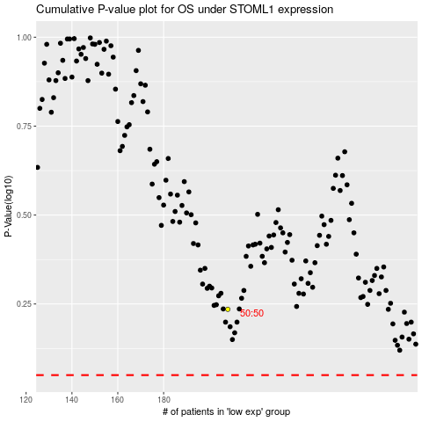

 |  |  |  |  |  | cases_OS | p_OS | rank | exp
 |  |  |  |  |  |  | cases_RFS | p_RFS | rank | exp

