STOML2 _multivariate
Reported by Tex Li-Hsing Chi. tex@gate.sinica.edu.tw 2019-08-15

Table 2. The clinicopathological features of HNSCC cohort and STOML2 expression. (Chi square test)
Cutoff at -0.516 (30.4%)
 |  | STOML2 expression |  | STOML2 expression |  | (Optimised)
 | Features | Low | (%) | High | (%) | Case no | P-value | Remark | Matthews
Gender | Female | 97 | 23.4 | 209 | 50.4 | 415 | 0.3833 | 0 | 0
2 | Male | 29 | 7 | 80 | 19.3
Age at diagnosis | <=65y | 92 | 22.2 | 182 | 43.9 | 415 | 0.0611 | 0 | 0
4 | >65y | 34 | 8.2 | 107 | 25.8
Clinical T Status | T1+T2 | 38 | 9.2 | 111 | 26.7 | 415 | 0.1337 | 0 | 0
6 | T3+T4 | 88 | 21.2 | 178 | 42.9
Clinical N Status | N0 | 72 | 17.3 | 144 | 34.7 | 415 | 0.2059 | 0 | 0
8 | N1-3 | 54 | 13 | 145 | 34.9
Clinical M Status | M0 | 126 | 30.4 | 286 | 68.9 | 415 | 0.5566 | 0 | 0
10 | M1 | 0 | 0 | 3 | 0.7
Clinical Stage | Stage I+II | 26 | 6.3 | 76 | 18.3 | 415 | 0.2679 | 0 | 0
12 | Stage III+IV | 100 | 24.1 | 213 | 51.3
Surgical Margin status | Negative | 100 | 24.1 | 218 | 52.5 | 415 | 0.4495 | 0 | 0
14 | Positive | 26 | 6.3 | 71 | 17.1
Tobacco Exposure | Low | 42 | 10.1 | 119 | 28.7 | 415 | 0.1544 | 0 | 0
16 | High | 84 | 20.2 | 170 | 41

Table 3. Univariate/Multivariate Cox's proportional hazards regression analyses on OS time of STOML2 gene expression in HNSCC

 |  | Univariate |  |  |  | Multivariate
 | Features | HR | CI95%(L) | CI95%(H) | P-value | HR | CI95%(L) | CI95%(H) | P-value
1 | Female | 1 |  |  |  | 1
Gender | Male | 1.157 | 0.843 | 1.587 | 0.367 | 1.184 | 0.845 | 1.658 | 0.327
11 | <=65y | 1 |  |  |  | 1
Age at diagnosis | >65y | 1.329 | 0.99 | 1.784 | 0.058 | 1.337 | 0.981 | 1.823 | 0.066
12 | T1+T2 | 1 |  |  |  | 1
Clinical T Status | T3+T4 | 1.409 | 1.028 | 1.931 | 0.033 | 2.2 | 1.164 | 4.156 | 0.015
13 | N0 | 1 |  |  |  | 1
Clinical N Status | N1-3 | 1.185 | 0.89 | 1.577 | 0.246 | 1.171 | 0.818 | 1.677 | 0.388
14 | M0 | 1 |  |  |  | 1
Clinical M Status | M1 | 4.097 | 1.009 | 16.644 | 0.049 | 8.36 | 1.82 | 38.401 | 0.006
15 | Stage I+II | 1 |  |  |  | 1
Clinical Stage | Stage III+IV | 1.245 | 0.882 | 1.759 | 0.213 | 0.547 | 0.255 | 1.177 | 0.123
16 | Negative | 1 |  |  |  | 1
Surgical Margin status | Positive | 1.591 | 1.155 | 2.191 | 0.004 | 1.595 | 1.153 | 2.207 | 0.005
17 | Low | 1 |  |  |  | 1
Tobacco Exposure | High | 1.364 | 1.008 | 1.844 | 0.044 | 1.506 | 1.09 | 2.081 | 0.013
18 | Low | 1 |  |  |  | 1
RNAseq(z-score) | High | 1.577 | 1.135 | 2.191 | 0.007 | 1.52 | 1.083 | 2.135 | 0.016

Table 4. Univariate/Multivariate Cox's proportional hazards regression analyses on RFS time of STOML2 gene expression in HNSCC

 |  | Univariate |  |  |  | Multivariate
 | Features | HR | CI95%(L) | CI95%(H) | P-value | HR | CI95%(L) | CI95%(H) | P-value
1 | Female | 1 |  |  |  | 1
Gender | Male | 1.157 | 0.843 | 1.587 | 0.367 | 1.184 | 0.845 | 1.658 | 0.327
11 | <=65y | 1 |  |  |  | 1
Age at diagnosis | >65y | 1.329 | 0.99 | 1.784 | 0.058 | 1.337 | 0.981 | 1.823 | 0.066
12 | T1+T2 | 1 |  |  |  | 1
Clinical T Status | T3+T4 | 1.409 | 1.028 | 1.931 | 0.033 | 2.2 | 1.164 | 4.156 | 0.015
13 | N0 | 1 |  |  |  | 1
Clinical N Status | N1-3 | 1.185 | 0.89 | 1.577 | 0.246 | 1.171 | 0.818 | 1.677 | 0.388
14 | M0 | 1 |  |  |  | 1
Clinical M Status | M1 | 4.097 | 1.009 | 16.644 | 0.049 | 8.36 | 1.82 | 38.401 | 0.006
15 | Stage I+II | 1 |  |  |  | 1
Clinical Stage | Stage III+IV | 1.245 | 0.882 | 1.759 | 0.213 | 0.547 | 0.255 | 1.177 | 0.123
16 | Negative | 1 |  |  |  | 1
Surgical Margin status | Positive | 1.591 | 1.155 | 2.191 | 0.004 | 1.595 | 1.153 | 2.207 | 0.005
17 | Low | 1 |  |  |  | 1
Tobacco Exposure | High | 1.364 | 1.008 | 1.844 | 0.044 | 1.506 | 1.09 | 2.081 | 0.013
18 | Low | 1 |  |  |  | 1
RNAseq(z-score) | High | 1.577 | 1.135 | 2.191 | 0.007 | 1.52 | 1.083 | 2.135 | 0.016

Kaplan-Meier survival estimate: Cutoff at -0.516 (30.4%)

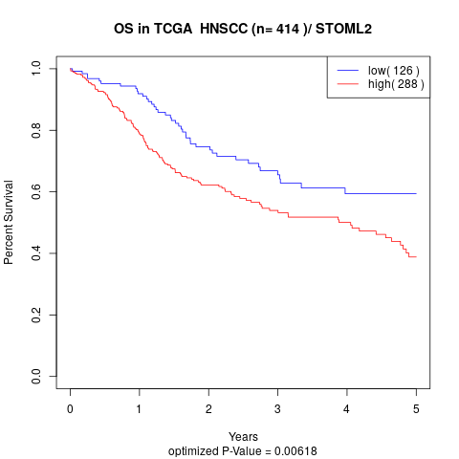

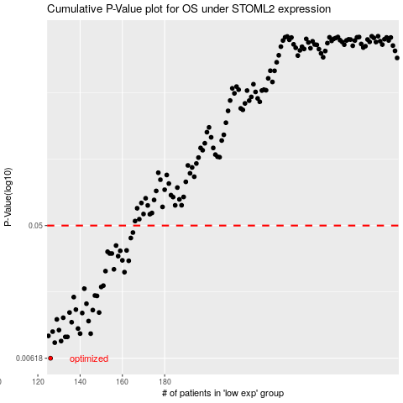

 |  |  |  |  |  | cases_OS | p_OS | rank | exp
 |  |  |  |  |  | 126 | 0.00618 | 78 | -0.51630358015
 |  |  |  |  |  | 128 | 0.0079 | 207 | -0.51252476035
 |  |  |  |  |  | 131 | 0.0081 | 88 | -0.50532482257
 |  |  |  |  |  | 134 | 0.00865 | 159 | -0.49687768222
 |  |  |  |  |  | 133 | 0.00865 | 333 | -0.4998217175
 |  |  |  |  |  | 125 | 0.00879 | 396 | -0.52095911889
 |  |  |  |  |  | 145 | 0.0091 | 296 | -0.47317705539
 |  |  |  |  |  | 140 | 0.00911 | 385 | -0.4838236118
 |  |  |  |  |  | 127 | 0.0094 | 320 | -0.51463602598
 |  |  |  |  |  | 130 | 0.00963 | 305 | -0.50590057077
 |  |  |  |  |  | 139 | 0.00986 | 98 | -0.48580208511
 |  |  |  |  |  | 136 | 0.0109 | 264 | -0.49162190206
 |  |  |  |  |  | 144 | 0.0111 | 407 | -0.47546871457
 |  |  |  |  |  | 129 | 0.0114 | 340 | -0.50874921471
 |  |  |  |  |  | 132 | 0.0117 | 406 | -0.50022443902
 |  |  |  |  |  | 141 | 0.0126 | 276 | -0.48142466096
 |  |  |  |  |  | 149 | 0.0127 | 247 | -0.44783431208
 |  |  |  |  |  | 135 | 0.0127 | 294 | -0.49490632391
 |  |  |  |  |  | 146 | 0.0132 | 56 | -0.46821657915
 |  |  |  |  |  | 138 | 0.0133 | 45 | -0.48737947399
 |  |  |  |  |  | 143 | 0.0146 | 141 | -0.48110958616
 |  |  |  |  |  | 137 | 0.0162 | 167 | -0.48967843706
 |  |  |  |  |  | 148 | 0.0165 | 40 | -0.46197508835
 |  |  |  |  |  | 147 | 0.0166 | 358 | -0.46552937642
 |  |  |  |  |  | 142 | 0.0185 | 130 | -0.48129646506
 |  |  |  |  |  | 150 | 0.019 | 179 | -0.44119797034
 |  |  |  |  |  | 151 | 0.0194 | 90 | -0.43193997202
 |  |  |  |  |  | 161 | 0.024 | 191 | -0.41163345135
 |  |  |  |  |  | 152 | 0.0244 | 138 | -0.43156023258
 |  |  |  |  |  | 156 | 0.0251 | 250 | -0.4212817042
 |  |  |  |  |  | 163 | 0.0287 | 198 | -0.40711265683
 |  |  |  |  |  | 160 | 0.0289 | 95 | -0.41285112353
 |  |  |  |  |  | 158 | 0.0309 | 7 | -0.41326927137
 |  |  |  |  |  | 155 | 0.0322 | 242 | -0.42263966148
 |  |  |  |  |  | 154 | 0.0322 | 342 | -0.42629847078
 |  |  |  |  |  | 153 | 0.0331 | 25 | -0.43125491729
 |  |  |  |  |  | 159 | 0.0336 | 5 | -0.41292183276
 |  |  |  |  |  | 162 | 0.0338 | 381 | -0.40940387525
 |  |  |  |  |  | 157 | 0.0365 | 290 | -0.41490842851
 |  |  |  |  |  | 164 | 0.0411 | 243 | -0.40511762383
 |  |  |  |  |  | 165 | 0.0448 | 209 | -0.40033546331
 |  |  |  |  |  |  | cases_RFS | p_RFS | rank | exp
 |  |  |  |  |  |  | 125 | 0.00618 | 396 | -0.52095911889
 |  |  |  |  |  |  | 127 | 0.0079 | 320 | -0.51463602598
 |  |  |  |  |  |  | 130 | 0.0081 | 305 | -0.50590057077
 |  |  |  |  |  |  | 133 | 0.00865 | 333 | -0.4998217175
 |  |  |  |  |  |  | 132 | 0.00865 | 406 | -0.50022443902
 |  |  |  |  |  |  |  | 0.00879 | 46 | -0.53396798074
 |  |  |  |  |  |  | 144 | 0.0091 | 407 | -0.47546871457
 |  |  |  |  |  |  | 139 | 0.00911 | 98 | -0.48580208511
 |  |  |  |  |  |  | 126 | 0.0094 | 78 | -0.51630358015
 |  |  |  |  |  |  | 129 | 0.00963 | 340 | -0.50874921471
 |  |  |  |  |  |  | 138 | 0.00986 | 45 | -0.48737947399
 |  |  |  |  |  |  | 135 | 0.0109 | 294 | -0.49490632391
 |  |  |  |  |  |  | 143 | 0.0111 | 141 | -0.48110958616
 |  |  |  |  |  |  | 128 | 0.0114 | 207 | -0.51252476035
 |  |  |  |  |  |  | 131 | 0.0117 | 88 | -0.50532482257
 |  |  |  |  |  |  | 140 | 0.0126 | 385 | -0.4838236118
 |  |  |  |  |  |  | 148 | 0.0127 | 40 | -0.46197508835
 |  |  |  |  |  |  | 134 | 0.0127 | 159 | -0.49687768222
 |  |  |  |  |  |  | 145 | 0.0132 | 296 | -0.47317705539
 |  |  |  |  |  |  | 137 | 0.0133 | 167 | -0.48967843706
 |  |  |  |  |  |  | 142 | 0.0146 | 130 | -0.48129646506
 |  |  |  |  |  |  | 136 | 0.0162 | 264 | -0.49162190206
 |  |  |  |  |  |  | 147 | 0.0165 | 358 | -0.46552937642
 |  |  |  |  |  |  | 146 | 0.0166 | 56 | -0.46821657915
 |  |  |  |  |  |  | 141 | 0.0185 | 276 | -0.48142466096
 |  |  |  |  |  |  | 149 | 0.019 | 247 | -0.44783431208
 |  |  |  |  |  |  | 150 | 0.0194 | 179 | -0.44119797034
 |  |  |  |  |  |  | 160 | 0.024 | 95 | -0.41285112353
 |  |  |  |  |  |  | 151 | 0.0244 | 90 | -0.43193997202
 |  |  |  |  |  |  | 155 | 0.0251 | 242 | -0.42263966148
 |  |  |  |  |  |  | 162 | 0.0287 | 381 | -0.40940387525
 |  |  |  |  |  |  | 159 | 0.0289 | 5 | -0.41292183276
 |  |  |  |  |  |  | 157 | 0.0309 | 290 | -0.41490842851
 |  |  |  |  |  |  | 153 | 0.0322 | 25 | -0.43125491729
 |  |  |  |  |  |  | 154 | 0.0322 | 342 | -0.42629847078
 |  |  |  |  |  |  | 152 | 0.0331 | 138 | -0.43156023258
 |  |  |  |  |  |  | 158 | 0.0336 | 7 | -0.41326927137
 |  |  |  |  |  |  | 161 | 0.0338 | 191 | -0.41163345135
 |  |  |  |  |  |  | 156 | 0.0365 | 250 | -0.4212817042
 |  |  |  |  |  |  | 163 | 0.0411 | 198 | -0.40711265683
 |  |  |  |  |  |  | 164 | 0.0448 | 243 | -0.40511762383

