STOX2 _multivariate
Reported by Tex Li-Hsing Chi. tex@gate.sinica.edu.tw 2019-08-15

Table 2. The clinicopathological features of HNSCC cohort and STOX2 expression. (Chi square test)
Cutoff at -0.346 (49.8%)
 |  | STOX2 expression |  | STOX2 expression |  | (Optimised)
 | Features | Low | (%) | High | (%) | Case no | P-value | Remark | Matthews
Gender | Female | 151 | 36.4 | 155 | 37.3 | 415 | 0.8007 | 0 | 0
2 | Male | 56 | 13.5 | 53 | 12.8
Age at diagnosis | <=65y | 140 | 33.7 | 134 | 32.3 | 415 | 0.5574 | 0 | 0
4 | >65y | 67 | 16.1 | 74 | 17.8
Clinical T Status | T1+T2 | 76 | 18.3 | 73 | 17.6 | 415 | 0.8092 | 0 | 0
6 | T3+T4 | 131 | 31.6 | 135 | 32.5
Clinical N Status | N0 | 100 | 24.1 | 116 | 28 | 415 | 0.1548 | 0 | 0
8 | N1-3 | 107 | 25.8 | 92 | 22.2
Clinical M Status | M0 | 204 | 49.2 | 208 | 50.1 | 415 | 0.1232 | 0 | 0
10 | M1 | 3 | 0.7 | 0 | 0
Clinical Stage | Stage I+II | 53 | 12.8 | 49 | 11.8 | 415 | 0.7113 | 0 | 0
12 | Stage III+IV | 154 | 37.1 | 159 | 38.3
Surgical Margin status | Negative | 152 | 36.6 | 166 | 40 | 415 | 0.1329 | 0 | 0
14 | Positive | 55 | 13.3 | 42 | 10.1
Tobacco Exposure | Low | 92 | 22.2 | 69 | 16.6 | 415 | 0.0206 | 1 | 0
16 | High | 115 | 27.7 | 139 | 33.5

Table 3. Univariate/Multivariate Cox's proportional hazards regression analyses on OS time of STOX2 gene expression in HNSCC

 |  | Univariate |  |  |  | Multivariate
 | Features | HR | CI95%(L) | CI95%(H) | P-value | HR | CI95%(L) | CI95%(H) | P-value
1 | Female | 1 |  |  |  | 1
Gender | Male | 1.157 | 0.843 | 1.587 | 0.367 | 1.199 | 0.856 | 1.68 | 0.29
11 | <=65y | 1 |  |  |  | 1
Age at diagnosis | >65y | 1.329 | 0.99 | 1.784 | 0.058 | 1.409 | 1.036 | 1.917 | 0.029
12 | T1+T2 | 1 |  |  |  | 1
Clinical T Status | T3+T4 | 1.409 | 1.028 | 1.931 | 0.033 | 2.096 | 1.104 | 3.976 | 0.024
13 | N0 | 1 |  |  |  | 1
Clinical N Status | N1-3 | 1.185 | 0.89 | 1.577 | 0.246 | 1.206 | 0.843 | 1.724 | 0.305
14 | M0 | 1 |  |  |  | 1
Clinical M Status | M1 | 4.097 | 1.009 | 16.644 | 0.049 | 8.176 | 1.764 | 37.908 | 0.007
15 | Stage I+II | 1 |  |  |  | 1
Clinical Stage | Stage III+IV | 1.245 | 0.882 | 1.759 | 0.213 | 0.543 | 0.251 | 1.174 | 0.121
16 | Negative | 1 |  |  |  | 1
Surgical Margin status | Positive | 1.591 | 1.155 | 2.191 | 0.004 | 1.623 | 1.172 | 2.248 | 0.004
17 | Low | 1 |  |  |  | 1
Tobacco Exposure | High | 1.364 | 1.008 | 1.844 | 0.044 | 1.489 | 1.077 | 2.059 | 0.016
18 | Low | 1 |  |  |  | 1
RNAseq(z-score) | High | 0.777 | 0.583 | 1.036 | 0.086 | 0.81 | 0.602 | 1.091 | 0.165

Table 4. Univariate/Multivariate Cox's proportional hazards regression analyses on RFS time of STOX2 gene expression in HNSCC

 |  | Univariate |  |  |  | Multivariate
 | Features | HR | CI95%(L) | CI95%(H) | P-value | HR | CI95%(L) | CI95%(H) | P-value
1 | Female | 1 |  |  |  | 1
Gender | Male | 1.157 | 0.843 | 1.587 | 0.367 | 1.199 | 0.856 | 1.68 | 0.29
11 | <=65y | 1 |  |  |  | 1
Age at diagnosis | >65y | 1.329 | 0.99 | 1.784 | 0.058 | 1.409 | 1.036 | 1.917 | 0.029
12 | T1+T2 | 1 |  |  |  | 1
Clinical T Status | T3+T4 | 1.409 | 1.028 | 1.931 | 0.033 | 2.096 | 1.104 | 3.976 | 0.024
13 | N0 | 1 |  |  |  | 1
Clinical N Status | N1-3 | 1.185 | 0.89 | 1.577 | 0.246 | 1.206 | 0.843 | 1.724 | 0.305
14 | M0 | 1 |  |  |  | 1
Clinical M Status | M1 | 4.097 | 1.009 | 16.644 | 0.049 | 8.176 | 1.764 | 37.908 | 0.007
15 | Stage I+II | 1 |  |  |  | 1
Clinical Stage | Stage III+IV | 1.245 | 0.882 | 1.759 | 0.213 | 0.543 | 0.251 | 1.174 | 0.121
16 | Negative | 1 |  |  |  | 1
Surgical Margin status | Positive | 1.591 | 1.155 | 2.191 | 0.004 | 1.623 | 1.172 | 2.248 | 0.004
17 | Low | 1 |  |  |  | 1
Tobacco Exposure | High | 1.364 | 1.008 | 1.844 | 0.044 | 1.489 | 1.077 | 2.059 | 0.016
18 | Low | 1 |  |  |  | 1
RNAseq(z-score) | High | 0.777 | 0.583 | 1.036 | 0.086 | 0.81 | 0.602 | 1.091 | 0.165

Kaplan-Meier survival estimate: Cutoff at -0.346 (49.8%)



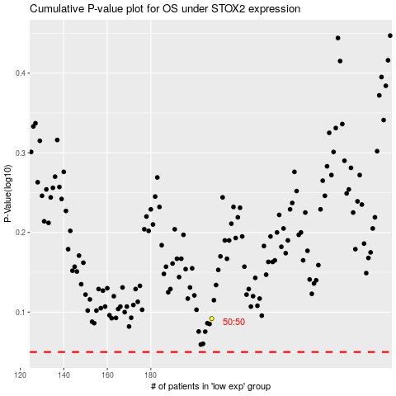

 |  |  |  |  |  | cases_OS | p_OS | rank | exp
 |  |  |  |  |  |  | cases_RFS | p_RFS | rank | exp

