STRAP _multivariate
Reported by Tex Li-Hsing Chi. tex@gate.sinica.edu.tw 2019-08-15

Table 2. The clinicopathological features of HNSCC cohort and STRAP expression. (Chi square test)
Cutoff at -0.084 (50.0%)
 |  | STRAP expression |  | STRAP expression |  | (Optimised)
 | Features | Low | (%) | High | (%) | Case no | P-value | Remark | Matthews
Gender | Female | 144 | 34.7 | 162 | 39 | 415 | 0.0697 | 0 | 0
2 | Male | 63 | 15.2 | 46 | 11.1
Age at diagnosis | <=65y | 134 | 32.3 | 140 | 33.7 | 415 | 0.6529 | 0 | 0
4 | >65y | 73 | 17.6 | 68 | 16.4
Clinical T Status | T1+T2 | 85 | 20.5 | 64 | 15.4 | 415 | 0.0372 | 1 | 0
6 | T3+T4 | 122 | 29.4 | 144 | 34.7
Clinical N Status | N0 | 117 | 28.2 | 99 | 23.9 | 415 | 0.0852 | 1 | 0
8 | N1-3 | 90 | 21.7 | 109 | 26.3
Clinical M Status | M0 | 206 | 49.6 | 206 | 49.6 | 415 | 1 | 0 | 0
10 | M1 | 1 | 0.2 | 2 | 0.5
Clinical Stage | Stage I+II | 58 | 14 | 44 | 10.6 | 415 | 0.131 | 0 | 0
12 | Stage III+IV | 149 | 35.9 | 164 | 39.5
Surgical Margin status | Negative | 159 | 38.3 | 159 | 38.3 | 415 | 1 | 0 | 0
14 | Positive | 48 | 11.6 | 49 | 11.8
Tobacco Exposure | Low | 93 | 22.4 | 68 | 16.4 | 415 | 0.0118 | 1 | 0
16 | High | 114 | 27.5 | 140 | 33.7

Table 3. Univariate/Multivariate Cox's proportional hazards regression analyses on OS time of STRAP gene expression in HNSCC

 |  | Univariate |  |  |  | Multivariate
 | Features | HR | CI95%(L) | CI95%(H) | P-value | HR | CI95%(L) | CI95%(H) | P-value
1 | Female | 1 |  |  |  | 1
Gender | Male | 1.157 | 0.843 | 1.587 | 0.367 | 1.213 | 0.867 | 1.698 | 0.26
11 | <=65y | 1 |  |  |  | 1
Age at diagnosis | >65y | 1.329 | 0.99 | 1.784 | 0.058 | 1.395 | 1.026 | 1.896 | 0.034
12 | T1+T2 | 1 |  |  |  | 1
Clinical T Status | T3+T4 | 1.409 | 1.028 | 1.931 | 0.033 | 2.18 | 1.152 | 4.127 | 0.017
13 | N0 | 1 |  |  |  | 1
Clinical N Status | N1-3 | 1.185 | 0.89 | 1.577 | 0.246 | 1.235 | 0.865 | 1.763 | 0.246
14 | M0 | 1 |  |  |  | 1
Clinical M Status | M1 | 4.097 | 1.009 | 16.644 | 0.049 | 9.276 | 2.022 | 42.554 | 0.004
15 | Stage I+II | 1 |  |  |  | 1
Clinical Stage | Stage III+IV | 1.245 | 0.882 | 1.759 | 0.213 | 0.511 | 0.238 | 1.097 | 0.085
16 | Negative | 1 |  |  |  | 1
Surgical Margin status | Positive | 1.591 | 1.155 | 2.191 | 0.004 | 1.676 | 1.213 | 2.317 | 0.002
17 | Low | 1 |  |  |  | 1
Tobacco Exposure | High | 1.364 | 1.008 | 1.844 | 0.044 | 1.444 | 1.047 | 1.991 | 0.025
18 | Low | 1 |  |  |  | 1
RNAseq(z-score) | High | 1.109 | 0.83 | 1.481 | 0.486 | 1.085 | 0.808 | 1.459 | 0.587

Table 4. Univariate/Multivariate Cox's proportional hazards regression analyses on RFS time of STRAP gene expression in HNSCC

 |  | Univariate |  |  |  | Multivariate
 | Features | HR | CI95%(L) | CI95%(H) | P-value | HR | CI95%(L) | CI95%(H) | P-value
1 | Female | 1 |  |  |  | 1
Gender | Male | 1.157 | 0.843 | 1.587 | 0.367 | 1.213 | 0.867 | 1.698 | 0.26
11 | <=65y | 1 |  |  |  | 1
Age at diagnosis | >65y | 1.329 | 0.99 | 1.784 | 0.058 | 1.395 | 1.026 | 1.896 | 0.034
12 | T1+T2 | 1 |  |  |  | 1
Clinical T Status | T3+T4 | 1.409 | 1.028 | 1.931 | 0.033 | 2.18 | 1.152 | 4.127 | 0.017
13 | N0 | 1 |  |  |  | 1
Clinical N Status | N1-3 | 1.185 | 0.89 | 1.577 | 0.246 | 1.235 | 0.865 | 1.763 | 0.246
14 | M0 | 1 |  |  |  | 1
Clinical M Status | M1 | 4.097 | 1.009 | 16.644 | 0.049 | 9.276 | 2.022 | 42.554 | 0.004
15 | Stage I+II | 1 |  |  |  | 1
Clinical Stage | Stage III+IV | 1.245 | 0.882 | 1.759 | 0.213 | 0.511 | 0.238 | 1.097 | 0.085
16 | Negative | 1 |  |  |  | 1
Surgical Margin status | Positive | 1.591 | 1.155 | 2.191 | 0.004 | 1.676 | 1.213 | 2.317 | 0.002
17 | Low | 1 |  |  |  | 1
Tobacco Exposure | High | 1.364 | 1.008 | 1.844 | 0.044 | 1.444 | 1.047 | 1.991 | 0.025
18 | Low | 1 |  |  |  | 1
RNAseq(z-score) | High | 1.109 | 0.83 | 1.481 | 0.486 | 1.085 | 0.808 | 1.459 | 0.587

Kaplan-Meier survival estimate: Cutoff at -0.084 (50.0%)



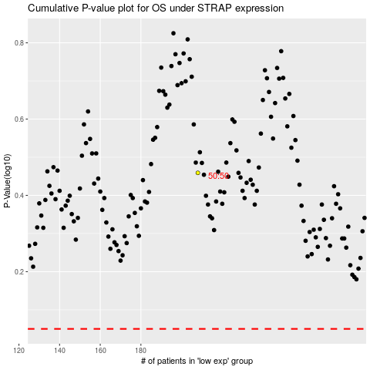

 |  |  |  |  |  | cases_OS | p_OS | rank | exp
 |  |  |  |  |  |  | cases_RFS | p_RFS | rank | exp

