STRN _multivariate
Reported by Tex Li-Hsing Chi. tex@gate.sinica.edu.tw 2019-08-15

Table 2. The clinicopathological features of HNSCC cohort and STRN expression. (Chi square test)
Cutoff at -0.127 (50.0%)
 |  | STRN expression |  | STRN expression |  | (Optimised)
 | Features | Low | (%) | High | (%) | Case no | P-value | Remark | Matthews
Gender | Female | 162 | 39 | 144 | 34.7 | 415 | 0.0479 | 1 | 0
2 | Male | 45 | 10.8 | 64 | 15.4
Age at diagnosis | <=65y | 141 | 34 | 133 | 32 | 415 | 0.4272 | 0 | 0
4 | >65y | 66 | 15.9 | 75 | 18.1
Clinical T Status | T1+T2 | 79 | 19 | 70 | 16.9 | 415 | 0.3924 | 0 | 0
6 | T3+T4 | 128 | 30.8 | 138 | 33.3
Clinical N Status | N0 | 110 | 26.5 | 106 | 25.5 | 415 | 0.7294 | 0 | 0
8 | N1-3 | 97 | 23.4 | 102 | 24.6
Clinical M Status | M0 | 204 | 49.2 | 208 | 50.1 | 415 | 0.1232 | 0 | 0
10 | M1 | 3 | 0.7 | 0 | 0
Clinical Stage | Stage I+II | 55 | 13.3 | 47 | 11.3 | 415 | 0.4087 | 0 | 0
12 | Stage III+IV | 152 | 36.6 | 161 | 38.8
Surgical Margin status | Negative | 151 | 36.4 | 167 | 40.2 | 415 | 0.0828 | 0 | 0
14 | Positive | 56 | 13.5 | 41 | 9.9
Tobacco Exposure | Low | 81 | 19.5 | 80 | 19.3 | 415 | 0.9199 | 0 | 0
16 | High | 126 | 30.4 | 128 | 30.8

Table 3. Univariate/Multivariate Cox's proportional hazards regression analyses on OS time of STRN gene expression in HNSCC

 |  | Univariate |  |  |  | Multivariate
 | Features | HR | CI95%(L) | CI95%(H) | P-value | HR | CI95%(L) | CI95%(H) | P-value
1 | Female | 1 |  |  |  | 1
Gender | Male | 1.157 | 0.843 | 1.587 | 0.367 | 1.197 | 0.857 | 1.672 | 0.291
11 | <=65y | 1 |  |  |  | 1
Age at diagnosis | >65y | 1.329 | 0.99 | 1.784 | 0.058 | 1.392 | 1.024 | 1.892 | 0.035
12 | T1+T2 | 1 |  |  |  | 1
Clinical T Status | T3+T4 | 1.409 | 1.028 | 1.931 | 0.033 | 2.22 | 1.173 | 4.199 | 0.014
13 | N0 | 1 |  |  |  | 1
Clinical N Status | N1-3 | 1.185 | 0.89 | 1.577 | 0.246 | 1.246 | 0.873 | 1.778 | 0.225
14 | M0 | 1 |  |  |  | 1
Clinical M Status | M1 | 4.097 | 1.009 | 16.644 | 0.049 | 10.056 | 2.172 | 46.546 | 0.003
15 | Stage I+II | 1 |  |  |  | 1
Clinical Stage | Stage III+IV | 1.245 | 0.882 | 1.759 | 0.213 | 0.498 | 0.232 | 1.069 | 0.074
16 | Negative | 1 |  |  |  | 1
Surgical Margin status | Positive | 1.591 | 1.155 | 2.191 | 0.004 | 1.696 | 1.225 | 2.35 | 0.001
17 | Low | 1 |  |  |  | 1
Tobacco Exposure | High | 1.364 | 1.008 | 1.844 | 0.044 | 1.457 | 1.058 | 2.008 | 0.021
18 | Low | 1 |  |  |  | 1
RNAseq(z-score) | High | 1.044 | 0.784 | 1.391 | 0.766 | 1.123 | 0.839 | 1.503 | 0.437

Table 4. Univariate/Multivariate Cox's proportional hazards regression analyses on RFS time of STRN gene expression in HNSCC

 |  | Univariate |  |  |  | Multivariate
 | Features | HR | CI95%(L) | CI95%(H) | P-value | HR | CI95%(L) | CI95%(H) | P-value
1 | Female | 1 |  |  |  | 1
Gender | Male | 1.157 | 0.843 | 1.587 | 0.367 | 1.197 | 0.857 | 1.672 | 0.291
11 | <=65y | 1 |  |  |  | 1
Age at diagnosis | >65y | 1.329 | 0.99 | 1.784 | 0.058 | 1.392 | 1.024 | 1.892 | 0.035
12 | T1+T2 | 1 |  |  |  | 1
Clinical T Status | T3+T4 | 1.409 | 1.028 | 1.931 | 0.033 | 2.22 | 1.173 | 4.199 | 0.014
13 | N0 | 1 |  |  |  | 1
Clinical N Status | N1-3 | 1.185 | 0.89 | 1.577 | 0.246 | 1.246 | 0.873 | 1.778 | 0.225
14 | M0 | 1 |  |  |  | 1
Clinical M Status | M1 | 4.097 | 1.009 | 16.644 | 0.049 | 10.056 | 2.172 | 46.546 | 0.003
15 | Stage I+II | 1 |  |  |  | 1
Clinical Stage | Stage III+IV | 1.245 | 0.882 | 1.759 | 0.213 | 0.498 | 0.232 | 1.069 | 0.074
16 | Negative | 1 |  |  |  | 1
Surgical Margin status | Positive | 1.591 | 1.155 | 2.191 | 0.004 | 1.696 | 1.225 | 2.35 | 0.001
17 | Low | 1 |  |  |  | 1
Tobacco Exposure | High | 1.364 | 1.008 | 1.844 | 0.044 | 1.457 | 1.058 | 2.008 | 0.021
18 | Low | 1 |  |  |  | 1
RNAseq(z-score) | High | 1.044 | 0.784 | 1.391 | 0.766 | 1.123 | 0.839 | 1.503 | 0.437

Kaplan-Meier survival estimate: Cutoff at -0.127 (50.0%)



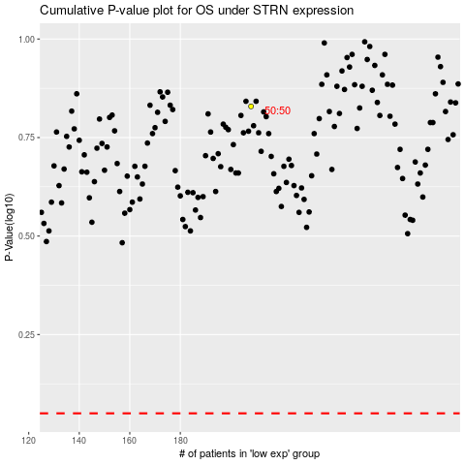

 |  |  |  |  |  | cases_OS | p_OS | rank | exp
 |  |  |  |  |  |  | cases_RFS | p_RFS | rank | exp

