STRN3 _multivariate
Reported by Tex Li-Hsing Chi. tex@gate.sinica.edu.tw 2019-08-15

Table 2. The clinicopathological features of HNSCC cohort and STRN3 expression. (Chi square test)
Cutoff at -0.419 (32.6%)
 |  | STRN3 expression |  | STRN3 expression |  | (Optimised)
 | Features | Low | (%) | High | (%) | Case no | P-value | Remark | Matthews
Gender | Female | 102 | 24.6 | 204 | 49.2 | 415 | 0.6411 | 0 | 0
2 | Male | 33 | 8 | 76 | 18.3
Age at diagnosis | <=65y | 96 | 23.1 | 178 | 42.9 | 415 | 0.1589 | 0 | 0
4 | >65y | 39 | 9.4 | 102 | 24.6
Clinical T Status | T1+T2 | 59 | 14.2 | 90 | 21.7 | 415 | 0.0285 | 1 | 0
6 | T3+T4 | 76 | 18.3 | 190 | 45.8
Clinical N Status | N0 | 59 | 14.2 | 157 | 37.8 | 415 | 0.024 | 1 | 0
8 | N1-3 | 76 | 18.3 | 123 | 29.6
Clinical M Status | M0 | 133 | 32 | 279 | 67.2 | 415 | 0.2481 | 0 | 0
10 | M1 | 2 | 0.5 | 1 | 0.2
Clinical Stage | Stage I+II | 33 | 8 | 69 | 16.6 | 415 | 1 | 0 | 0
12 | Stage III+IV | 102 | 24.6 | 211 | 50.8
Surgical Margin status | Negative | 98 | 23.6 | 220 | 53 | 415 | 0.2155 | 0 | 0
14 | Positive | 37 | 8.9 | 60 | 14.5
Tobacco Exposure | Low | 56 | 13.5 | 105 | 25.3 | 415 | 0.453 | 0 | 0
16 | High | 79 | 19 | 175 | 42.2

Table 3. Univariate/Multivariate Cox's proportional hazards regression analyses on OS time of STRN3 gene expression in HNSCC

 |  | Univariate |  |  |  | Multivariate
 | Features | HR | CI95%(L) | CI95%(H) | P-value | HR | CI95%(L) | CI95%(H) | P-value
1 | Female | 1 |  |  |  | 1
Gender | Male | 1.157 | 0.843 | 1.587 | 0.367 | 1.207 | 0.862 | 1.689 | 0.273
11 | <=65y | 1 |  |  |  | 1
Age at diagnosis | >65y | 1.329 | 0.99 | 1.784 | 0.058 | 1.352 | 0.993 | 1.841 | 0.056
12 | T1+T2 | 1 |  |  |  | 1
Clinical T Status | T3+T4 | 1.409 | 1.028 | 1.931 | 0.033 | 2.048 | 1.079 | 3.889 | 0.028
13 | N0 | 1 |  |  |  | 1
Clinical N Status | N1-3 | 1.185 | 0.89 | 1.577 | 0.246 | 1.315 | 0.919 | 1.882 | 0.135
14 | M0 | 1 |  |  |  | 1
Clinical M Status | M1 | 4.097 | 1.009 | 16.644 | 0.049 | 10.333 | 2.248 | 47.496 | 0.003
15 | Stage I+II | 1 |  |  |  | 1
Clinical Stage | Stage III+IV | 1.245 | 0.882 | 1.759 | 0.213 | 0.515 | 0.24 | 1.107 | 0.089
16 | Negative | 1 |  |  |  | 1
Surgical Margin status | Positive | 1.591 | 1.155 | 2.191 | 0.004 | 1.76 | 1.269 | 2.441 | 0.001
17 | Low | 1 |  |  |  | 1
Tobacco Exposure | High | 1.364 | 1.008 | 1.844 | 0.044 | 1.441 | 1.044 | 1.988 | 0.026
18 | Low | 1 |  |  |  | 1
RNAseq(z-score) | High | 1.39 | 1.008 | 1.918 | 0.045 | 1.452 | 1.038 | 2.03 | 0.029

Table 4. Univariate/Multivariate Cox's proportional hazards regression analyses on RFS time of STRN3 gene expression in HNSCC

 |  | Univariate |  |  |  | Multivariate
 | Features | HR | CI95%(L) | CI95%(H) | P-value | HR | CI95%(L) | CI95%(H) | P-value
1 | Female | 1 |  |  |  | 1
Gender | Male | 1.157 | 0.843 | 1.587 | 0.367 | 1.207 | 0.862 | 1.689 | 0.273
11 | <=65y | 1 |  |  |  | 1
Age at diagnosis | >65y | 1.329 | 0.99 | 1.784 | 0.058 | 1.352 | 0.993 | 1.841 | 0.056
12 | T1+T2 | 1 |  |  |  | 1
Clinical T Status | T3+T4 | 1.409 | 1.028 | 1.931 | 0.033 | 2.048 | 1.079 | 3.889 | 0.028
13 | N0 | 1 |  |  |  | 1
Clinical N Status | N1-3 | 1.185 | 0.89 | 1.577 | 0.246 | 1.315 | 0.919 | 1.882 | 0.135
14 | M0 | 1 |  |  |  | 1
Clinical M Status | M1 | 4.097 | 1.009 | 16.644 | 0.049 | 10.333 | 2.248 | 47.496 | 0.003
15 | Stage I+II | 1 |  |  |  | 1
Clinical Stage | Stage III+IV | 1.245 | 0.882 | 1.759 | 0.213 | 0.515 | 0.24 | 1.107 | 0.089
16 | Negative | 1 |  |  |  | 1
Surgical Margin status | Positive | 1.591 | 1.155 | 2.191 | 0.004 | 1.76 | 1.269 | 2.441 | 0.001
17 | Low | 1 |  |  |  | 1
Tobacco Exposure | High | 1.364 | 1.008 | 1.844 | 0.044 | 1.441 | 1.044 | 1.988 | 0.026
18 | Low | 1 |  |  |  | 1
RNAseq(z-score) | High | 1.39 | 1.008 | 1.918 | 0.045 | 1.452 | 1.038 | 2.03 | 0.029

Kaplan-Meier survival estimate: Cutoff at -0.419 (32.6%)



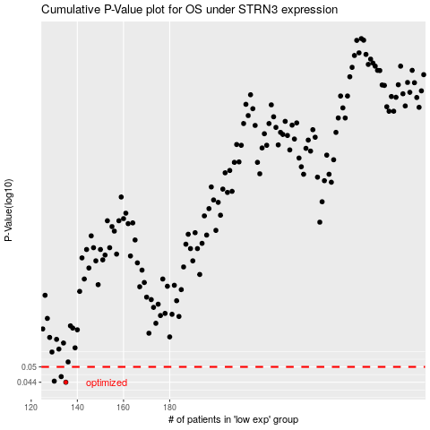

 |  |  |  |  |  | cases_OS | p_OS | rank | exp
 |  |  |  |  |  | 135 | 0.044 | 244 | -0.41938532783
 |  |  |  |  |  | 130 | 0.0444 | 413 | -0.4433021265
 |  |  |  |  |  | 133 | 0.0461 | 302 | -0.42268147559
 |  |  |  |  |  |  | cases_RFS | p_RFS | rank | exp
 |  |  |  |  |  |  | 134 | 0.044 | 272 | -0.42253458928
 |  |  |  |  |  |  | 129 | 0.0444 | 109 | -0.45074270232
 |  |  |  |  |  |  | 132 | 0.0461 | 49 | -0.43417093207

