STX10 _multivariate
Reported by Tex Li-Hsing Chi. tex@gate.sinica.edu.tw 2019-08-15

Table 2. The clinicopathological features of HNSCC cohort and STX10 expression. (Chi square test)
Cutoff at -0.496 (33.8%)
 |  | STX10 expression |  | STX10 expression |  | (Optimised)
 | Features | Low | (%) | High | (%) | Case no | P-value | Remark | Matthews
Gender | Female | 104 | 25.1 | 202 | 48.7 | 415 | 0.949 | 0 | 0
2 | Male | 36 | 8.7 | 73 | 17.6
Age at diagnosis | <=65y | 90 | 21.7 | 184 | 44.3 | 415 | 0.6716 | 0 | 0
4 | >65y | 50 | 12 | 91 | 21.9
Clinical T Status | T1+T2 | 60 | 14.5 | 89 | 21.4 | 415 | 0.0456 | 1 | 0
6 | T3+T4 | 80 | 19.3 | 186 | 44.8
Clinical N Status | N0 | 77 | 18.6 | 139 | 33.5 | 415 | 0.4503 | 0 | 0
8 | N1-3 | 63 | 15.2 | 136 | 32.8
Clinical M Status | M0 | 139 | 33.5 | 273 | 65.8 | 415 | 1 | 0 | 0
10 | M1 | 1 | 0.2 | 2 | 0.5
Clinical Stage | Stage I+II | 41 | 9.9 | 61 | 14.7 | 415 | 0.1419 | 0 | 0
12 | Stage III+IV | 99 | 23.9 | 214 | 51.6
Surgical Margin status | Negative | 115 | 27.7 | 203 | 48.9 | 415 | 0.0659 | 0 | 0
14 | Positive | 25 | 6 | 72 | 17.3
Tobacco Exposure | Low | 58 | 14 | 103 | 24.8 | 415 | 0.4567 | 0 | 0
16 | High | 82 | 19.8 | 172 | 41.4

Table 3. Univariate/Multivariate Cox's proportional hazards regression analyses on OS time of STX10 gene expression in HNSCC

 |  | Univariate |  |  |  | Multivariate
 | Features | HR | CI95%(L) | CI95%(H) | P-value | HR | CI95%(L) | CI95%(H) | P-value
1 | Female | 1 |  |  |  | 1
Gender | Male | 1.157 | 0.843 | 1.587 | 0.367 | 1.205 | 0.862 | 1.683 | 0.275
11 | <=65y | 1 |  |  |  | 1
Age at diagnosis | >65y | 1.329 | 0.99 | 1.784 | 0.058 | 1.373 | 1.011 | 1.865 | 0.043
12 | T1+T2 | 1 |  |  |  | 1
Clinical T Status | T3+T4 | 1.409 | 1.028 | 1.931 | 0.033 | 2.324 | 1.228 | 4.398 | 0.01
13 | N0 | 1 |  |  |  | 1
Clinical N Status | N1-3 | 1.185 | 0.89 | 1.577 | 0.246 | 1.238 | 0.867 | 1.767 | 0.239
14 | M0 | 1 |  |  |  | 1
Clinical M Status | M1 | 4.097 | 1.009 | 16.644 | 0.049 | 10.446 | 2.273 | 47.996 | 0.003
15 | Stage I+II | 1 |  |  |  | 1
Clinical Stage | Stage III+IV | 1.245 | 0.882 | 1.759 | 0.213 | 0.479 | 0.223 | 1.029 | 0.059
16 | Negative | 1 |  |  |  | 1
Surgical Margin status | Positive | 1.591 | 1.155 | 2.191 | 0.004 | 1.752 | 1.265 | 2.426 | 0.001
17 | Low | 1 |  |  |  | 1
Tobacco Exposure | High | 1.364 | 1.008 | 1.844 | 0.044 | 1.53 | 1.108 | 2.113 | 0.01
18 | Low | 1 |  |  |  | 1
RNAseq(z-score) | High | 0.737 | 0.549 | 0.989 | 0.042 | 0.665 | 0.494 | 0.897 | 0.007

Table 4. Univariate/Multivariate Cox's proportional hazards regression analyses on RFS time of STX10 gene expression in HNSCC

 |  | Univariate |  |  |  | Multivariate
 | Features | HR | CI95%(L) | CI95%(H) | P-value | HR | CI95%(L) | CI95%(H) | P-value
1 | Female | 1 |  |  |  | 1
Gender | Male | 1.157 | 0.843 | 1.587 | 0.367 | 1.205 | 0.862 | 1.683 | 0.275
11 | <=65y | 1 |  |  |  | 1
Age at diagnosis | >65y | 1.329 | 0.99 | 1.784 | 0.058 | 1.373 | 1.011 | 1.865 | 0.043
12 | T1+T2 | 1 |  |  |  | 1
Clinical T Status | T3+T4 | 1.409 | 1.028 | 1.931 | 0.033 | 2.324 | 1.228 | 4.398 | 0.01
13 | N0 | 1 |  |  |  | 1
Clinical N Status | N1-3 | 1.185 | 0.89 | 1.577 | 0.246 | 1.238 | 0.867 | 1.767 | 0.239
14 | M0 | 1 |  |  |  | 1
Clinical M Status | M1 | 4.097 | 1.009 | 16.644 | 0.049 | 10.446 | 2.273 | 47.996 | 0.003
15 | Stage I+II | 1 |  |  |  | 1
Clinical Stage | Stage III+IV | 1.245 | 0.882 | 1.759 | 0.213 | 0.479 | 0.223 | 1.029 | 0.059
16 | Negative | 1 |  |  |  | 1
Surgical Margin status | Positive | 1.591 | 1.155 | 2.191 | 0.004 | 1.752 | 1.265 | 2.426 | 0.001
17 | Low | 1 |  |  |  | 1
Tobacco Exposure | High | 1.364 | 1.008 | 1.844 | 0.044 | 1.53 | 1.108 | 2.113 | 0.01
18 | Low | 1 |  |  |  | 1
RNAseq(z-score) | High | 0.737 | 0.549 | 0.989 | 0.042 | 0.665 | 0.494 | 0.897 | 0.007

Kaplan-Meier survival estimate: Cutoff at -0.496 (33.8%)



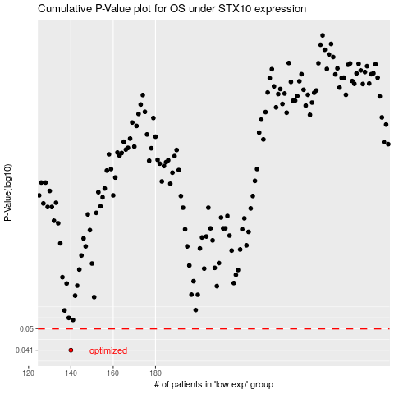

 |  |  |  |  |  | cases_OS | p_OS | rank | exp
 |  |  |  |  |  | 140 | 0.041 | 41 | -0.49598633694
 |  |  |  |  |  |  | cases_RFS | p_RFS | rank | exp
 |  |  |  |  |  |  | 139 | 0.041 | 67 | -0.49708664204

