STX11 _multivariate
Reported by Tex Li-Hsing Chi. tex@gate.sinica.edu.tw 2019-08-15

Table 2. The clinicopathological features of HNSCC cohort and STX11 expression. (Chi square test)
Cutoff at -0.236 (50.0%)
 |  | STX11 expression |  | STX11 expression |  | (Optimised)
 | Features | Low | (%) | High | (%) | Case no | P-value | Remark | Matthews
Gender | Female | 165 | 39.8 | 141 | 34 | 415 | 0.0081 | 1 | 0
2 | Male | 42 | 10.1 | 67 | 16.1
Age at diagnosis | <=65y | 145 | 34.9 | 129 | 31.1 | 415 | 0.1046 | 0 | 0
4 | >65y | 62 | 14.9 | 79 | 19
Clinical T Status | T1+T2 | 71 | 17.1 | 78 | 18.8 | 415 | 0.5638 | 0 | 0
6 | T3+T4 | 136 | 32.8 | 130 | 31.3
Clinical N Status | N0 | 103 | 24.8 | 113 | 27.2 | 415 | 0.4047 | 0 | 0
8 | N1-3 | 104 | 25.1 | 95 | 22.9
Clinical M Status | M0 | 206 | 49.6 | 206 | 49.6 | 415 | 1 | 0 | 0
10 | M1 | 1 | 0.2 | 2 | 0.5
Clinical Stage | Stage I+II | 46 | 11.1 | 56 | 13.5 | 415 | 0.3182 | 0 | 0
12 | Stage III+IV | 161 | 38.8 | 152 | 36.6
Surgical Margin status | Negative | 148 | 35.7 | 170 | 41 | 415 | 0.015 | 1 | 0
14 | Positive | 59 | 14.2 | 38 | 9.2
Tobacco Exposure | Low | 74 | 17.8 | 87 | 21 | 415 | 0.227 | 0 | 0
16 | High | 133 | 32 | 121 | 29.2

Table 3. Univariate/Multivariate Cox's proportional hazards regression analyses on OS time of STX11 gene expression in HNSCC

 |  | Univariate |  |  |  | Multivariate
 | Features | HR | CI95%(L) | CI95%(H) | P-value | HR | CI95%(L) | CI95%(H) | P-value
1 | Female | 1 |  |  |  | 1
Gender | Male | 1.157 | 0.843 | 1.587 | 0.367 | 1.217 | 0.869 | 1.706 | 0.254
11 | <=65y | 1 |  |  |  | 1
Age at diagnosis | >65y | 1.329 | 0.99 | 1.784 | 0.058 | 1.392 | 1.025 | 1.892 | 0.034
12 | T1+T2 | 1 |  |  |  | 1
Clinical T Status | T3+T4 | 1.409 | 1.028 | 1.931 | 0.033 | 2.207 | 1.167 | 4.171 | 0.015
13 | N0 | 1 |  |  |  | 1
Clinical N Status | N1-3 | 1.185 | 0.89 | 1.577 | 0.246 | 1.236 | 0.866 | 1.764 | 0.244
14 | M0 | 1 |  |  |  | 1
Clinical M Status | M1 | 4.097 | 1.009 | 16.644 | 0.049 | 9.707 | 2.109 | 44.682 | 0.004
15 | Stage I+II | 1 |  |  |  | 1
Clinical Stage | Stage III+IV | 1.245 | 0.882 | 1.759 | 0.213 | 0.504 | 0.235 | 1.081 | 0.078
16 | Negative | 1 |  |  |  | 1
Surgical Margin status | Positive | 1.591 | 1.155 | 2.191 | 0.004 | 1.657 | 1.197 | 2.293 | 0.002
17 | Low | 1 |  |  |  | 1
Tobacco Exposure | High | 1.364 | 1.008 | 1.844 | 0.044 | 1.445 | 1.049 | 1.992 | 0.024
18 | Low | 1 |  |  |  | 1
RNAseq(z-score) | High | 0.902 | 0.677 | 1.201 | 0.479 | 0.919 | 0.685 | 1.232 | 0.572

Table 4. Univariate/Multivariate Cox's proportional hazards regression analyses on RFS time of STX11 gene expression in HNSCC

 |  | Univariate |  |  |  | Multivariate
 | Features | HR | CI95%(L) | CI95%(H) | P-value | HR | CI95%(L) | CI95%(H) | P-value
1 | Female | 1 |  |  |  | 1
Gender | Male | 1.157 | 0.843 | 1.587 | 0.367 | 1.217 | 0.869 | 1.706 | 0.254
11 | <=65y | 1 |  |  |  | 1
Age at diagnosis | >65y | 1.329 | 0.99 | 1.784 | 0.058 | 1.392 | 1.025 | 1.892 | 0.034
12 | T1+T2 | 1 |  |  |  | 1
Clinical T Status | T3+T4 | 1.409 | 1.028 | 1.931 | 0.033 | 2.207 | 1.167 | 4.171 | 0.015
13 | N0 | 1 |  |  |  | 1
Clinical N Status | N1-3 | 1.185 | 0.89 | 1.577 | 0.246 | 1.236 | 0.866 | 1.764 | 0.244
14 | M0 | 1 |  |  |  | 1
Clinical M Status | M1 | 4.097 | 1.009 | 16.644 | 0.049 | 9.707 | 2.109 | 44.682 | 0.004
15 | Stage I+II | 1 |  |  |  | 1
Clinical Stage | Stage III+IV | 1.245 | 0.882 | 1.759 | 0.213 | 0.504 | 0.235 | 1.081 | 0.078
16 | Negative | 1 |  |  |  | 1
Surgical Margin status | Positive | 1.591 | 1.155 | 2.191 | 0.004 | 1.657 | 1.197 | 2.293 | 0.002
17 | Low | 1 |  |  |  | 1
Tobacco Exposure | High | 1.364 | 1.008 | 1.844 | 0.044 | 1.445 | 1.049 | 1.992 | 0.024
18 | Low | 1 |  |  |  | 1
RNAseq(z-score) | High | 0.902 | 0.677 | 1.201 | 0.479 | 0.919 | 0.685 | 1.232 | 0.572

Kaplan-Meier survival estimate: Cutoff at -0.236 (50.0%)



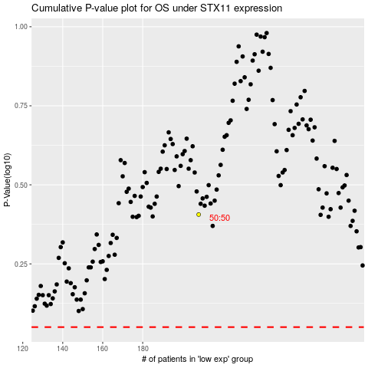

 |  |  |  |  |  | cases_OS | p_OS | rank | exp
 |  |  |  |  |  |  | cases_RFS | p_RFS | rank | exp

