STX17 _multivariate
Reported by Tex Li-Hsing Chi. tex@gate.sinica.edu.tw 2019-08-15

Table 2. The clinicopathological features of HNSCC cohort and STX17 expression. (Chi square test)
Cutoff at -0.173 (49.8%)
 |  | STX17 expression |  | STX17 expression |  | (Optimised)
 | Features | Low | (%) | High | (%) | Case no | P-value | Remark | Matthews
Gender | Female | 164 | 39.5 | 142 | 34.2 | 415 | 0.0153 | 1 | 0
2 | Male | 43 | 10.4 | 66 | 15.9
Age at diagnosis | <=65y | 136 | 32.8 | 138 | 33.3 | 415 | 0.9719 | 0 | 0
4 | >65y | 71 | 17.1 | 70 | 16.9
Clinical T Status | T1+T2 | 67 | 16.1 | 82 | 19.8 | 415 | 0.1628 | 0 | 0
6 | T3+T4 | 140 | 33.7 | 126 | 30.4
Clinical N Status | N0 | 106 | 25.5 | 110 | 26.5 | 415 | 0.8075 | 0 | 0
8 | N1-3 | 101 | 24.3 | 98 | 23.6
Clinical M Status | M0 | 206 | 49.6 | 206 | 49.6 | 415 | 1 | 0 | 0
10 | M1 | 1 | 0.2 | 2 | 0.5
Clinical Stage | Stage I+II | 50 | 12 | 52 | 12.5 | 415 | 0.9315 | 0 | 0
12 | Stage III+IV | 157 | 37.8 | 156 | 37.6
Surgical Margin status | Negative | 164 | 39.5 | 154 | 37.1 | 415 | 0.2462 | 0 | 0
14 | Positive | 43 | 10.4 | 54 | 13
Tobacco Exposure | Low | 69 | 16.6 | 92 | 22.2 | 415 | 0.0266 | 1 | 0
16 | High | 138 | 33.3 | 116 | 28

Table 3. Univariate/Multivariate Cox's proportional hazards regression analyses on OS time of STX17 gene expression in HNSCC

 |  | Univariate |  |  |  | Multivariate
 | Features | HR | CI95%(L) | CI95%(H) | P-value | HR | CI95%(L) | CI95%(H) | P-value
1 | Female | 1 |  |  |  | 1
Gender | Male | 1.157 | 0.843 | 1.587 | 0.367 | 1.198 | 0.858 | 1.672 | 0.289
11 | <=65y | 1 |  |  |  | 1
Age at diagnosis | >65y | 1.329 | 0.99 | 1.784 | 0.058 | 1.392 | 1.024 | 1.893 | 0.035
12 | T1+T2 | 1 |  |  |  | 1
Clinical T Status | T3+T4 | 1.409 | 1.028 | 1.931 | 0.033 | 2.282 | 1.2 | 4.336 | 0.012
13 | N0 | 1 |  |  |  | 1
Clinical N Status | N1-3 | 1.185 | 0.89 | 1.577 | 0.246 | 1.25 | 0.876 | 1.784 | 0.218
14 | M0 | 1 |  |  |  | 1
Clinical M Status | M1 | 4.097 | 1.009 | 16.644 | 0.049 | 9.573 | 2.087 | 43.913 | 0.004
15 | Stage I+II | 1 |  |  |  | 1
Clinical Stage | Stage III+IV | 1.245 | 0.882 | 1.759 | 0.213 | 0.487 | 0.226 | 1.05 | 0.066
16 | Negative | 1 |  |  |  | 1
Surgical Margin status | Positive | 1.591 | 1.155 | 2.191 | 0.004 | 1.66 | 1.201 | 2.295 | 0.002
17 | Low | 1 |  |  |  | 1
Tobacco Exposure | High | 1.364 | 1.008 | 1.844 | 0.044 | 1.487 | 1.074 | 2.059 | 0.017
18 | Low | 1 |  |  |  | 1
RNAseq(z-score) | High | 1.039 | 0.779 | 1.385 | 0.796 | 1.136 | 0.844 | 1.529 | 0.401

Table 4. Univariate/Multivariate Cox's proportional hazards regression analyses on RFS time of STX17 gene expression in HNSCC

 |  | Univariate |  |  |  | Multivariate
 | Features | HR | CI95%(L) | CI95%(H) | P-value | HR | CI95%(L) | CI95%(H) | P-value
1 | Female | 1 |  |  |  | 1
Gender | Male | 1.157 | 0.843 | 1.587 | 0.367 | 1.198 | 0.858 | 1.672 | 0.289
11 | <=65y | 1 |  |  |  | 1
Age at diagnosis | >65y | 1.329 | 0.99 | 1.784 | 0.058 | 1.392 | 1.024 | 1.893 | 0.035
12 | T1+T2 | 1 |  |  |  | 1
Clinical T Status | T3+T4 | 1.409 | 1.028 | 1.931 | 0.033 | 2.282 | 1.2 | 4.336 | 0.012
13 | N0 | 1 |  |  |  | 1
Clinical N Status | N1-3 | 1.185 | 0.89 | 1.577 | 0.246 | 1.25 | 0.876 | 1.784 | 0.218
14 | M0 | 1 |  |  |  | 1
Clinical M Status | M1 | 4.097 | 1.009 | 16.644 | 0.049 | 9.573 | 2.087 | 43.913 | 0.004
15 | Stage I+II | 1 |  |  |  | 1
Clinical Stage | Stage III+IV | 1.245 | 0.882 | 1.759 | 0.213 | 0.487 | 0.226 | 1.05 | 0.066
16 | Negative | 1 |  |  |  | 1
Surgical Margin status | Positive | 1.591 | 1.155 | 2.191 | 0.004 | 1.66 | 1.201 | 2.295 | 0.002
17 | Low | 1 |  |  |  | 1
Tobacco Exposure | High | 1.364 | 1.008 | 1.844 | 0.044 | 1.487 | 1.074 | 2.059 | 0.017
18 | Low | 1 |  |  |  | 1
RNAseq(z-score) | High | 1.039 | 0.779 | 1.385 | 0.796 | 1.136 | 0.844 | 1.529 | 0.401

Kaplan-Meier survival estimate: Cutoff at -0.173 (49.8%)



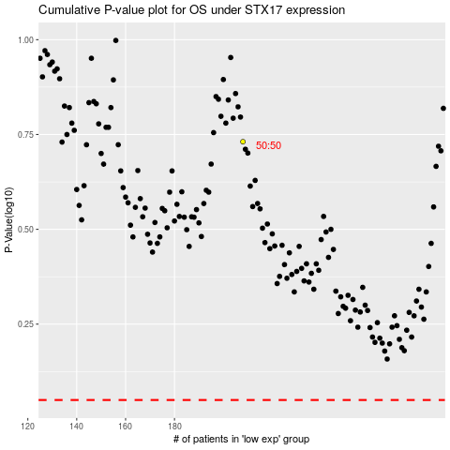

 |  |  |  |  |  | cases_OS | p_OS | rank | exp
 |  |  |  |  |  |  | cases_RFS | p_RFS | rank | exp

