STX18 _multivariate
Reported by Tex Li-Hsing Chi. tex@gate.sinica.edu.tw 2019-08-15

Table 2. The clinicopathological features of HNSCC cohort and STX18 expression. (Chi square test)
Cutoff at 0.11 (60.6%)
 |  | STX18 expression |  | STX18 expression |  | (Optimised)
 | Features | Low | (%) | High | (%) | Case no | P-value | Remark | Matthews
Gender | Female | 183 | 44.1 | 123 | 29.6 | 415 | 0.5974 | 0 | 0
2 | Male | 69 | 16.6 | 40 | 9.6
Age at diagnosis | <=65y | 170 | 41 | 104 | 25.1 | 415 | 0.508 | 0 | 0
4 | >65y | 82 | 19.8 | 59 | 14.2
Clinical T Status | T1+T2 | 88 | 21.2 | 61 | 14.7 | 415 | 0.6787 | 0 | 0
6 | T3+T4 | 164 | 39.5 | 102 | 24.6
Clinical N Status | N0 | 130 | 31.3 | 86 | 20.7 | 415 | 0.8941 | 0 | 0
8 | N1-3 | 122 | 29.4 | 77 | 18.6
Clinical M Status | M0 | 251 | 60.5 | 161 | 38.8 | 415 | 0.5641 | 0 | 0
10 | M1 | 1 | 0.2 | 2 | 0.5
Clinical Stage | Stage I+II | 59 | 14.2 | 43 | 10.4 | 415 | 0.5693 | 0 | 0
12 | Stage III+IV | 193 | 46.5 | 120 | 28.9
Surgical Margin status | Negative | 196 | 47.2 | 122 | 29.4 | 415 | 0.5528 | 0 | 0
14 | Positive | 56 | 13.5 | 41 | 9.9
Tobacco Exposure | Low | 90 | 21.7 | 71 | 17.1 | 415 | 0.1221 | 0 | 0
16 | High | 162 | 39 | 92 | 22.2

Table 3. Univariate/Multivariate Cox's proportional hazards regression analyses on OS time of STX18 gene expression in HNSCC

 |  | Univariate |  |  |  | Multivariate
 | Features | HR | CI95%(L) | CI95%(H) | P-value | HR | CI95%(L) | CI95%(H) | P-value
1 | Female | 1 |  |  |  | 1
Gender | Male | 1.157 | 0.843 | 1.587 | 0.367 | 1.174 | 0.838 | 1.645 | 0.351
11 | <=65y | 1 |  |  |  | 1
Age at diagnosis | >65y | 1.329 | 0.99 | 1.784 | 0.058 | 1.408 | 1.035 | 1.917 | 0.029
12 | T1+T2 | 1 |  |  |  | 1
Clinical T Status | T3+T4 | 1.409 | 1.028 | 1.931 | 0.033 | 2.255 | 1.193 | 4.263 | 0.012
13 | N0 | 1 |  |  |  | 1
Clinical N Status | N1-3 | 1.185 | 0.89 | 1.577 | 0.246 | 1.258 | 0.881 | 1.796 | 0.207
14 | M0 | 1 |  |  |  | 1
Clinical M Status | M1 | 4.097 | 1.009 | 16.644 | 0.049 | 11.009 | 2.386 | 50.798 | 0.002
15 | Stage I+II | 1 |  |  |  | 1
Clinical Stage | Stage III+IV | 1.245 | 0.882 | 1.759 | 0.213 | 0.481 | 0.224 | 1.034 | 0.061
16 | Negative | 1 |  |  |  | 1
Surgical Margin status | Positive | 1.591 | 1.155 | 2.191 | 0.004 | 1.698 | 1.229 | 2.347 | 0.001
17 | Low | 1 |  |  |  | 1
Tobacco Exposure | High | 1.364 | 1.008 | 1.844 | 0.044 | 1.408 | 1.018 | 1.947 | 0.038
18 | Low | 1 |  |  |  | 1
RNAseq(z-score) | High | 0.724 | 0.533 | 0.983 | 0.038 | 0.707 | 0.519 | 0.963 | 0.028

Table 4. Univariate/Multivariate Cox's proportional hazards regression analyses on RFS time of STX18 gene expression in HNSCC

 |  | Univariate |  |  |  | Multivariate
 | Features | HR | CI95%(L) | CI95%(H) | P-value | HR | CI95%(L) | CI95%(H) | P-value
1 | Female | 1 |  |  |  | 1
Gender | Male | 1.157 | 0.843 | 1.587 | 0.367 | 1.174 | 0.838 | 1.645 | 0.351
11 | <=65y | 1 |  |  |  | 1
Age at diagnosis | >65y | 1.329 | 0.99 | 1.784 | 0.058 | 1.408 | 1.035 | 1.917 | 0.029
12 | T1+T2 | 1 |  |  |  | 1
Clinical T Status | T3+T4 | 1.409 | 1.028 | 1.931 | 0.033 | 2.255 | 1.193 | 4.263 | 0.012
13 | N0 | 1 |  |  |  | 1
Clinical N Status | N1-3 | 1.185 | 0.89 | 1.577 | 0.246 | 1.258 | 0.881 | 1.796 | 0.207
14 | M0 | 1 |  |  |  | 1
Clinical M Status | M1 | 4.097 | 1.009 | 16.644 | 0.049 | 11.009 | 2.386 | 50.798 | 0.002
15 | Stage I+II | 1 |  |  |  | 1
Clinical Stage | Stage III+IV | 1.245 | 0.882 | 1.759 | 0.213 | 0.481 | 0.224 | 1.034 | 0.061
16 | Negative | 1 |  |  |  | 1
Surgical Margin status | Positive | 1.591 | 1.155 | 2.191 | 0.004 | 1.698 | 1.229 | 2.347 | 0.001
17 | Low | 1 |  |  |  | 1
Tobacco Exposure | High | 1.364 | 1.008 | 1.844 | 0.044 | 1.408 | 1.018 | 1.947 | 0.038
18 | Low | 1 |  |  |  | 1
RNAseq(z-score) | High | 0.724 | 0.533 | 0.983 | 0.038 | 0.707 | 0.519 | 0.963 | 0.028

Kaplan-Meier survival estimate: Cutoff at 0.11 (60.6%)



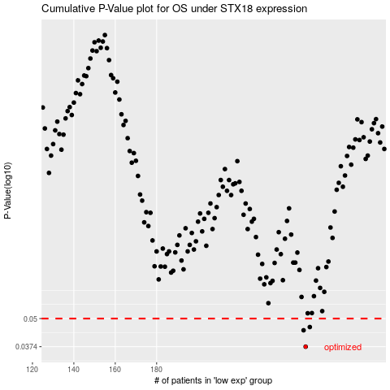

 |  |  |  |  |  | cases_OS | p_OS | rank | exp
 |  |  |  |  |  | 252 | 0.0374 | 131 | 0.10968680544
 |  |  |  |  |  | 251 | 0.0443 | 273 | 0.10917403423
 |  |  |  |  |  | 254 | 0.0458 | 33 | 0.11993293473
 |  |  |  |  |  |  | cases_RFS | p_RFS | rank | exp
 |  |  |  |  |  |  | 251 | 0.0374 | 273 | 0.10917403423
 |  |  |  |  |  |  | 250 | 0.0443 | 250 | 0.086715119904
 |  |  |  |  |  |  | 253 | 0.0458 | 55 | 0.11965021345

