STX1A _multivariate
Reported by Tex Li-Hsing Chi. tex@gate.sinica.edu.tw 2019-08-15

Table 2. The clinicopathological features of HNSCC cohort and STX1A expression. (Chi square test)
Cutoff at -0.122 (50.0%)
 |  | STX1A expression |  | STX1A expression |  | (Optimised)
 | Features | Low | (%) | High | (%) | Case no | P-value | Remark | Matthews
Gender | Female | 149 | 35.9 | 157 | 37.8 | 415 | 0.4848 | 0 | 0
2 | Male | 58 | 14 | 51 | 12.3
Age at diagnosis | <=65y | 140 | 33.7 | 134 | 32.3 | 415 | 0.5574 | 0 | 0
4 | >65y | 67 | 16.1 | 74 | 17.8
Clinical T Status | T1+T2 | 91 | 21.9 | 58 | 14 | 415 | 9e-04 | 1 | 0
6 | T3+T4 | 116 | 28 | 150 | 36.1
Clinical N Status | N0 | 111 | 26.7 | 105 | 25.3 | 415 | 0.5875 | 0 | 0
8 | N1-3 | 96 | 23.1 | 103 | 24.8
Clinical M Status | M0 | 207 | 49.9 | 205 | 49.4 | 415 | 0.2482 | 0 | 0
10 | M1 | 0 | 0 | 3 | 0.7
Clinical Stage | Stage I+II | 60 | 14.5 | 42 | 10.1 | 415 | 0.0493 | 1 | 0
12 | Stage III+IV | 147 | 35.4 | 166 | 40
Surgical Margin status | Negative | 155 | 37.3 | 163 | 39.3 | 415 | 0.4187 | 0 | 0
14 | Positive | 52 | 12.5 | 45 | 10.8
Tobacco Exposure | Low | 87 | 21 | 74 | 17.8 | 415 | 0.1911 | 0 | 0
16 | High | 120 | 28.9 | 134 | 32.3

Table 3. Univariate/Multivariate Cox's proportional hazards regression analyses on OS time of STX1A gene expression in HNSCC

 |  | Univariate |  |  |  | Multivariate
 | Features | HR | CI95%(L) | CI95%(H) | P-value | HR | CI95%(L) | CI95%(H) | P-value
1 | Female | 1 |  |  |  | 1
Gender | Male | 1.157 | 0.843 | 1.587 | 0.367 | 1.202 | 0.86 | 1.679 | 0.282
11 | <=65y | 1 |  |  |  | 1
Age at diagnosis | >65y | 1.329 | 0.99 | 1.784 | 0.058 | 1.392 | 1.022 | 1.896 | 0.036
12 | T1+T2 | 1 |  |  |  | 1
Clinical T Status | T3+T4 | 1.409 | 1.028 | 1.931 | 0.033 | 2.202 | 1.159 | 4.184 | 0.016
13 | N0 | 1 |  |  |  | 1
Clinical N Status | N1-3 | 1.185 | 0.89 | 1.577 | 0.246 | 1.241 | 0.869 | 1.772 | 0.235
14 | M0 | 1 |  |  |  | 1
Clinical M Status | M1 | 4.097 | 1.009 | 16.644 | 0.049 | 9.405 | 2.025 | 43.677 | 0.004
15 | Stage I+II | 1 |  |  |  | 1
Clinical Stage | Stage III+IV | 1.245 | 0.882 | 1.759 | 0.213 | 0.505 | 0.235 | 1.085 | 0.08
16 | Negative | 1 |  |  |  | 1
Surgical Margin status | Positive | 1.591 | 1.155 | 2.191 | 0.004 | 1.672 | 1.209 | 2.311 | 0.002
17 | Low | 1 |  |  |  | 1
Tobacco Exposure | High | 1.364 | 1.008 | 1.844 | 0.044 | 1.453 | 1.055 | 2.002 | 0.022
18 | Low | 1 |  |  |  | 1
RNAseq(z-score) | High | 1.104 | 0.828 | 1.471 | 0.499 | 1 | 0.744 | 1.344 | 0.999

Table 4. Univariate/Multivariate Cox's proportional hazards regression analyses on RFS time of STX1A gene expression in HNSCC

 |  | Univariate |  |  |  | Multivariate
 | Features | HR | CI95%(L) | CI95%(H) | P-value | HR | CI95%(L) | CI95%(H) | P-value
1 | Female | 1 |  |  |  | 1
Gender | Male | 1.157 | 0.843 | 1.587 | 0.367 | 1.202 | 0.86 | 1.679 | 0.282
11 | <=65y | 1 |  |  |  | 1
Age at diagnosis | >65y | 1.329 | 0.99 | 1.784 | 0.058 | 1.392 | 1.022 | 1.896 | 0.036
12 | T1+T2 | 1 |  |  |  | 1
Clinical T Status | T3+T4 | 1.409 | 1.028 | 1.931 | 0.033 | 2.202 | 1.159 | 4.184 | 0.016
13 | N0 | 1 |  |  |  | 1
Clinical N Status | N1-3 | 1.185 | 0.89 | 1.577 | 0.246 | 1.241 | 0.869 | 1.772 | 0.235
14 | M0 | 1 |  |  |  | 1
Clinical M Status | M1 | 4.097 | 1.009 | 16.644 | 0.049 | 9.405 | 2.025 | 43.677 | 0.004
15 | Stage I+II | 1 |  |  |  | 1
Clinical Stage | Stage III+IV | 1.245 | 0.882 | 1.759 | 0.213 | 0.505 | 0.235 | 1.085 | 0.08
16 | Negative | 1 |  |  |  | 1
Surgical Margin status | Positive | 1.591 | 1.155 | 2.191 | 0.004 | 1.672 | 1.209 | 2.311 | 0.002
17 | Low | 1 |  |  |  | 1
Tobacco Exposure | High | 1.364 | 1.008 | 1.844 | 0.044 | 1.453 | 1.055 | 2.002 | 0.022
18 | Low | 1 |  |  |  | 1
RNAseq(z-score) | High | 1.104 | 0.828 | 1.471 | 0.499 | 1 | 0.744 | 1.344 | 0.999

Kaplan-Meier survival estimate: Cutoff at -0.122 (50.0%)



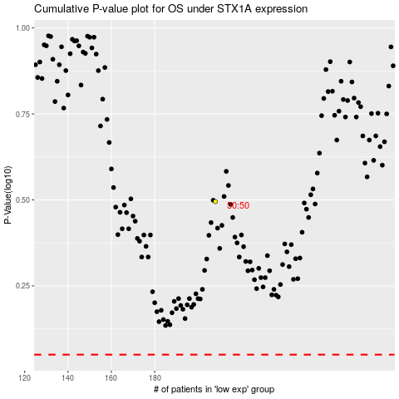

 |  |  |  |  |  | cases_OS | p_OS | rank | exp
 |  |  |  |  |  |  | cases_RFS | p_RFS | rank | exp

